HESRG _multivariate
Reported by Tex Li-Hsing Chi. tex@gate.sinica.edu.tw 2019-08-19

Table 2. The clinicopathological features of HNSCC cohort and HESRG expression. (Chi square test)
Cutoff at -0.281 (49.8%)
 |  | HESRG expression |  | HESRG expression |  | (Optimised)
 | Features | Low | (%) | High | (%) | Case no | P-value | Remark | Matthews
Gender | Female | 160 | 38.6 | 146 | 35.2 | 415 | 0.1254 | 0 | 0
2 | Male | 47 | 11.3 | 62 | 14.9
Age at diagnosis | <=65y | 140 | 33.7 | 134 | 32.3 | 415 | 0.5574 | 0 | 0
4 | >65y | 67 | 16.1 | 74 | 17.8
Clinical T Status | T1+T2 | 75 | 18.1 | 74 | 17.8 | 415 | 0.9707 | 0 | 0
6 | T3+T4 | 132 | 31.8 | 134 | 32.3
Clinical N Status | N0 | 102 | 24.6 | 114 | 27.5 | 415 | 0.3031 | 0 | 0
8 | N1-3 | 105 | 25.3 | 94 | 22.7
Clinical M Status | M0 | 204 | 49.2 | 208 | 50.1 | 415 | 0.1232 | 0 | 0
10 | M1 | 3 | 0.7 | 0 | 0
Clinical Stage | Stage I+II | 48 | 11.6 | 54 | 13 | 415 | 0.5878 | 0 | 0
12 | Stage III+IV | 159 | 38.3 | 154 | 37.1
Surgical Margin status | Negative | 155 | 37.3 | 163 | 39.3 | 415 | 0.4187 | 0 | 0
14 | Positive | 52 | 12.5 | 45 | 10.8
Tobacco Exposure | Low | 76 | 18.3 | 85 | 20.5 | 415 | 0.4207 | 0 | 0
16 | High | 131 | 31.6 | 123 | 29.6

Table 3. Univariate/Multivariate Cox's proportional hazards regression analyses on OS time of HESRG gene expression in HNSCC

 |  | Univariate |  |  |  | Multivariate
 | Features | HR | CI95%(L) | CI95%(H) | P-value | HR | CI95%(L) | CI95%(H) | P-value
1 | Female | 1 |  |  |  | 1
Gender | Male | 1.157 | 0.843 | 1.587 | 0.367 | 1.199 | 0.858 | 1.675 | 0.287
11 | <=65y | 1 |  |  |  | 1
Age at diagnosis | >65y | 1.329 | 0.99 | 1.784 | 0.058 | 1.399 | 1.028 | 1.904 | 0.033
12 | T1+T2 | 1 |  |  |  | 1
Clinical T Status | T3+T4 | 1.409 | 1.028 | 1.931 | 0.033 | 2.208 | 1.168 | 4.175 | 0.015
13 | N0 | 1 |  |  |  | 1
Clinical N Status | N1-3 | 1.185 | 0.89 | 1.577 | 0.246 | 1.245 | 0.872 | 1.777 | 0.228
14 | M0 | 1 |  |  |  | 1
Clinical M Status | M1 | 4.097 | 1.009 | 16.644 | 0.049 | 9.663 | 2.09 | 44.663 | 0.004
15 | Stage I+II | 1 |  |  |  | 1
Clinical Stage | Stage III+IV | 1.245 | 0.882 | 1.759 | 0.213 | 0.503 | 0.234 | 1.079 | 0.078
16 | Negative | 1 |  |  |  | 1
Surgical Margin status | Positive | 1.591 | 1.155 | 2.191 | 0.004 | 1.673 | 1.211 | 2.312 | 0.002
17 | Low | 1 |  |  |  | 1
Tobacco Exposure | High | 1.364 | 1.008 | 1.844 | 0.044 | 1.452 | 1.054 | 2.001 | 0.022
18 | Low | 1 |  |  |  | 1
RNAseq(z-score) | High | 0.981 | 0.736 | 1.308 | 0.897 | 1.051 | 0.785 | 1.406 | 0.738

Table 4. Univariate/Multivariate Cox's proportional hazards regression analyses on RFS time of HESRG gene expression in HNSCC

 |  | Univariate |  |  |  | Multivariate
 | Features | HR | CI95%(L) | CI95%(H) | P-value | HR | CI95%(L) | CI95%(H) | P-value
1 | Female | 1 |  |  |  | 1
Gender | Male | 1.157 | 0.843 | 1.587 | 0.367 | 1.199 | 0.858 | 1.675 | 0.287
11 | <=65y | 1 |  |  |  | 1
Age at diagnosis | >65y | 1.329 | 0.99 | 1.784 | 0.058 | 1.399 | 1.028 | 1.904 | 0.033
12 | T1+T2 | 1 |  |  |  | 1
Clinical T Status | T3+T4 | 1.409 | 1.028 | 1.931 | 0.033 | 2.208 | 1.168 | 4.175 | 0.015
13 | N0 | 1 |  |  |  | 1
Clinical N Status | N1-3 | 1.185 | 0.89 | 1.577 | 0.246 | 1.245 | 0.872 | 1.777 | 0.228
14 | M0 | 1 |  |  |  | 1
Clinical M Status | M1 | 4.097 | 1.009 | 16.644 | 0.049 | 9.663 | 2.09 | 44.663 | 0.004
15 | Stage I+II | 1 |  |  |  | 1
Clinical Stage | Stage III+IV | 1.245 | 0.882 | 1.759 | 0.213 | 0.503 | 0.234 | 1.079 | 0.078
16 | Negative | 1 |  |  |  | 1
Surgical Margin status | Positive | 1.591 | 1.155 | 2.191 | 0.004 | 1.673 | 1.211 | 2.312 | 0.002
17 | Low | 1 |  |  |  | 1
Tobacco Exposure | High | 1.364 | 1.008 | 1.844 | 0.044 | 1.452 | 1.054 | 2.001 | 0.022
18 | Low | 1 |  |  |  | 1
RNAseq(z-score) | High | 0.981 | 0.736 | 1.308 | 0.897 | 1.051 | 0.785 | 1.406 | 0.738

Kaplan-Meier survival estimate: Cutoff at -0.281 (49.8%)



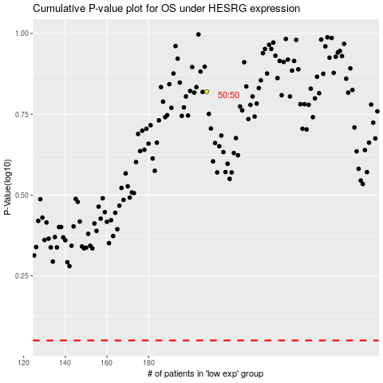

 |  |  |  |  |  | cases_OS | p_OS | rank | exp
 |  |  |  |  |  |  | cases_RFS | p_RFS | rank | exp

