HESX1 _multivariate
Reported by Tex Li-Hsing Chi. tex@gate.sinica.edu.tw 2019-08-19

Table 2. The clinicopathological features of HNSCC cohort and HESX1 expression. (Chi square test)
Cutoff at -0.36 (49.8%)
 |  | HESX1 expression |  | HESX1 expression |  | (Optimised)
 | Features | Low | (%) | High | (%) | Case no | P-value | Remark | Matthews
Gender | Female | 157 | 37.8 | 149 | 35.9 | 415 | 0.3881 | 0 | 0
2 | Male | 50 | 12 | 59 | 14.2
Age at diagnosis | <=65y | 139 | 33.5 | 135 | 32.5 | 415 | 0.7044 | 0 | 0
4 | >65y | 68 | 16.4 | 73 | 17.6
Clinical T Status | T1+T2 | 64 | 15.4 | 85 | 20.5 | 415 | 0.0445 | 1 | 0
6 | T3+T4 | 143 | 34.5 | 123 | 29.6
Clinical N Status | N0 | 106 | 25.5 | 110 | 26.5 | 415 | 0.8075 | 0 | 0
8 | N1-3 | 101 | 24.3 | 98 | 23.6
Clinical M Status | M0 | 207 | 49.9 | 205 | 49.4 | 415 | 0.2482 | 0 | 0
10 | M1 | 0 | 0 | 3 | 0.7
Clinical Stage | Stage I+II | 48 | 11.6 | 54 | 13 | 415 | 0.5878 | 0 | 0
12 | Stage III+IV | 159 | 38.3 | 154 | 37.1
Surgical Margin status | Negative | 170 | 41 | 148 | 35.7 | 415 | 0.0105 | 1 | 0
14 | Positive | 37 | 8.9 | 60 | 14.5
Tobacco Exposure | Low | 74 | 17.8 | 87 | 21 | 415 | 0.227 | 0 | 0
16 | High | 133 | 32 | 121 | 29.2

Table 3. Univariate/Multivariate Cox's proportional hazards regression analyses on OS time of HESX1 gene expression in HNSCC

 |  | Univariate |  |  |  | Multivariate
 | Features | HR | CI95%(L) | CI95%(H) | P-value | HR | CI95%(L) | CI95%(H) | P-value
1 | Female | 1 |  |  |  | 1
Gender | Male | 1.157 | 0.843 | 1.587 | 0.367 | 1.207 | 0.863 | 1.687 | 0.272
11 | <=65y | 1 |  |  |  | 1
Age at diagnosis | >65y | 1.329 | 0.99 | 1.784 | 0.058 | 1.391 | 1.023 | 1.89 | 0.035
12 | T1+T2 | 1 |  |  |  | 1
Clinical T Status | T3+T4 | 1.409 | 1.028 | 1.931 | 0.033 | 2.169 | 1.145 | 4.108 | 0.017
13 | N0 | 1 |  |  |  | 1
Clinical N Status | N1-3 | 1.185 | 0.89 | 1.577 | 0.246 | 1.241 | 0.87 | 1.77 | 0.234
14 | M0 | 1 |  |  |  | 1
Clinical M Status | M1 | 4.097 | 1.009 | 16.644 | 0.049 | 9.735 | 2.114 | 44.821 | 0.003
15 | Stage I+II | 1 |  |  |  | 1
Clinical Stage | Stage III+IV | 1.245 | 0.882 | 1.759 | 0.213 | 0.509 | 0.237 | 1.093 | 0.083
16 | Negative | 1 |  |  |  | 1
Surgical Margin status | Positive | 1.591 | 1.155 | 2.191 | 0.004 | 1.7 | 1.224 | 2.36 | 0.002
17 | Low | 1 |  |  |  | 1
Tobacco Exposure | High | 1.364 | 1.008 | 1.844 | 0.044 | 1.45 | 1.052 | 1.999 | 0.023
18 | Low | 1 |  |  |  | 1
RNAseq(z-score) | High | 0.97 | 0.728 | 1.291 | 0.832 | 0.916 | 0.682 | 1.23 | 0.561

Table 4. Univariate/Multivariate Cox's proportional hazards regression analyses on RFS time of HESX1 gene expression in HNSCC

 |  | Univariate |  |  |  | Multivariate
 | Features | HR | CI95%(L) | CI95%(H) | P-value | HR | CI95%(L) | CI95%(H) | P-value
1 | Female | 1 |  |  |  | 1
Gender | Male | 1.157 | 0.843 | 1.587 | 0.367 | 1.207 | 0.863 | 1.687 | 0.272
11 | <=65y | 1 |  |  |  | 1
Age at diagnosis | >65y | 1.329 | 0.99 | 1.784 | 0.058 | 1.391 | 1.023 | 1.89 | 0.035
12 | T1+T2 | 1 |  |  |  | 1
Clinical T Status | T3+T4 | 1.409 | 1.028 | 1.931 | 0.033 | 2.169 | 1.145 | 4.108 | 0.017
13 | N0 | 1 |  |  |  | 1
Clinical N Status | N1-3 | 1.185 | 0.89 | 1.577 | 0.246 | 1.241 | 0.87 | 1.77 | 0.234
14 | M0 | 1 |  |  |  | 1
Clinical M Status | M1 | 4.097 | 1.009 | 16.644 | 0.049 | 9.735 | 2.114 | 44.821 | 0.003
15 | Stage I+II | 1 |  |  |  | 1
Clinical Stage | Stage III+IV | 1.245 | 0.882 | 1.759 | 0.213 | 0.509 | 0.237 | 1.093 | 0.083
16 | Negative | 1 |  |  |  | 1
Surgical Margin status | Positive | 1.591 | 1.155 | 2.191 | 0.004 | 1.7 | 1.224 | 2.36 | 0.002
17 | Low | 1 |  |  |  | 1
Tobacco Exposure | High | 1.364 | 1.008 | 1.844 | 0.044 | 1.45 | 1.052 | 1.999 | 0.023
18 | Low | 1 |  |  |  | 1
RNAseq(z-score) | High | 0.97 | 0.728 | 1.291 | 0.832 | 0.916 | 0.682 | 1.23 | 0.561

Kaplan-Meier survival estimate: Cutoff at -0.36 (49.8%)



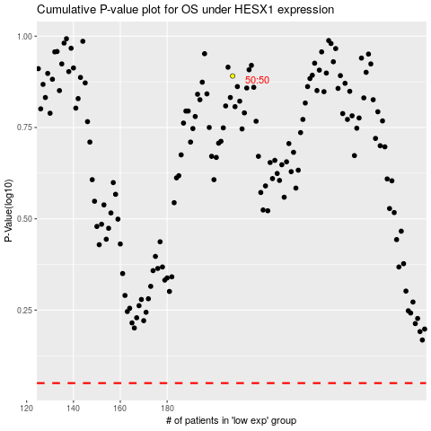

 |  |  |  |  |  | cases_OS | p_OS | rank | exp
 |  |  |  |  |  |  | cases_RFS | p_RFS | rank | exp

