HFE _multivariate
Reported by Tex Li-Hsing Chi. tex@gate.sinica.edu.tw 2019-08-19

Table 2. The clinicopathological features of HNSCC cohort and HFE expression. (Chi square test)
Cutoff at -0.084 (49.8%)
 |  | HFE expression |  | HFE expression |  | (Optimised)
 | Features | Low | (%) | High | (%) | Case no | P-value | Remark | Matthews
Gender | Female | 153 | 36.9 | 153 | 36.9 | 415 | 1 | 0 | 0
2 | Male | 54 | 13 | 55 | 13.3
Age at diagnosis | <=65y | 147 | 35.4 | 127 | 30.6 | 415 | 0.0416 | 1 | 0
4 | >65y | 60 | 14.5 | 81 | 19.5
Clinical T Status | T1+T2 | 75 | 18.1 | 74 | 17.8 | 415 | 0.9707 | 0 | 0
6 | T3+T4 | 132 | 31.8 | 134 | 32.3
Clinical N Status | N0 | 109 | 26.3 | 107 | 25.8 | 415 | 0.8812 | 0 | 0
8 | N1-3 | 98 | 23.6 | 101 | 24.3
Clinical M Status | M0 | 206 | 49.6 | 206 | 49.6 | 415 | 1 | 0 | 0
10 | M1 | 1 | 0.2 | 2 | 0.5
Clinical Stage | Stage I+II | 46 | 11.1 | 56 | 13.5 | 415 | 0.3182 | 0 | 0
12 | Stage III+IV | 161 | 38.8 | 152 | 36.6
Surgical Margin status | Negative | 157 | 37.8 | 161 | 38.8 | 415 | 0.729 | 0 | 0
14 | Positive | 50 | 12 | 47 | 11.3
Tobacco Exposure | Low | 88 | 21.2 | 73 | 17.6 | 415 | 0.1314 | 0 | 0
16 | High | 119 | 28.7 | 135 | 32.5

Table 3. Univariate/Multivariate Cox's proportional hazards regression analyses on OS time of HFE gene expression in HNSCC

 |  | Univariate |  |  |  | Multivariate
 | Features | HR | CI95%(L) | CI95%(H) | P-value | HR | CI95%(L) | CI95%(H) | P-value
1 | Female | 1 |  |  |  | 1
Gender | Male | 1.157 | 0.843 | 1.587 | 0.367 | 1.204 | 0.862 | 1.681 | 0.277
11 | <=65y | 1 |  |  |  | 1
Age at diagnosis | >65y | 1.329 | 0.99 | 1.784 | 0.058 | 1.385 | 1.018 | 1.884 | 0.038
12 | T1+T2 | 1 |  |  |  | 1
Clinical T Status | T3+T4 | 1.409 | 1.028 | 1.931 | 0.033 | 2.174 | 1.147 | 4.122 | 0.017
13 | N0 | 1 |  |  |  | 1
Clinical N Status | N1-3 | 1.185 | 0.89 | 1.577 | 0.246 | 1.237 | 0.867 | 1.766 | 0.241
14 | M0 | 1 |  |  |  | 1
Clinical M Status | M1 | 4.097 | 1.009 | 16.644 | 0.049 | 9.138 | 1.982 | 42.141 | 0.005
15 | Stage I+II | 1 |  |  |  | 1
Clinical Stage | Stage III+IV | 1.245 | 0.882 | 1.759 | 0.213 | 0.513 | 0.238 | 1.106 | 0.089
16 | Negative | 1 |  |  |  | 1
Surgical Margin status | Positive | 1.591 | 1.155 | 2.191 | 0.004 | 1.677 | 1.213 | 2.319 | 0.002
17 | Low | 1 |  |  |  | 1
Tobacco Exposure | High | 1.364 | 1.008 | 1.844 | 0.044 | 1.452 | 1.054 | 2 | 0.022
18 | Low | 1 |  |  |  | 1
RNAseq(z-score) | High | 1.116 | 0.838 | 1.486 | 0.454 | 1.064 | 0.796 | 1.424 | 0.675

Table 4. Univariate/Multivariate Cox's proportional hazards regression analyses on RFS time of HFE gene expression in HNSCC

 |  | Univariate |  |  |  | Multivariate
 | Features | HR | CI95%(L) | CI95%(H) | P-value | HR | CI95%(L) | CI95%(H) | P-value
1 | Female | 1 |  |  |  | 1
Gender | Male | 1.157 | 0.843 | 1.587 | 0.367 | 1.204 | 0.862 | 1.681 | 0.277
11 | <=65y | 1 |  |  |  | 1
Age at diagnosis | >65y | 1.329 | 0.99 | 1.784 | 0.058 | 1.385 | 1.018 | 1.884 | 0.038
12 | T1+T2 | 1 |  |  |  | 1
Clinical T Status | T3+T4 | 1.409 | 1.028 | 1.931 | 0.033 | 2.174 | 1.147 | 4.122 | 0.017
13 | N0 | 1 |  |  |  | 1
Clinical N Status | N1-3 | 1.185 | 0.89 | 1.577 | 0.246 | 1.237 | 0.867 | 1.766 | 0.241
14 | M0 | 1 |  |  |  | 1
Clinical M Status | M1 | 4.097 | 1.009 | 16.644 | 0.049 | 9.138 | 1.982 | 42.141 | 0.005
15 | Stage I+II | 1 |  |  |  | 1
Clinical Stage | Stage III+IV | 1.245 | 0.882 | 1.759 | 0.213 | 0.513 | 0.238 | 1.106 | 0.089
16 | Negative | 1 |  |  |  | 1
Surgical Margin status | Positive | 1.591 | 1.155 | 2.191 | 0.004 | 1.677 | 1.213 | 2.319 | 0.002
17 | Low | 1 |  |  |  | 1
Tobacco Exposure | High | 1.364 | 1.008 | 1.844 | 0.044 | 1.452 | 1.054 | 2 | 0.022
18 | Low | 1 |  |  |  | 1
RNAseq(z-score) | High | 1.116 | 0.838 | 1.486 | 0.454 | 1.064 | 0.796 | 1.424 | 0.675

Kaplan-Meier survival estimate: Cutoff at -0.084 (49.8%)



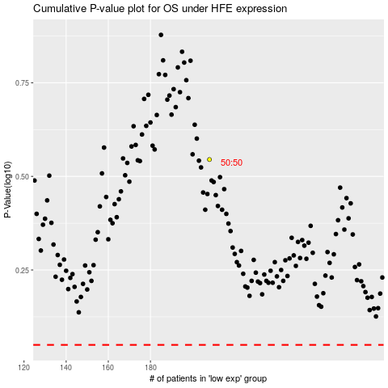

 |  |  |  |  |  | cases_OS | p_OS | rank | exp
 |  |  |  |  |  |  | cases_RFS | p_RFS | rank | exp

