HGD _multivariate
Reported by Tex Li-Hsing Chi. tex@gate.sinica.edu.tw 2019-08-19

Table 2. The clinicopathological features of HNSCC cohort and HGD expression. (Chi square test)
Cutoff at -0.219 (49.8%)
 |  | HGD expression |  | HGD expression |  | (Optimised)
 | Features | Low | (%) | High | (%) | Case no | P-value | Remark | Matthews
Gender | Female | 146 | 35.2 | 160 | 38.6 | 415 | 0.1714 | 0 | 0
2 | Male | 61 | 14.7 | 48 | 11.6
Age at diagnosis | <=65y | 127 | 30.6 | 147 | 35.4 | 415 | 0.0573 | 0 | 0
4 | >65y | 80 | 19.3 | 61 | 14.7
Clinical T Status | T1+T2 | 79 | 19 | 70 | 16.9 | 415 | 0.3924 | 0 | 0
6 | T3+T4 | 128 | 30.8 | 138 | 33.3
Clinical N Status | N0 | 108 | 26 | 108 | 26 | 415 | 1 | 0 | 0
8 | N1-3 | 99 | 23.9 | 100 | 24.1
Clinical M Status | M0 | 206 | 49.6 | 206 | 49.6 | 415 | 1 | 0 | 0
10 | M1 | 1 | 0.2 | 2 | 0.5
Clinical Stage | Stage I+II | 56 | 13.5 | 46 | 11.1 | 415 | 0.2918 | 0 | 0
12 | Stage III+IV | 151 | 36.4 | 162 | 39
Surgical Margin status | Negative | 165 | 39.8 | 153 | 36.9 | 415 | 0.1639 | 0 | 0
14 | Positive | 42 | 10.1 | 55 | 13.3
Tobacco Exposure | Low | 92 | 22.2 | 69 | 16.6 | 415 | 0.0206 | 1 | 0
16 | High | 115 | 27.7 | 139 | 33.5

Table 3. Univariate/Multivariate Cox's proportional hazards regression analyses on OS time of HGD gene expression in HNSCC

 |  | Univariate |  |  |  | Multivariate
 | Features | HR | CI95%(L) | CI95%(H) | P-value | HR | CI95%(L) | CI95%(H) | P-value
1 | Female | 1 |  |  |  | 1
Gender | Male | 1.157 | 0.843 | 1.587 | 0.367 | 1.197 | 0.857 | 1.673 | 0.292
11 | <=65y | 1 |  |  |  | 1
Age at diagnosis | >65y | 1.329 | 0.99 | 1.784 | 0.058 | 1.382 | 1.015 | 1.882 | 0.04
12 | T1+T2 | 1 |  |  |  | 1
Clinical T Status | T3+T4 | 1.409 | 1.028 | 1.931 | 0.033 | 2.191 | 1.159 | 4.144 | 0.016
13 | N0 | 1 |  |  |  | 1
Clinical N Status | N1-3 | 1.185 | 0.89 | 1.577 | 0.246 | 1.237 | 0.867 | 1.766 | 0.241
14 | M0 | 1 |  |  |  | 1
Clinical M Status | M1 | 4.097 | 1.009 | 16.644 | 0.049 | 9.401 | 2.051 | 43.093 | 0.004
15 | Stage I+II | 1 |  |  |  | 1
Clinical Stage | Stage III+IV | 1.245 | 0.882 | 1.759 | 0.213 | 0.51 | 0.237 | 1.096 | 0.084
16 | Negative | 1 |  |  |  | 1
Surgical Margin status | Positive | 1.591 | 1.155 | 2.191 | 0.004 | 1.679 | 1.214 | 2.321 | 0.002
17 | Low | 1 |  |  |  | 1
Tobacco Exposure | High | 1.364 | 1.008 | 1.844 | 0.044 | 1.467 | 1.061 | 2.027 | 0.02
18 | Low | 1 |  |  |  | 1
RNAseq(z-score) | High | 0.94 | 0.705 | 1.253 | 0.673 | 0.933 | 0.695 | 1.252 | 0.644

Table 4. Univariate/Multivariate Cox's proportional hazards regression analyses on RFS time of HGD gene expression in HNSCC

 |  | Univariate |  |  |  | Multivariate
 | Features | HR | CI95%(L) | CI95%(H) | P-value | HR | CI95%(L) | CI95%(H) | P-value
1 | Female | 1 |  |  |  | 1
Gender | Male | 1.157 | 0.843 | 1.587 | 0.367 | 1.197 | 0.857 | 1.673 | 0.292
11 | <=65y | 1 |  |  |  | 1
Age at diagnosis | >65y | 1.329 | 0.99 | 1.784 | 0.058 | 1.382 | 1.015 | 1.882 | 0.04
12 | T1+T2 | 1 |  |  |  | 1
Clinical T Status | T3+T4 | 1.409 | 1.028 | 1.931 | 0.033 | 2.191 | 1.159 | 4.144 | 0.016
13 | N0 | 1 |  |  |  | 1
Clinical N Status | N1-3 | 1.185 | 0.89 | 1.577 | 0.246 | 1.237 | 0.867 | 1.766 | 0.241
14 | M0 | 1 |  |  |  | 1
Clinical M Status | M1 | 4.097 | 1.009 | 16.644 | 0.049 | 9.401 | 2.051 | 43.093 | 0.004
15 | Stage I+II | 1 |  |  |  | 1
Clinical Stage | Stage III+IV | 1.245 | 0.882 | 1.759 | 0.213 | 0.51 | 0.237 | 1.096 | 0.084
16 | Negative | 1 |  |  |  | 1
Surgical Margin status | Positive | 1.591 | 1.155 | 2.191 | 0.004 | 1.679 | 1.214 | 2.321 | 0.002
17 | Low | 1 |  |  |  | 1
Tobacco Exposure | High | 1.364 | 1.008 | 1.844 | 0.044 | 1.467 | 1.061 | 2.027 | 0.02
18 | Low | 1 |  |  |  | 1
RNAseq(z-score) | High | 0.94 | 0.705 | 1.253 | 0.673 | 0.933 | 0.695 | 1.252 | 0.644

Kaplan-Meier survival estimate: Cutoff at -0.219 (49.8%)



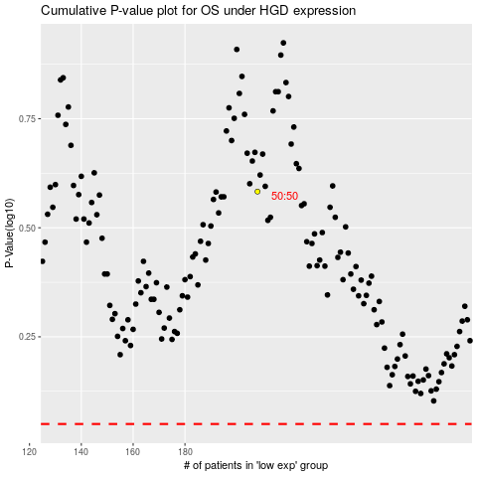

 |  |  |  |  |  | cases_OS | p_OS | rank | exp
 |  |  |  |  |  |  | cases_RFS | p_RFS | rank | exp

