HHEX _multivariate
Reported by Tex Li-Hsing Chi. tex@gate.sinica.edu.tw 2019-08-19

Table 2. The clinicopathological features of HNSCC cohort and HHEX expression. (Chi square test)
Cutoff at -0.146 (60.6%)
 |  | HHEX expression |  | HHEX expression |  | (Optimised)
 | Features | Low | (%) | High | (%) | Case no | P-value | Remark | Matthews
Gender | Female | 185 | 44.6 | 121 | 29.2 | 415 | 0.9432 | 0 | 0
2 | Male | 67 | 16.1 | 42 | 10.1
Age at diagnosis | <=65y | 169 | 40.7 | 105 | 25.3 | 415 | 0.6529 | 0 | 0
4 | >65y | 83 | 20 | 58 | 14
Clinical T Status | T1+T2 | 81 | 19.5 | 68 | 16.4 | 415 | 0.06 | 0 | 0
6 | T3+T4 | 171 | 41.2 | 95 | 22.9
Clinical N Status | N0 | 136 | 32.8 | 80 | 19.3 | 415 | 0.3827 | 0 | 0
8 | N1-3 | 116 | 28 | 83 | 20
Clinical M Status | M0 | 249 | 60 | 163 | 39.3 | 415 | 0.2828 | 0 | 0
10 | M1 | 3 | 0.7 | 0 | 0
Clinical Stage | Stage I+II | 57 | 13.7 | 45 | 10.8 | 415 | 0.3002 | 0 | 0
12 | Stage III+IV | 195 | 47 | 118 | 28.4
Surgical Margin status | Negative | 192 | 46.3 | 126 | 30.4 | 415 | 0.8134 | 0 | 0
14 | Positive | 60 | 14.5 | 37 | 8.9
Tobacco Exposure | Low | 105 | 25.3 | 56 | 13.5 | 415 | 0.1493 | 0 | 0
16 | High | 147 | 35.4 | 107 | 25.8

Table 3. Univariate/Multivariate Cox's proportional hazards regression analyses on OS time of HHEX gene expression in HNSCC

 |  | Univariate |  |  |  | Multivariate
 | Features | HR | CI95%(L) | CI95%(H) | P-value | HR | CI95%(L) | CI95%(H) | P-value
1 | Female | 1 |  |  |  | 1
Gender | Male | 1.157 | 0.843 | 1.587 | 0.367 | 1.193 | 0.853 | 1.669 | 0.303
11 | <=65y | 1 |  |  |  | 1
Age at diagnosis | >65y | 1.329 | 0.99 | 1.784 | 0.058 | 1.404 | 1.034 | 1.908 | 0.03
12 | T1+T2 | 1 |  |  |  | 1
Clinical T Status | T3+T4 | 1.409 | 1.028 | 1.931 | 0.033 | 2.156 | 1.14 | 4.077 | 0.018
13 | N0 | 1 |  |  |  | 1
Clinical N Status | N1-3 | 1.185 | 0.89 | 1.577 | 0.246 | 1.296 | 0.906 | 1.854 | 0.156
14 | M0 | 1 |  |  |  | 1
Clinical M Status | M1 | 4.097 | 1.009 | 16.644 | 0.049 | 8.2 | 1.779 | 37.791 | 0.007
15 | Stage I+II | 1 |  |  |  | 1
Clinical Stage | Stage III+IV | 1.245 | 0.882 | 1.759 | 0.213 | 0.486 | 0.226 | 1.045 | 0.065
16 | Negative | 1 |  |  |  | 1
Surgical Margin status | Positive | 1.591 | 1.155 | 2.191 | 0.004 | 1.664 | 1.203 | 2.301 | 0.002
17 | Low | 1 |  |  |  | 1
Tobacco Exposure | High | 1.364 | 1.008 | 1.844 | 0.044 | 1.516 | 1.096 | 2.096 | 0.012
18 | Low | 1 |  |  |  | 1
RNAseq(z-score) | High | 0.74 | 0.548 | 1 | 0.05 | 0.733 | 0.539 | 0.997 | 0.048

Table 4. Univariate/Multivariate Cox's proportional hazards regression analyses on RFS time of HHEX gene expression in HNSCC

 |  | Univariate |  |  |  | Multivariate
 | Features | HR | CI95%(L) | CI95%(H) | P-value | HR | CI95%(L) | CI95%(H) | P-value
1 | Female | 1 |  |  |  | 1
Gender | Male | 1.157 | 0.843 | 1.587 | 0.367 | 1.193 | 0.853 | 1.669 | 0.303
11 | <=65y | 1 |  |  |  | 1
Age at diagnosis | >65y | 1.329 | 0.99 | 1.784 | 0.058 | 1.404 | 1.034 | 1.908 | 0.03
12 | T1+T2 | 1 |  |  |  | 1
Clinical T Status | T3+T4 | 1.409 | 1.028 | 1.931 | 0.033 | 2.156 | 1.14 | 4.077 | 0.018
13 | N0 | 1 |  |  |  | 1
Clinical N Status | N1-3 | 1.185 | 0.89 | 1.577 | 0.246 | 1.296 | 0.906 | 1.854 | 0.156
14 | M0 | 1 |  |  |  | 1
Clinical M Status | M1 | 4.097 | 1.009 | 16.644 | 0.049 | 8.2 | 1.779 | 37.791 | 0.007
15 | Stage I+II | 1 |  |  |  | 1
Clinical Stage | Stage III+IV | 1.245 | 0.882 | 1.759 | 0.213 | 0.486 | 0.226 | 1.045 | 0.065
16 | Negative | 1 |  |  |  | 1
Surgical Margin status | Positive | 1.591 | 1.155 | 2.191 | 0.004 | 1.664 | 1.203 | 2.301 | 0.002
17 | Low | 1 |  |  |  | 1
Tobacco Exposure | High | 1.364 | 1.008 | 1.844 | 0.044 | 1.516 | 1.096 | 2.096 | 0.012
18 | Low | 1 |  |  |  | 1
RNAseq(z-score) | High | 0.74 | 0.548 | 1 | 0.05 | 0.733 | 0.539 | 0.997 | 0.048

Kaplan-Meier survival estimate: Cutoff at -0.146 (60.6%)



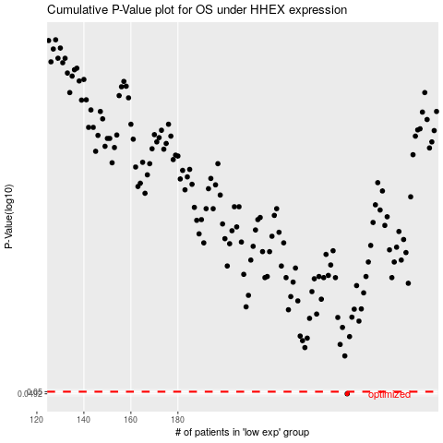

 |  |  |  |  |  | cases_OS | p_OS | rank | exp
 |  |  |  |  |  | 252 | 0.0492 | 26 | -0.14559306464
 |  |  |  |  |  |  | cases_RFS | p_RFS | rank | exp
 |  |  |  |  |  |  | 251 | 0.0492 | 364 | -0.15176966029

