HHIPL1 _multivariate
Reported by Tex Li-Hsing Chi. tex@gate.sinica.edu.tw 2019-08-19

Table 2. The clinicopathological features of HNSCC cohort and HHIPL1 expression. (Chi square test)
Cutoff at -0.153 (49.8%)
 |  | HHIPL1 expression |  | HHIPL1 expression |  | (Optimised)
 | Features | Low | (%) | High | (%) | Case no | P-value | Remark | Matthews
Gender | Female | 152 | 36.6 | 154 | 37.1 | 415 | 0.9766 | 0 | 0
2 | Male | 55 | 13.3 | 54 | 13
Age at diagnosis | <=65y | 140 | 33.7 | 134 | 32.3 | 415 | 0.5574 | 0 | 0
4 | >65y | 67 | 16.1 | 74 | 17.8
Clinical T Status | T1+T2 | 73 | 17.6 | 76 | 18.3 | 415 | 0.8666 | 0 | 0
6 | T3+T4 | 134 | 32.3 | 132 | 31.8
Clinical N Status | N0 | 103 | 24.8 | 113 | 27.2 | 415 | 0.4047 | 0 | 0
8 | N1-3 | 104 | 25.1 | 95 | 22.9
Clinical M Status | M0 | 205 | 49.4 | 207 | 49.9 | 415 | 0.6232 | 0 | 0
10 | M1 | 2 | 0.5 | 1 | 0.2
Clinical Stage | Stage I+II | 46 | 11.1 | 56 | 13.5 | 415 | 0.3182 | 0 | 0
12 | Stage III+IV | 161 | 38.8 | 152 | 36.6
Surgical Margin status | Negative | 152 | 36.6 | 166 | 40 | 415 | 0.1329 | 0 | 0
14 | Positive | 55 | 13.3 | 42 | 10.1
Tobacco Exposure | Low | 80 | 19.3 | 81 | 19.5 | 415 | 1 | 0 | 0
16 | High | 127 | 30.6 | 127 | 30.6

Table 3. Univariate/Multivariate Cox's proportional hazards regression analyses on OS time of HHIPL1 gene expression in HNSCC

 |  | Univariate |  |  |  | Multivariate
 | Features | HR | CI95%(L) | CI95%(H) | P-value | HR | CI95%(L) | CI95%(H) | P-value
1 | Female | 1 |  |  |  | 1
Gender | Male | 1.157 | 0.843 | 1.587 | 0.367 | 1.204 | 0.862 | 1.682 | 0.276
11 | <=65y | 1 |  |  |  | 1
Age at diagnosis | >65y | 1.329 | 0.99 | 1.784 | 0.058 | 1.393 | 1.024 | 1.893 | 0.034
12 | T1+T2 | 1 |  |  |  | 1
Clinical T Status | T3+T4 | 1.409 | 1.028 | 1.931 | 0.033 | 2.176 | 1.15 | 4.119 | 0.017
13 | N0 | 1 |  |  |  | 1
Clinical N Status | N1-3 | 1.185 | 0.89 | 1.577 | 0.246 | 1.242 | 0.87 | 1.771 | 0.233
14 | M0 | 1 |  |  |  | 1
Clinical M Status | M1 | 4.097 | 1.009 | 16.644 | 0.049 | 9.367 | 2.043 | 42.935 | 0.004
15 | Stage I+II | 1 |  |  |  | 1
Clinical Stage | Stage III+IV | 1.245 | 0.882 | 1.759 | 0.213 | 0.513 | 0.238 | 1.104 | 0.088
16 | Negative | 1 |  |  |  | 1
Surgical Margin status | Positive | 1.591 | 1.155 | 2.191 | 0.004 | 1.677 | 1.214 | 2.318 | 0.002
17 | Low | 1 |  |  |  | 1
Tobacco Exposure | High | 1.364 | 1.008 | 1.844 | 0.044 | 1.457 | 1.057 | 2.007 | 0.022
18 | Low | 1 |  |  |  | 1
RNAseq(z-score) | High | 1.066 | 0.8 | 1.42 | 0.663 | 1.09 | 0.816 | 1.456 | 0.559

Table 4. Univariate/Multivariate Cox's proportional hazards regression analyses on RFS time of HHIPL1 gene expression in HNSCC

 |  | Univariate |  |  |  | Multivariate
 | Features | HR | CI95%(L) | CI95%(H) | P-value | HR | CI95%(L) | CI95%(H) | P-value
1 | Female | 1 |  |  |  | 1
Gender | Male | 1.157 | 0.843 | 1.587 | 0.367 | 1.204 | 0.862 | 1.682 | 0.276
11 | <=65y | 1 |  |  |  | 1
Age at diagnosis | >65y | 1.329 | 0.99 | 1.784 | 0.058 | 1.393 | 1.024 | 1.893 | 0.034
12 | T1+T2 | 1 |  |  |  | 1
Clinical T Status | T3+T4 | 1.409 | 1.028 | 1.931 | 0.033 | 2.176 | 1.15 | 4.119 | 0.017
13 | N0 | 1 |  |  |  | 1
Clinical N Status | N1-3 | 1.185 | 0.89 | 1.577 | 0.246 | 1.242 | 0.87 | 1.771 | 0.233
14 | M0 | 1 |  |  |  | 1
Clinical M Status | M1 | 4.097 | 1.009 | 16.644 | 0.049 | 9.367 | 2.043 | 42.935 | 0.004
15 | Stage I+II | 1 |  |  |  | 1
Clinical Stage | Stage III+IV | 1.245 | 0.882 | 1.759 | 0.213 | 0.513 | 0.238 | 1.104 | 0.088
16 | Negative | 1 |  |  |  | 1
Surgical Margin status | Positive | 1.591 | 1.155 | 2.191 | 0.004 | 1.677 | 1.214 | 2.318 | 0.002
17 | Low | 1 |  |  |  | 1
Tobacco Exposure | High | 1.364 | 1.008 | 1.844 | 0.044 | 1.457 | 1.057 | 2.007 | 0.022
18 | Low | 1 |  |  |  | 1
RNAseq(z-score) | High | 1.066 | 0.8 | 1.42 | 0.663 | 1.09 | 0.816 | 1.456 | 0.559

Kaplan-Meier survival estimate: Cutoff at -0.153 (49.8%)



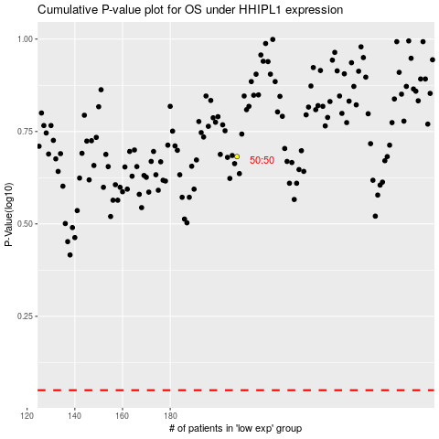

 |  |  |  |  |  | cases_OS | p_OS | rank | exp
 |  |  |  |  |  |  | cases_RFS | p_RFS | rank | exp

