HHIPL2 _multivariate
Reported by Tex Li-Hsing Chi. tex@gate.sinica.edu.tw 2019-08-19

Table 2. The clinicopathological features of HNSCC cohort and HHIPL2 expression. (Chi square test)
Cutoff at -0.188 (49.8%)
 |  | HHIPL2 expression |  | HHIPL2 expression |  | (Optimised)
 | Features | Low | (%) | High | (%) | Case no | P-value | Remark | Matthews
Gender | Female | 151 | 36.4 | 155 | 37.3 | 415 | 0.8007 | 0 | 0
2 | Male | 56 | 13.5 | 53 | 12.8
Age at diagnosis | <=65y | 135 | 32.5 | 139 | 33.5 | 415 | 0.8084 | 0 | 0
4 | >65y | 72 | 17.3 | 69 | 16.6
Clinical T Status | T1+T2 | 72 | 17.3 | 77 | 18.6 | 415 | 0.7095 | 0 | 0
6 | T3+T4 | 135 | 32.5 | 131 | 31.6
Clinical N Status | N0 | 97 | 23.4 | 119 | 28.7 | 415 | 0.0442 | 1 | 0
8 | N1-3 | 110 | 26.5 | 89 | 21.4
Clinical M Status | M0 | 205 | 49.4 | 207 | 49.9 | 415 | 0.6232 | 0 | 0
10 | M1 | 2 | 0.5 | 1 | 0.2
Clinical Stage | Stage I+II | 41 | 9.9 | 61 | 14.7 | 415 | 0.0325 | 1 | 0
12 | Stage III+IV | 166 | 40 | 147 | 35.4
Surgical Margin status | Negative | 153 | 36.9 | 165 | 39.8 | 415 | 0.2036 | 0 | 0
14 | Positive | 54 | 13 | 43 | 10.4
Tobacco Exposure | Low | 79 | 19 | 82 | 19.8 | 415 | 0.8405 | 0 | 0
16 | High | 128 | 30.8 | 126 | 30.4

Table 3. Univariate/Multivariate Cox's proportional hazards regression analyses on OS time of HHIPL2 gene expression in HNSCC

 |  | Univariate |  |  |  | Multivariate
 | Features | HR | CI95%(L) | CI95%(H) | P-value | HR | CI95%(L) | CI95%(H) | P-value
1 | Female | 1 |  |  |  | 1
Gender | Male | 1.157 | 0.843 | 1.587 | 0.367 | 1.206 | 0.863 | 1.686 | 0.273
11 | <=65y | 1 |  |  |  | 1
Age at diagnosis | >65y | 1.329 | 0.99 | 1.784 | 0.058 | 1.392 | 1.025 | 1.892 | 0.034
12 | T1+T2 | 1 |  |  |  | 1
Clinical T Status | T3+T4 | 1.409 | 1.028 | 1.931 | 0.033 | 2.171 | 1.147 | 4.108 | 0.017
13 | N0 | 1 |  |  |  | 1
Clinical N Status | N1-3 | 1.185 | 0.89 | 1.577 | 0.246 | 1.246 | 0.873 | 1.779 | 0.225
14 | M0 | 1 |  |  |  | 1
Clinical M Status | M1 | 4.097 | 1.009 | 16.644 | 0.049 | 9.352 | 2.04 | 42.884 | 0.004
15 | Stage I+II | 1 |  |  |  | 1
Clinical Stage | Stage III+IV | 1.245 | 0.882 | 1.759 | 0.213 | 0.513 | 0.239 | 1.103 | 0.087
16 | Negative | 1 |  |  |  | 1
Surgical Margin status | Positive | 1.591 | 1.155 | 2.191 | 0.004 | 1.687 | 1.22 | 2.333 | 0.002
17 | Low | 1 |  |  |  | 1
Tobacco Exposure | High | 1.364 | 1.008 | 1.844 | 0.044 | 1.45 | 1.052 | 1.999 | 0.023
18 | Low | 1 |  |  |  | 1
RNAseq(z-score) | High | 1.087 | 0.815 | 1.448 | 0.572 | 1.125 | 0.842 | 1.502 | 0.426

Table 4. Univariate/Multivariate Cox's proportional hazards regression analyses on RFS time of HHIPL2 gene expression in HNSCC

 |  | Univariate |  |  |  | Multivariate
 | Features | HR | CI95%(L) | CI95%(H) | P-value | HR | CI95%(L) | CI95%(H) | P-value
1 | Female | 1 |  |  |  | 1
Gender | Male | 1.157 | 0.843 | 1.587 | 0.367 | 1.206 | 0.863 | 1.686 | 0.273
11 | <=65y | 1 |  |  |  | 1
Age at diagnosis | >65y | 1.329 | 0.99 | 1.784 | 0.058 | 1.392 | 1.025 | 1.892 | 0.034
12 | T1+T2 | 1 |  |  |  | 1
Clinical T Status | T3+T4 | 1.409 | 1.028 | 1.931 | 0.033 | 2.171 | 1.147 | 4.108 | 0.017
13 | N0 | 1 |  |  |  | 1
Clinical N Status | N1-3 | 1.185 | 0.89 | 1.577 | 0.246 | 1.246 | 0.873 | 1.779 | 0.225
14 | M0 | 1 |  |  |  | 1
Clinical M Status | M1 | 4.097 | 1.009 | 16.644 | 0.049 | 9.352 | 2.04 | 42.884 | 0.004
15 | Stage I+II | 1 |  |  |  | 1
Clinical Stage | Stage III+IV | 1.245 | 0.882 | 1.759 | 0.213 | 0.513 | 0.239 | 1.103 | 0.087
16 | Negative | 1 |  |  |  | 1
Surgical Margin status | Positive | 1.591 | 1.155 | 2.191 | 0.004 | 1.687 | 1.22 | 2.333 | 0.002
17 | Low | 1 |  |  |  | 1
Tobacco Exposure | High | 1.364 | 1.008 | 1.844 | 0.044 | 1.45 | 1.052 | 1.999 | 0.023
18 | Low | 1 |  |  |  | 1
RNAseq(z-score) | High | 1.087 | 0.815 | 1.448 | 0.572 | 1.125 | 0.842 | 1.502 | 0.426

Kaplan-Meier survival estimate: Cutoff at -0.188 (49.8%)



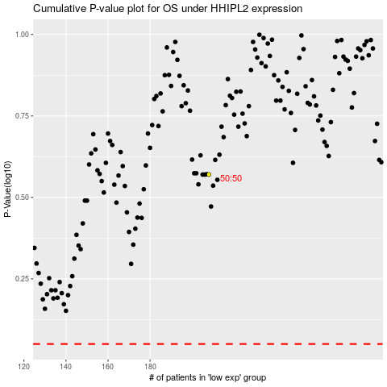

 |  |  |  |  |  | cases_OS | p_OS | rank | exp
 |  |  |  |  |  |  | cases_RFS | p_RFS | rank | exp

