HHLA2 _multivariate
Reported by Tex Li-Hsing Chi. tex@gate.sinica.edu.tw 2019-08-19

Table 2. The clinicopathological features of HNSCC cohort and HHLA2 expression. (Chi square test)
Cutoff at -0.165 (49.8%)
 |  | HHLA2 expression |  | HHLA2 expression |  | (Optimised)
 | Features | Low | (%) | High | (%) | Case no | P-value | Remark | Matthews
Gender | Female | 149 | 35.9 | 157 | 37.8 | 415 | 0.4848 | 0 | 0
2 | Male | 58 | 14 | 51 | 12.3
Age at diagnosis | <=65y | 144 | 34.7 | 130 | 31.3 | 415 | 0.1568 | 0 | 0
4 | >65y | 63 | 15.2 | 78 | 18.8
Clinical T Status | T1+T2 | 86 | 20.7 | 63 | 15.2 | 415 | 0.0221 | 1 | 0
6 | T3+T4 | 121 | 29.2 | 145 | 34.9
Clinical N Status | N0 | 104 | 25.1 | 112 | 27 | 415 | 0.5243 | 0 | 0
8 | N1-3 | 103 | 24.8 | 96 | 23.1
Clinical M Status | M0 | 206 | 49.6 | 206 | 49.6 | 415 | 1 | 0 | 0
10 | M1 | 1 | 0.2 | 2 | 0.5
Clinical Stage | Stage I+II | 58 | 14 | 44 | 10.6 | 415 | 0.131 | 0 | 0
12 | Stage III+IV | 149 | 35.9 | 164 | 39.5
Surgical Margin status | Negative | 164 | 39.5 | 154 | 37.1 | 415 | 0.2462 | 0 | 0
14 | Positive | 43 | 10.4 | 54 | 13
Tobacco Exposure | Low | 86 | 20.7 | 75 | 18.1 | 415 | 0.2687 | 0 | 0
16 | High | 121 | 29.2 | 133 | 32

Table 3. Univariate/Multivariate Cox's proportional hazards regression analyses on OS time of HHLA2 gene expression in HNSCC

 |  | Univariate |  |  |  | Multivariate
 | Features | HR | CI95%(L) | CI95%(H) | P-value | HR | CI95%(L) | CI95%(H) | P-value
1 | Female | 1 |  |  |  | 1
Gender | Male | 1.157 | 0.843 | 1.587 | 0.367 | 1.201 | 0.859 | 1.677 | 0.284
11 | <=65y | 1 |  |  |  | 1
Age at diagnosis | >65y | 1.329 | 0.99 | 1.784 | 0.058 | 1.399 | 1.028 | 1.904 | 0.033
12 | T1+T2 | 1 |  |  |  | 1
Clinical T Status | T3+T4 | 1.409 | 1.028 | 1.931 | 0.033 | 2.214 | 1.17 | 4.188 | 0.015
13 | N0 | 1 |  |  |  | 1
Clinical N Status | N1-3 | 1.185 | 0.89 | 1.577 | 0.246 | 1.231 | 0.862 | 1.76 | 0.254
14 | M0 | 1 |  |  |  | 1
Clinical M Status | M1 | 4.097 | 1.009 | 16.644 | 0.049 | 9.529 | 2.076 | 43.735 | 0.004
15 | Stage I+II | 1 |  |  |  | 1
Clinical Stage | Stage III+IV | 1.245 | 0.882 | 1.759 | 0.213 | 0.509 | 0.237 | 1.093 | 0.083
16 | Negative | 1 |  |  |  | 1
Surgical Margin status | Positive | 1.591 | 1.155 | 2.191 | 0.004 | 1.674 | 1.212 | 2.313 | 0.002
17 | Low | 1 |  |  |  | 1
Tobacco Exposure | High | 1.364 | 1.008 | 1.844 | 0.044 | 1.46 | 1.059 | 2.014 | 0.021
18 | Low | 1 |  |  |  | 1
RNAseq(z-score) | High | 1.021 | 0.766 | 1.359 | 0.889 | 0.942 | 0.702 | 1.263 | 0.689

Table 4. Univariate/Multivariate Cox's proportional hazards regression analyses on RFS time of HHLA2 gene expression in HNSCC

 |  | Univariate |  |  |  | Multivariate
 | Features | HR | CI95%(L) | CI95%(H) | P-value | HR | CI95%(L) | CI95%(H) | P-value
1 | Female | 1 |  |  |  | 1
Gender | Male | 1.157 | 0.843 | 1.587 | 0.367 | 1.201 | 0.859 | 1.677 | 0.284
11 | <=65y | 1 |  |  |  | 1
Age at diagnosis | >65y | 1.329 | 0.99 | 1.784 | 0.058 | 1.399 | 1.028 | 1.904 | 0.033
12 | T1+T2 | 1 |  |  |  | 1
Clinical T Status | T3+T4 | 1.409 | 1.028 | 1.931 | 0.033 | 2.214 | 1.17 | 4.188 | 0.015
13 | N0 | 1 |  |  |  | 1
Clinical N Status | N1-3 | 1.185 | 0.89 | 1.577 | 0.246 | 1.231 | 0.862 | 1.76 | 0.254
14 | M0 | 1 |  |  |  | 1
Clinical M Status | M1 | 4.097 | 1.009 | 16.644 | 0.049 | 9.529 | 2.076 | 43.735 | 0.004
15 | Stage I+II | 1 |  |  |  | 1
Clinical Stage | Stage III+IV | 1.245 | 0.882 | 1.759 | 0.213 | 0.509 | 0.237 | 1.093 | 0.083
16 | Negative | 1 |  |  |  | 1
Surgical Margin status | Positive | 1.591 | 1.155 | 2.191 | 0.004 | 1.674 | 1.212 | 2.313 | 0.002
17 | Low | 1 |  |  |  | 1
Tobacco Exposure | High | 1.364 | 1.008 | 1.844 | 0.044 | 1.46 | 1.059 | 2.014 | 0.021
18 | Low | 1 |  |  |  | 1
RNAseq(z-score) | High | 1.021 | 0.766 | 1.359 | 0.889 | 0.942 | 0.702 | 1.263 | 0.689

Kaplan-Meier survival estimate: Cutoff at -0.165 (49.8%)



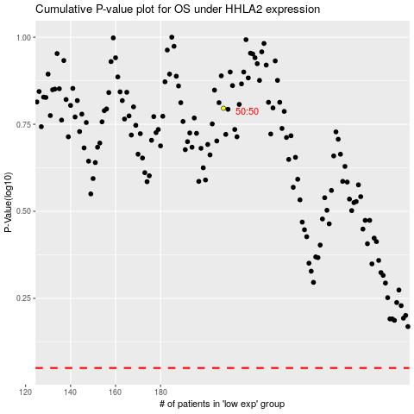

 |  |  |  |  |  | cases_OS | p_OS | rank | exp
 |  |  |  |  |  |  | cases_RFS | p_RFS | rank | exp

