HHLA3 _multivariate
Reported by Tex Li-Hsing Chi. tex@gate.sinica.edu.tw 2019-08-19

Table 2. The clinicopathological features of HNSCC cohort and HHLA3 expression. (Chi square test)
Cutoff at -0.267 (49.8%)
 |  | HHLA3 expression |  | HHLA3 expression |  | (Optimised)
 | Features | Low | (%) | High | (%) | Case no | P-value | Remark | Matthews
Gender | Female | 154 | 37.1 | 152 | 36.6 | 415 | 0.8463 | 0 | 0
2 | Male | 53 | 12.8 | 56 | 13.5
Age at diagnosis | <=65y | 130 | 31.3 | 144 | 34.7 | 415 | 0.2009 | 0 | 0
4 | >65y | 77 | 18.6 | 64 | 15.4
Clinical T Status | T1+T2 | 71 | 17.1 | 78 | 18.8 | 415 | 0.5638 | 0 | 0
6 | T3+T4 | 136 | 32.8 | 130 | 31.3
Clinical N Status | N0 | 116 | 28 | 100 | 24.1 | 415 | 0.1273 | 1 | 0
8 | N1-3 | 91 | 21.9 | 108 | 26
Clinical M Status | M0 | 206 | 49.6 | 206 | 49.6 | 415 | 1 | 0 | 0
10 | M1 | 1 | 0.2 | 2 | 0.5
Clinical Stage | Stage I+II | 52 | 12.5 | 50 | 12 | 415 | 0.8871 | 0 | 0
12 | Stage III+IV | 155 | 37.3 | 158 | 38.1
Surgical Margin status | Negative | 159 | 38.3 | 159 | 38.3 | 415 | 1 | 0 | 0
14 | Positive | 48 | 11.6 | 49 | 11.8
Tobacco Exposure | Low | 69 | 16.6 | 92 | 22.2 | 415 | 0.0266 | 1 | 0
16 | High | 138 | 33.3 | 116 | 28

Table 3. Univariate/Multivariate Cox's proportional hazards regression analyses on OS time of HHLA3 gene expression in HNSCC

 |  | Univariate |  |  |  | Multivariate
 | Features | HR | CI95%(L) | CI95%(H) | P-value | HR | CI95%(L) | CI95%(H) | P-value
1 | Female | 1 |  |  |  | 1
Gender | Male | 1.157 | 0.843 | 1.587 | 0.367 | 1.19 | 0.851 | 1.665 | 0.309
11 | <=65y | 1 |  |  |  | 1
Age at diagnosis | >65y | 1.329 | 0.99 | 1.784 | 0.058 | 1.396 | 1.027 | 1.897 | 0.033
12 | T1+T2 | 1 |  |  |  | 1
Clinical T Status | T3+T4 | 1.409 | 1.028 | 1.931 | 0.033 | 2.228 | 1.178 | 4.216 | 0.014
13 | N0 | 1 |  |  |  | 1
Clinical N Status | N1-3 | 1.185 | 0.89 | 1.577 | 0.246 | 1.23 | 0.861 | 1.756 | 0.255
14 | M0 | 1 |  |  |  | 1
Clinical M Status | M1 | 4.097 | 1.009 | 16.644 | 0.049 | 9.379 | 2.046 | 42.993 | 0.004
15 | Stage I+II | 1 |  |  |  | 1
Clinical Stage | Stage III+IV | 1.245 | 0.882 | 1.759 | 0.213 | 0.503 | 0.234 | 1.079 | 0.078
16 | Negative | 1 |  |  |  | 1
Surgical Margin status | Positive | 1.591 | 1.155 | 2.191 | 0.004 | 1.662 | 1.203 | 2.298 | 0.002
17 | Low | 1 |  |  |  | 1
Tobacco Exposure | High | 1.364 | 1.008 | 1.844 | 0.044 | 1.47 | 1.065 | 2.028 | 0.019
18 | Low | 1 |  |  |  | 1
RNAseq(z-score) | High | 1.079 | 0.808 | 1.441 | 0.606 | 1.116 | 0.832 | 1.498 | 0.463

Table 4. Univariate/Multivariate Cox's proportional hazards regression analyses on RFS time of HHLA3 gene expression in HNSCC

 |  | Univariate |  |  |  | Multivariate
 | Features | HR | CI95%(L) | CI95%(H) | P-value | HR | CI95%(L) | CI95%(H) | P-value
1 | Female | 1 |  |  |  | 1
Gender | Male | 1.157 | 0.843 | 1.587 | 0.367 | 1.19 | 0.851 | 1.665 | 0.309
11 | <=65y | 1 |  |  |  | 1
Age at diagnosis | >65y | 1.329 | 0.99 | 1.784 | 0.058 | 1.396 | 1.027 | 1.897 | 0.033
12 | T1+T2 | 1 |  |  |  | 1
Clinical T Status | T3+T4 | 1.409 | 1.028 | 1.931 | 0.033 | 2.228 | 1.178 | 4.216 | 0.014
13 | N0 | 1 |  |  |  | 1
Clinical N Status | N1-3 | 1.185 | 0.89 | 1.577 | 0.246 | 1.23 | 0.861 | 1.756 | 0.255
14 | M0 | 1 |  |  |  | 1
Clinical M Status | M1 | 4.097 | 1.009 | 16.644 | 0.049 | 9.379 | 2.046 | 42.993 | 0.004
15 | Stage I+II | 1 |  |  |  | 1
Clinical Stage | Stage III+IV | 1.245 | 0.882 | 1.759 | 0.213 | 0.503 | 0.234 | 1.079 | 0.078
16 | Negative | 1 |  |  |  | 1
Surgical Margin status | Positive | 1.591 | 1.155 | 2.191 | 0.004 | 1.662 | 1.203 | 2.298 | 0.002
17 | Low | 1 |  |  |  | 1
Tobacco Exposure | High | 1.364 | 1.008 | 1.844 | 0.044 | 1.47 | 1.065 | 2.028 | 0.019
18 | Low | 1 |  |  |  | 1
RNAseq(z-score) | High | 1.079 | 0.808 | 1.441 | 0.606 | 1.116 | 0.832 | 1.498 | 0.463

Kaplan-Meier survival estimate: Cutoff at -0.267 (49.8%)



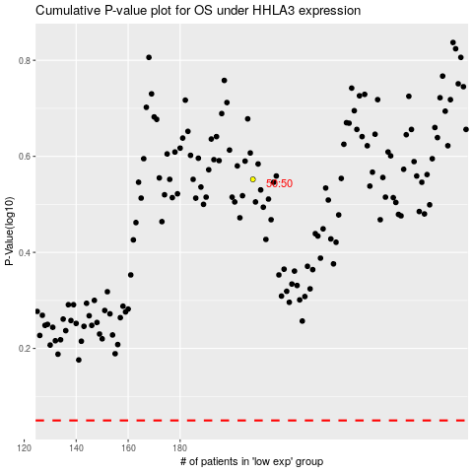

 |  |  |  |  |  | cases_OS | p_OS | rank | exp
 |  |  |  |  |  |  | cases_RFS | p_RFS | rank | exp

