HIATL2 _multivariate
Reported by Tex Li-Hsing Chi. tex@gate.sinica.edu.tw 2019-08-19

Table 2. The clinicopathological features of HNSCC cohort and HIATL2 expression. (Chi square test)
Cutoff at -0.212 (49.8%)
 |  | HIATL2 expression |  | HIATL2 expression |  | (Optimised)
 | Features | Low | (%) | High | (%) | Case no | P-value | Remark | Matthews
Gender | Female | 142 | 34.2 | 164 | 39.5 | 415 | 0.0238 | 1 | 0
2 | Male | 65 | 15.7 | 44 | 10.6
Age at diagnosis | <=65y | 133 | 32 | 141 | 34 | 415 | 0.5111 | 0 | 0
4 | >65y | 74 | 17.8 | 67 | 16.1
Clinical T Status | T1+T2 | 76 | 18.3 | 73 | 17.6 | 415 | 0.8092 | 0 | 0
6 | T3+T4 | 131 | 31.6 | 135 | 32.5
Clinical N Status | N0 | 112 | 27 | 104 | 25.1 | 415 | 0.4599 | 0 | 0
8 | N1-3 | 95 | 22.9 | 104 | 25.1
Clinical M Status | M0 | 206 | 49.6 | 206 | 49.6 | 415 | 1 | 0 | 0
10 | M1 | 1 | 0.2 | 2 | 0.5
Clinical Stage | Stage I+II | 57 | 13.7 | 45 | 10.8 | 415 | 0.1998 | 0 | 0
12 | Stage III+IV | 150 | 36.1 | 163 | 39.3
Surgical Margin status | Negative | 172 | 41.4 | 146 | 35.2 | 415 | 0.0025 | 1 | 0
14 | Positive | 35 | 8.4 | 62 | 14.9
Tobacco Exposure | Low | 78 | 18.8 | 83 | 20 | 415 | 0.6873 | 0 | 0
16 | High | 129 | 31.1 | 125 | 30.1

Table 3. Univariate/Multivariate Cox's proportional hazards regression analyses on OS time of HIATL2 gene expression in HNSCC

 |  | Univariate |  |  |  | Multivariate
 | Features | HR | CI95%(L) | CI95%(H) | P-value | HR | CI95%(L) | CI95%(H) | P-value
1 | Female | 1 |  |  |  | 1
Gender | Male | 1.157 | 0.843 | 1.587 | 0.367 | 1.232 | 0.879 | 1.728 | 0.227
11 | <=65y | 1 |  |  |  | 1
Age at diagnosis | >65y | 1.329 | 0.99 | 1.784 | 0.058 | 1.377 | 1.013 | 1.873 | 0.041
12 | T1+T2 | 1 |  |  |  | 1
Clinical T Status | T3+T4 | 1.409 | 1.028 | 1.931 | 0.033 | 2.237 | 1.182 | 4.233 | 0.013
13 | N0 | 1 |  |  |  | 1
Clinical N Status | N1-3 | 1.185 | 0.89 | 1.577 | 0.246 | 1.243 | 0.871 | 1.774 | 0.23
14 | M0 | 1 |  |  |  | 1
Clinical M Status | M1 | 4.097 | 1.009 | 16.644 | 0.049 | 9.508 | 2.073 | 43.609 | 0.004
15 | Stage I+II | 1 |  |  |  | 1
Clinical Stage | Stage III+IV | 1.245 | 0.882 | 1.759 | 0.213 | 0.489 | 0.227 | 1.051 | 0.067
16 | Negative | 1 |  |  |  | 1
Surgical Margin status | Positive | 1.591 | 1.155 | 2.191 | 0.004 | 1.651 | 1.193 | 2.285 | 0.002
17 | Low | 1 |  |  |  | 1
Tobacco Exposure | High | 1.364 | 1.008 | 1.844 | 0.044 | 1.48 | 1.072 | 2.045 | 0.017
18 | Low | 1 |  |  |  | 1
RNAseq(z-score) | High | 1.124 | 0.844 | 1.497 | 0.425 | 1.166 | 0.869 | 1.564 | 0.307

Table 4. Univariate/Multivariate Cox's proportional hazards regression analyses on RFS time of HIATL2 gene expression in HNSCC

 |  | Univariate |  |  |  | Multivariate
 | Features | HR | CI95%(L) | CI95%(H) | P-value | HR | CI95%(L) | CI95%(H) | P-value
1 | Female | 1 |  |  |  | 1
Gender | Male | 1.157 | 0.843 | 1.587 | 0.367 | 1.232 | 0.879 | 1.728 | 0.227
11 | <=65y | 1 |  |  |  | 1
Age at diagnosis | >65y | 1.329 | 0.99 | 1.784 | 0.058 | 1.377 | 1.013 | 1.873 | 0.041
12 | T1+T2 | 1 |  |  |  | 1
Clinical T Status | T3+T4 | 1.409 | 1.028 | 1.931 | 0.033 | 2.237 | 1.182 | 4.233 | 0.013
13 | N0 | 1 |  |  |  | 1
Clinical N Status | N1-3 | 1.185 | 0.89 | 1.577 | 0.246 | 1.243 | 0.871 | 1.774 | 0.23
14 | M0 | 1 |  |  |  | 1
Clinical M Status | M1 | 4.097 | 1.009 | 16.644 | 0.049 | 9.508 | 2.073 | 43.609 | 0.004
15 | Stage I+II | 1 |  |  |  | 1
Clinical Stage | Stage III+IV | 1.245 | 0.882 | 1.759 | 0.213 | 0.489 | 0.227 | 1.051 | 0.067
16 | Negative | 1 |  |  |  | 1
Surgical Margin status | Positive | 1.591 | 1.155 | 2.191 | 0.004 | 1.651 | 1.193 | 2.285 | 0.002
17 | Low | 1 |  |  |  | 1
Tobacco Exposure | High | 1.364 | 1.008 | 1.844 | 0.044 | 1.48 | 1.072 | 2.045 | 0.017
18 | Low | 1 |  |  |  | 1
RNAseq(z-score) | High | 1.124 | 0.844 | 1.497 | 0.425 | 1.166 | 0.869 | 1.564 | 0.307

Kaplan-Meier survival estimate: Cutoff at -0.212 (49.8%)



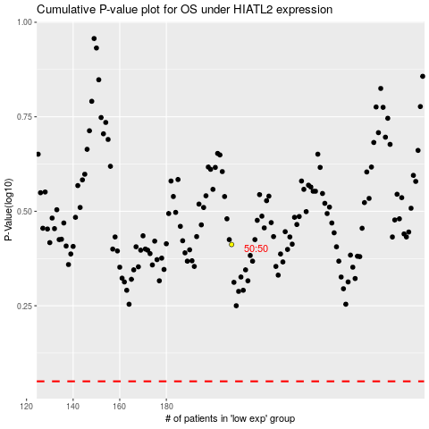

 |  |  |  |  |  | cases_OS | p_OS | rank | exp
 |  |  |  |  |  |  | cases_RFS | p_RFS | rank | exp

