HIF1AN _multivariate
Reported by Tex Li-Hsing Chi. tex@gate.sinica.edu.tw 2019-08-19

Table 2. The clinicopathological features of HNSCC cohort and HIF1AN expression. (Chi square test)
Cutoff at -0.22 (49.8%)
 |  | HIF1AN expression |  | HIF1AN expression |  | (Optimised)
 | Features | Low | (%) | High | (%) | Case no | P-value | Remark | Matthews
Gender | Female | 139 | 33.5 | 167 | 40.2 | 415 | 0.0034 | 1 | 0
2 | Male | 68 | 16.4 | 41 | 9.9
Age at diagnosis | <=65y | 127 | 30.6 | 147 | 35.4 | 415 | 0.0573 | 0 | 0
4 | >65y | 80 | 19.3 | 61 | 14.7
Clinical T Status | T1+T2 | 61 | 14.7 | 88 | 21.2 | 415 | 0.0087 | 1 | 0
6 | T3+T4 | 146 | 35.2 | 120 | 28.9
Clinical N Status | N0 | 108 | 26 | 108 | 26 | 415 | 1 | 0 | 0
8 | N1-3 | 99 | 23.9 | 100 | 24.1
Clinical M Status | M0 | 207 | 49.9 | 205 | 49.4 | 415 | 0.2482 | 0 | 0
10 | M1 | 0 | 0 | 3 | 0.7
Clinical Stage | Stage I+II | 44 | 10.6 | 58 | 14 | 415 | 0.1459 | 0 | 0
12 | Stage III+IV | 163 | 39.3 | 150 | 36.1
Surgical Margin status | Negative | 157 | 37.8 | 161 | 38.8 | 415 | 0.729 | 0 | 0
14 | Positive | 50 | 12 | 47 | 11.3
Tobacco Exposure | Low | 76 | 18.3 | 85 | 20.5 | 415 | 0.4207 | 0 | 0
16 | High | 131 | 31.6 | 123 | 29.6

Table 3. Univariate/Multivariate Cox's proportional hazards regression analyses on OS time of HIF1AN gene expression in HNSCC

 |  | Univariate |  |  |  | Multivariate
 | Features | HR | CI95%(L) | CI95%(H) | P-value | HR | CI95%(L) | CI95%(H) | P-value
1 | Female | 1 |  |  |  | 1
Gender | Male | 1.157 | 0.843 | 1.587 | 0.367 | 1.245 | 0.886 | 1.748 | 0.207
11 | <=65y | 1 |  |  |  | 1
Age at diagnosis | >65y | 1.329 | 0.99 | 1.784 | 0.058 | 1.398 | 1.028 | 1.902 | 0.033
12 | T1+T2 | 1 |  |  |  | 1
Clinical T Status | T3+T4 | 1.409 | 1.028 | 1.931 | 0.033 | 2.269 | 1.197 | 4.3 | 0.012
13 | N0 | 1 |  |  |  | 1
Clinical N Status | N1-3 | 1.185 | 0.89 | 1.577 | 0.246 | 1.234 | 0.864 | 1.761 | 0.247
14 | M0 | 1 |  |  |  | 1
Clinical M Status | M1 | 4.097 | 1.009 | 16.644 | 0.049 | 8.978 | 1.954 | 41.246 | 0.005
15 | Stage I+II | 1 |  |  |  | 1
Clinical Stage | Stage III+IV | 1.245 | 0.882 | 1.759 | 0.213 | 0.499 | 0.232 | 1.072 | 0.075
16 | Negative | 1 |  |  |  | 1
Surgical Margin status | Positive | 1.591 | 1.155 | 2.191 | 0.004 | 1.694 | 1.224 | 2.342 | 0.001
17 | Low | 1 |  |  |  | 1
Tobacco Exposure | High | 1.364 | 1.008 | 1.844 | 0.044 | 1.474 | 1.069 | 2.033 | 0.018
18 | Low | 1 |  |  |  | 1
RNAseq(z-score) | High | 1.056 | 0.792 | 1.408 | 0.709 | 1.187 | 0.881 | 1.599 | 0.26

Table 4. Univariate/Multivariate Cox's proportional hazards regression analyses on RFS time of HIF1AN gene expression in HNSCC

 |  | Univariate |  |  |  | Multivariate
 | Features | HR | CI95%(L) | CI95%(H) | P-value | HR | CI95%(L) | CI95%(H) | P-value
1 | Female | 1 |  |  |  | 1
Gender | Male | 1.157 | 0.843 | 1.587 | 0.367 | 1.245 | 0.886 | 1.748 | 0.207
11 | <=65y | 1 |  |  |  | 1
Age at diagnosis | >65y | 1.329 | 0.99 | 1.784 | 0.058 | 1.398 | 1.028 | 1.902 | 0.033
12 | T1+T2 | 1 |  |  |  | 1
Clinical T Status | T3+T4 | 1.409 | 1.028 | 1.931 | 0.033 | 2.269 | 1.197 | 4.3 | 0.012
13 | N0 | 1 |  |  |  | 1
Clinical N Status | N1-3 | 1.185 | 0.89 | 1.577 | 0.246 | 1.234 | 0.864 | 1.761 | 0.247
14 | M0 | 1 |  |  |  | 1
Clinical M Status | M1 | 4.097 | 1.009 | 16.644 | 0.049 | 8.978 | 1.954 | 41.246 | 0.005
15 | Stage I+II | 1 |  |  |  | 1
Clinical Stage | Stage III+IV | 1.245 | 0.882 | 1.759 | 0.213 | 0.499 | 0.232 | 1.072 | 0.075
16 | Negative | 1 |  |  |  | 1
Surgical Margin status | Positive | 1.591 | 1.155 | 2.191 | 0.004 | 1.694 | 1.224 | 2.342 | 0.001
17 | Low | 1 |  |  |  | 1
Tobacco Exposure | High | 1.364 | 1.008 | 1.844 | 0.044 | 1.474 | 1.069 | 2.033 | 0.018
18 | Low | 1 |  |  |  | 1
RNAseq(z-score) | High | 1.056 | 0.792 | 1.408 | 0.709 | 1.187 | 0.881 | 1.599 | 0.26

Kaplan-Meier survival estimate: Cutoff at -0.22 (49.8%)

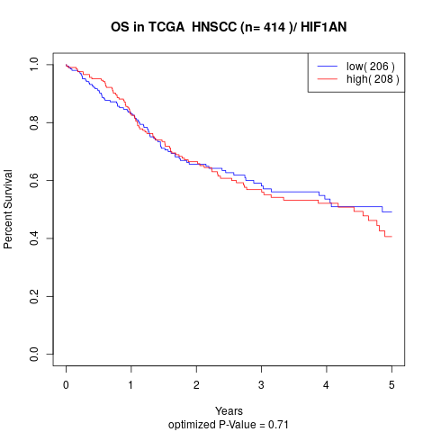

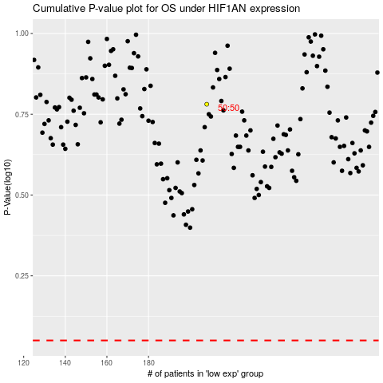

 |  |  |  |  |  | cases_OS | p_OS | rank | exp
 |  |  |  |  |  |  | cases_RFS | p_RFS | rank | exp

