HIF3A _multivariate
Reported by Tex Li-Hsing Chi. tex@gate.sinica.edu.tw 2019-08-19

Table 2. The clinicopathological features of HNSCC cohort and HIF3A expression. (Chi square test)
Cutoff at -0.189 (49.8%)
 |  | HIF3A expression |  | HIF3A expression |  | (Optimised)
 | Features | Low | (%) | High | (%) | Case no | P-value | Remark | Matthews
Gender | Female | 143 | 34.5 | 163 | 39.3 | 415 | 0.0416 | 1 | 0
2 | Male | 64 | 15.4 | 45 | 10.8
Age at diagnosis | <=65y | 135 | 32.5 | 139 | 33.5 | 415 | 0.8084 | 0 | 0
4 | >65y | 72 | 17.3 | 69 | 16.6
Clinical T Status | T1+T2 | 72 | 17.3 | 77 | 18.6 | 415 | 0.7095 | 0 | 0
6 | T3+T4 | 135 | 32.5 | 131 | 31.6
Clinical N Status | N0 | 103 | 24.8 | 113 | 27.2 | 415 | 0.4047 | 0 | 0
8 | N1-3 | 104 | 25.1 | 95 | 22.9
Clinical M Status | M0 | 204 | 49.2 | 208 | 50.1 | 415 | 0.1232 | 0 | 0
10 | M1 | 3 | 0.7 | 0 | 0
Clinical Stage | Stage I+II | 53 | 12.8 | 49 | 11.8 | 415 | 0.7113 | 0 | 0
12 | Stage III+IV | 154 | 37.1 | 159 | 38.3
Surgical Margin status | Negative | 156 | 37.6 | 162 | 39 | 415 | 0.5636 | 0 | 0
14 | Positive | 51 | 12.3 | 46 | 11.1
Tobacco Exposure | Low | 90 | 21.7 | 71 | 17.1 | 415 | 0.0559 | 0 | 0
16 | High | 117 | 28.2 | 137 | 33

Table 3. Univariate/Multivariate Cox's proportional hazards regression analyses on OS time of HIF3A gene expression in HNSCC

 |  | Univariate |  |  |  | Multivariate
 | Features | HR | CI95%(L) | CI95%(H) | P-value | HR | CI95%(L) | CI95%(H) | P-value
1 | Female | 1 |  |  |  | 1
Gender | Male | 1.157 | 0.843 | 1.587 | 0.367 | 1.207 | 0.862 | 1.689 | 0.273
11 | <=65y | 1 |  |  |  | 1
Age at diagnosis | >65y | 1.329 | 0.99 | 1.784 | 0.058 | 1.392 | 1.024 | 1.892 | 0.035
12 | T1+T2 | 1 |  |  |  | 1
Clinical T Status | T3+T4 | 1.409 | 1.028 | 1.931 | 0.033 | 2.218 | 1.17 | 4.204 | 0.015
13 | N0 | 1 |  |  |  | 1
Clinical N Status | N1-3 | 1.185 | 0.89 | 1.577 | 0.246 | 1.244 | 0.871 | 1.777 | 0.229
14 | M0 | 1 |  |  |  | 1
Clinical M Status | M1 | 4.097 | 1.009 | 16.644 | 0.049 | 9.649 | 2.076 | 44.858 | 0.004
15 | Stage I+II | 1 |  |  |  | 1
Clinical Stage | Stage III+IV | 1.245 | 0.882 | 1.759 | 0.213 | 0.499 | 0.231 | 1.077 | 0.076
16 | Negative | 1 |  |  |  | 1
Surgical Margin status | Positive | 1.591 | 1.155 | 2.191 | 0.004 | 1.674 | 1.211 | 2.313 | 0.002
17 | Low | 1 |  |  |  | 1
Tobacco Exposure | High | 1.364 | 1.008 | 1.844 | 0.044 | 1.447 | 1.048 | 1.997 | 0.025
18 | Low | 1 |  |  |  | 1
RNAseq(z-score) | High | 0.973 | 0.731 | 1.296 | 0.853 | 1.037 | 0.771 | 1.396 | 0.809

Table 4. Univariate/Multivariate Cox's proportional hazards regression analyses on RFS time of HIF3A gene expression in HNSCC

 |  | Univariate |  |  |  | Multivariate
 | Features | HR | CI95%(L) | CI95%(H) | P-value | HR | CI95%(L) | CI95%(H) | P-value
1 | Female | 1 |  |  |  | 1
Gender | Male | 1.157 | 0.843 | 1.587 | 0.367 | 1.207 | 0.862 | 1.689 | 0.273
11 | <=65y | 1 |  |  |  | 1
Age at diagnosis | >65y | 1.329 | 0.99 | 1.784 | 0.058 | 1.392 | 1.024 | 1.892 | 0.035
12 | T1+T2 | 1 |  |  |  | 1
Clinical T Status | T3+T4 | 1.409 | 1.028 | 1.931 | 0.033 | 2.218 | 1.17 | 4.204 | 0.015
13 | N0 | 1 |  |  |  | 1
Clinical N Status | N1-3 | 1.185 | 0.89 | 1.577 | 0.246 | 1.244 | 0.871 | 1.777 | 0.229
14 | M0 | 1 |  |  |  | 1
Clinical M Status | M1 | 4.097 | 1.009 | 16.644 | 0.049 | 9.649 | 2.076 | 44.858 | 0.004
15 | Stage I+II | 1 |  |  |  | 1
Clinical Stage | Stage III+IV | 1.245 | 0.882 | 1.759 | 0.213 | 0.499 | 0.231 | 1.077 | 0.076
16 | Negative | 1 |  |  |  | 1
Surgical Margin status | Positive | 1.591 | 1.155 | 2.191 | 0.004 | 1.674 | 1.211 | 2.313 | 0.002
17 | Low | 1 |  |  |  | 1
Tobacco Exposure | High | 1.364 | 1.008 | 1.844 | 0.044 | 1.447 | 1.048 | 1.997 | 0.025
18 | Low | 1 |  |  |  | 1
RNAseq(z-score) | High | 0.973 | 0.731 | 1.296 | 0.853 | 1.037 | 0.771 | 1.396 | 0.809

Kaplan-Meier survival estimate: Cutoff at -0.189 (49.8%)



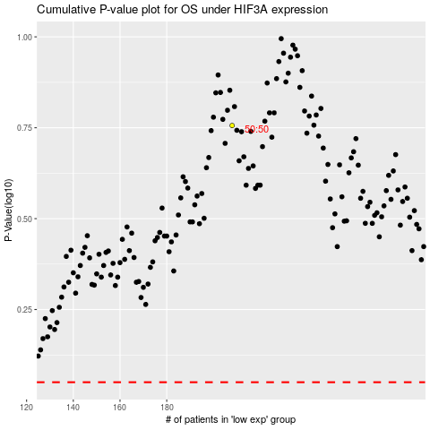

 |  |  |  |  |  | cases_OS | p_OS | rank | exp
 |  |  |  |  |  |  | cases_RFS | p_RFS | rank | exp

