HIP1R _multivariate
Reported by Tex Li-Hsing Chi. tex@gate.sinica.edu.tw 2019-08-19

Table 2. The clinicopathological features of HNSCC cohort and HIP1R expression. (Chi square test)
Cutoff at -0.307 (41.1%)
 |  | HIP1R expression |  | HIP1R expression |  | (Optimised)
 | Features | Low | (%) | High | (%) | Case no | P-value | Remark | Matthews
Gender | Female | 123 | 29.6 | 183 | 44.1 | 415 | 0.6749 | 0 | 0
2 | Male | 47 | 11.3 | 62 | 14.9
Age at diagnosis | <=65y | 113 | 27.2 | 161 | 38.8 | 415 | 0.9565 | 0 | 0
4 | >65y | 57 | 13.7 | 84 | 20.2
Clinical T Status | T1+T2 | 70 | 16.9 | 79 | 19 | 415 | 0.0782 | 0 | 0
6 | T3+T4 | 100 | 24.1 | 166 | 40
Clinical N Status | N0 | 88 | 21.2 | 128 | 30.8 | 415 | 1 | 0 | 0
8 | N1-3 | 82 | 19.8 | 117 | 28.2
Clinical M Status | M0 | 170 | 41 | 242 | 58.3 | 415 | 0.2727 | 0 | 0
10 | M1 | 0 | 0 | 3 | 0.7
Clinical Stage | Stage I+II | 49 | 11.8 | 53 | 12.8 | 415 | 0.1194 | 0 | 0
12 | Stage III+IV | 121 | 29.2 | 192 | 46.3
Surgical Margin status | Negative | 135 | 32.5 | 183 | 44.1 | 415 | 0.2896 | 0 | 0
14 | Positive | 35 | 8.4 | 62 | 14.9
Tobacco Exposure | Low | 61 | 14.7 | 100 | 24.1 | 415 | 0.3567 | 0 | 0
16 | High | 109 | 26.3 | 145 | 34.9

Table 3. Univariate/Multivariate Cox's proportional hazards regression analyses on OS time of HIP1R gene expression in HNSCC

 |  | Univariate |  |  |  | Multivariate
 | Features | HR | CI95%(L) | CI95%(H) | P-value | HR | CI95%(L) | CI95%(H) | P-value
1 | Female | 1 |  |  |  | 1
Gender | Male | 1.157 | 0.843 | 1.587 | 0.367 | 1.2 | 0.859 | 1.676 | 0.284
11 | <=65y | 1 |  |  |  | 1
Age at diagnosis | >65y | 1.329 | 0.99 | 1.784 | 0.058 | 1.387 | 1.02 | 1.885 | 0.037
12 | T1+T2 | 1 |  |  |  | 1
Clinical T Status | T3+T4 | 1.409 | 1.028 | 1.931 | 0.033 | 2.199 | 1.163 | 4.155 | 0.015
13 | N0 | 1 |  |  |  | 1
Clinical N Status | N1-3 | 1.185 | 0.89 | 1.577 | 0.246 | 1.209 | 0.846 | 1.727 | 0.298
14 | M0 | 1 |  |  |  | 1
Clinical M Status | M1 | 4.097 | 1.009 | 16.644 | 0.049 | 11.047 | 2.395 | 50.945 | 0.002
15 | Stage I+II | 1 |  |  |  | 1
Clinical Stage | Stage III+IV | 1.245 | 0.882 | 1.759 | 0.213 | 0.519 | 0.242 | 1.114 | 0.092
16 | Negative | 1 |  |  |  | 1
Surgical Margin status | Positive | 1.591 | 1.155 | 2.191 | 0.004 | 1.683 | 1.219 | 2.325 | 0.002
17 | Low | 1 |  |  |  | 1
Tobacco Exposure | High | 1.364 | 1.008 | 1.844 | 0.044 | 1.393 | 1.01 | 1.922 | 0.043
18 | Low | 1 |  |  |  | 1
RNAseq(z-score) | High | 0.71 | 0.532 | 0.948 | 0.02 | 0.704 | 0.525 | 0.943 | 0.019

Table 4. Univariate/Multivariate Cox's proportional hazards regression analyses on RFS time of HIP1R gene expression in HNSCC

 |  | Univariate |  |  |  | Multivariate
 | Features | HR | CI95%(L) | CI95%(H) | P-value | HR | CI95%(L) | CI95%(H) | P-value
1 | Female | 1 |  |  |  | 1
Gender | Male | 1.157 | 0.843 | 1.587 | 0.367 | 1.2 | 0.859 | 1.676 | 0.284
11 | <=65y | 1 |  |  |  | 1
Age at diagnosis | >65y | 1.329 | 0.99 | 1.784 | 0.058 | 1.387 | 1.02 | 1.885 | 0.037
12 | T1+T2 | 1 |  |  |  | 1
Clinical T Status | T3+T4 | 1.409 | 1.028 | 1.931 | 0.033 | 2.199 | 1.163 | 4.155 | 0.015
13 | N0 | 1 |  |  |  | 1
Clinical N Status | N1-3 | 1.185 | 0.89 | 1.577 | 0.246 | 1.209 | 0.846 | 1.727 | 0.298
14 | M0 | 1 |  |  |  | 1
Clinical M Status | M1 | 4.097 | 1.009 | 16.644 | 0.049 | 11.047 | 2.395 | 50.945 | 0.002
15 | Stage I+II | 1 |  |  |  | 1
Clinical Stage | Stage III+IV | 1.245 | 0.882 | 1.759 | 0.213 | 0.519 | 0.242 | 1.114 | 0.092
16 | Negative | 1 |  |  |  | 1
Surgical Margin status | Positive | 1.591 | 1.155 | 2.191 | 0.004 | 1.683 | 1.219 | 2.325 | 0.002
17 | Low | 1 |  |  |  | 1
Tobacco Exposure | High | 1.364 | 1.008 | 1.844 | 0.044 | 1.393 | 1.01 | 1.922 | 0.043
18 | Low | 1 |  |  |  | 1
RNAseq(z-score) | High | 0.71 | 0.532 | 0.948 | 0.02 | 0.704 | 0.525 | 0.943 | 0.019

Kaplan-Meier survival estimate: Cutoff at -0.307 (41.1%)

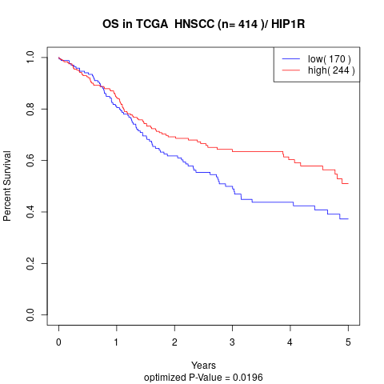

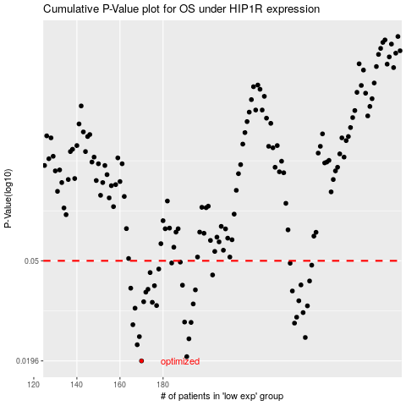

 |  |  |  |  |  | cases_OS | p_OS | rank | exp
 |  |  |  |  |  | 170 | 0.0196 | 205 | -0.307370992
 |  |  |  |  |  | 191 | 0.0204 | 102 | -0.20057982516
 |  |  |  |  |  | 168 | 0.0228 | 144 | -0.31217437155
 |  |  |  |  |  | 192 | 0.0241 | 330 | -0.19878443825
 |  |  |  |  |  | 246 | 0.0244 | 140 | 0.014006049661
 |  |  |  |  |  | 169 | 0.0246 | 265 | -0.30960957733
 |  |  |  |  |  | 166 | 0.0275 | 103 | -0.31362590829
 |  |  |  |  |  | 241 | 0.0279 | 81 | -0.018216208842
 |  |  |  |  |  | 193 | 0.0281 | 337 | -0.19813000874
 |  |  |  |  |  | 190 | 0.0282 | 38 | -0.21375399112
 |  |  |  |  |  | 242 | 0.0295 | 156 | -0.0037008415089
 |  |  |  |  |  | 245 | 0.0308 | 202 | 0.011971886509
 |  |  |  |  |  | 167 | 0.0321 | 64 | -0.31326286936
 |  |  |  |  |  | 247 | 0.0328 | 105 | 0.014653979757
 |  |  |  |  |  | 177 | 0.0329 | 110 | -0.28509516458
 |  |  |  |  |  | 194 | 0.0334 | 354 | -0.19749136352
 |  |  |  |  |  | 175 | 0.0339 | 320 | -0.29134017699
 |  |  |  |  |  | 171 | 0.0341 | 343 | -0.3068782742
 |  |  |  |  |  | 243 | 0.0344 | 305 | -0.00024732921922
 |  |  |  |  |  | 172 | 0.0373 | 173 | -0.29532757006
 |  |  |  |  |  | 240 | 0.0377 | 97 | -0.018660645249
 |  |  |  |  |  | 195 | 0.0381 | 120 | -0.19156915555
 |  |  |  |  |  | 173 | 0.0383 | 33 | -0.29366990892
 |  |  |  |  |  | 165 | 0.0387 | 389 | -0.31948327683
 |  |  |  |  |  | 176 | 0.0396 | 209 | -0.28929286026
 |  |  |  |  |  | 189 | 0.0398 | 201 | -0.22039763451
 |  |  |  |  |  | 244 | 0.0399 | 237 | 0.00098013233391
 |  |  |  |  |  | 248 | 0.0414 | 317 | 0.017111378832
 |  |  |  |  |  | 203 | 0.0438 | 75 | -0.16957466009
 |  |  |  |  |  | 174 | 0.0448 | 372 | -0.29323785236
 |  |  |  |  |  | 178 | 0.0463 | 73 | -0.2779060343
 |  |  |  |  |  | 249 | 0.048 | 195 | 0.025497175802
 |  |  |  |  |  | 239 | 0.0489 | 284 | -0.021691076363
 |  |  |  |  |  | 184 | 0.049 | 310 | -0.24394053899
 |  |  |  |  |  | 188 | 0.0494 | 161 | -0.22062387616
 |  |  |  |  |  |  | cases_RFS | p_RFS | rank | exp
 |  |  |  |  |  |  | 169 | 0.0196 | 265 | -0.30960957733
 |  |  |  |  |  |  | 190 | 0.0204 | 38 | -0.21375399112
 |  |  |  |  |  |  | 167 | 0.0228 | 64 | -0.31326286936
 |  |  |  |  |  |  | 191 | 0.0241 | 102 | -0.20057982516
 |  |  |  |  |  |  | 245 | 0.0244 | 202 | 0.011971886509
 |  |  |  |  |  |  | 168 | 0.0246 | 144 | -0.31217437155
 |  |  |  |  |  |  | 165 | 0.0275 | 389 | -0.31948327683
 |  |  |  |  |  |  | 240 | 0.0279 | 97 | -0.018660645249
 |  |  |  |  |  |  | 192 | 0.0281 | 330 | -0.19878443825
 |  |  |  |  |  |  | 189 | 0.0282 | 201 | -0.22039763451
 |  |  |  |  |  |  | 241 | 0.0295 | 81 | -0.018216208842
 |  |  |  |  |  |  | 244 | 0.0308 | 237 | 0.00098013233391
 |  |  |  |  |  |  | 166 | 0.0321 | 103 | -0.31362590829
 |  |  |  |  |  |  | 246 | 0.0328 | 140 | 0.014006049661
 |  |  |  |  |  |  | 176 | 0.0329 | 209 | -0.28929286026
 |  |  |  |  |  |  | 193 | 0.0334 | 337 | -0.19813000874
 |  |  |  |  |  |  | 174 | 0.0339 | 372 | -0.29323785236
 |  |  |  |  |  |  | 170 | 0.0341 | 205 | -0.307370992
 |  |  |  |  |  |  | 242 | 0.0344 | 156 | -0.0037008415089
 |  |  |  |  |  |  | 171 | 0.0373 | 343 | -0.3068782742
 |  |  |  |  |  |  | 239 | 0.0377 | 284 | -0.021691076363
 |  |  |  |  |  |  | 194 | 0.0381 | 354 | -0.19749136352
 |  |  |  |  |  |  | 172 | 0.0383 | 173 | -0.29532757006
 |  |  |  |  |  |  | 164 | 0.0387 | 227 | -0.32625489686
 |  |  |  |  |  |  | 175 | 0.0396 | 320 | -0.29134017699
 |  |  |  |  |  |  | 188 | 0.0398 | 161 | -0.22062387616
 |  |  |  |  |  |  | 243 | 0.0399 | 305 | -0.00024732921922
 |  |  |  |  |  |  | 247 | 0.0414 | 105 | 0.014653979757
 |  |  |  |  |  |  | 202 | 0.0438 | 43 | -0.17354472138
 |  |  |  |  |  |  | 173 | 0.0448 | 33 | -0.29366990892
 |  |  |  |  |  |  | 177 | 0.0463 | 110 | -0.28509516458
 |  |  |  |  |  |  | 248 | 0.048 | 317 | 0.017111378832
 |  |  |  |  |  |  | 238 | 0.0489 | 289 | -0.022067423627
 |  |  |  |  |  |  | 183 | 0.049 | 413 | -0.24669103087
 |  |  |  |  |  |  | 187 | 0.0494 | 285 | -0.22458341459

