HIPK1 _multivariate
Reported by Tex Li-Hsing Chi. tex@gate.sinica.edu.tw 2019-08-19

Table 2. The clinicopathological features of HNSCC cohort and HIPK1 expression. (Chi square test)
Cutoff at -0.13 (50.0%)
 |  | HIPK1 expression |  | HIPK1 expression |  | (Optimised)
 | Features | Low | (%) | High | (%) | Case no | P-value | Remark | Matthews
Gender | Female | 152 | 36.6 | 154 | 37.1 | 415 | 0.9766 | 0 | 0
2 | Male | 55 | 13.3 | 54 | 13
Age at diagnosis | <=65y | 134 | 32.3 | 140 | 33.7 | 415 | 0.6529 | 0 | 0
4 | >65y | 73 | 17.6 | 68 | 16.4
Clinical T Status | T1+T2 | 71 | 17.1 | 78 | 18.8 | 415 | 0.5638 | 0 | 0
6 | T3+T4 | 136 | 32.8 | 130 | 31.3
Clinical N Status | N0 | 113 | 27.2 | 103 | 24.8 | 415 | 0.3495 | 1 | 0
8 | N1-3 | 94 | 22.7 | 105 | 25.3
Clinical M Status | M0 | 204 | 49.2 | 208 | 50.1 | 415 | 0.1232 | 0 | 0
10 | M1 | 3 | 0.7 | 0 | 0
Clinical Stage | Stage I+II | 54 | 13 | 48 | 11.6 | 415 | 0.5498 | 0 | 0
12 | Stage III+IV | 153 | 36.9 | 160 | 38.6
Surgical Margin status | Negative | 158 | 38.1 | 160 | 38.6 | 415 | 0.9081 | 0 | 0
14 | Positive | 49 | 11.8 | 48 | 11.6
Tobacco Exposure | Low | 79 | 19 | 82 | 19.8 | 415 | 0.8405 | 0 | 0
16 | High | 128 | 30.8 | 126 | 30.4

Table 3. Univariate/Multivariate Cox's proportional hazards regression analyses on OS time of HIPK1 gene expression in HNSCC

 |  | Univariate |  |  |  | Multivariate
 | Features | HR | CI95%(L) | CI95%(H) | P-value | HR | CI95%(L) | CI95%(H) | P-value
1 | Female | 1 |  |  |  | 1
Gender | Male | 1.157 | 0.843 | 1.587 | 0.367 | 1.196 | 0.855 | 1.673 | 0.295
11 | <=65y | 1 |  |  |  | 1
Age at diagnosis | >65y | 1.329 | 0.99 | 1.784 | 0.058 | 1.394 | 1.026 | 1.895 | 0.034
12 | T1+T2 | 1 |  |  |  | 1
Clinical T Status | T3+T4 | 1.409 | 1.028 | 1.931 | 0.033 | 2.174 | 1.147 | 4.124 | 0.017
13 | N0 | 1 |  |  |  | 1
Clinical N Status | N1-3 | 1.185 | 0.89 | 1.577 | 0.246 | 1.238 | 0.868 | 1.767 | 0.239
14 | M0 | 1 |  |  |  | 1
Clinical M Status | M1 | 4.097 | 1.009 | 16.644 | 0.049 | 9.013 | 1.94 | 41.879 | 0.005
15 | Stage I+II | 1 |  |  |  | 1
Clinical Stage | Stage III+IV | 1.245 | 0.882 | 1.759 | 0.213 | 0.513 | 0.238 | 1.107 | 0.089
16 | Negative | 1 |  |  |  | 1
Surgical Margin status | Positive | 1.591 | 1.155 | 2.191 | 0.004 | 1.667 | 1.206 | 2.304 | 0.002
17 | Low | 1 |  |  |  | 1
Tobacco Exposure | High | 1.364 | 1.008 | 1.844 | 0.044 | 1.45 | 1.052 | 1.998 | 0.023
18 | Low | 1 |  |  |  | 1
RNAseq(z-score) | High | 0.871 | 0.654 | 1.16 | 0.346 | 0.941 | 0.704 | 1.259 | 0.683

Table 4. Univariate/Multivariate Cox's proportional hazards regression analyses on RFS time of HIPK1 gene expression in HNSCC

 |  | Univariate |  |  |  | Multivariate
 | Features | HR | CI95%(L) | CI95%(H) | P-value | HR | CI95%(L) | CI95%(H) | P-value
1 | Female | 1 |  |  |  | 1
Gender | Male | 1.157 | 0.843 | 1.587 | 0.367 | 1.196 | 0.855 | 1.673 | 0.295
11 | <=65y | 1 |  |  |  | 1
Age at diagnosis | >65y | 1.329 | 0.99 | 1.784 | 0.058 | 1.394 | 1.026 | 1.895 | 0.034
12 | T1+T2 | 1 |  |  |  | 1
Clinical T Status | T3+T4 | 1.409 | 1.028 | 1.931 | 0.033 | 2.174 | 1.147 | 4.124 | 0.017
13 | N0 | 1 |  |  |  | 1
Clinical N Status | N1-3 | 1.185 | 0.89 | 1.577 | 0.246 | 1.238 | 0.868 | 1.767 | 0.239
14 | M0 | 1 |  |  |  | 1
Clinical M Status | M1 | 4.097 | 1.009 | 16.644 | 0.049 | 9.013 | 1.94 | 41.879 | 0.005
15 | Stage I+II | 1 |  |  |  | 1
Clinical Stage | Stage III+IV | 1.245 | 0.882 | 1.759 | 0.213 | 0.513 | 0.238 | 1.107 | 0.089
16 | Negative | 1 |  |  |  | 1
Surgical Margin status | Positive | 1.591 | 1.155 | 2.191 | 0.004 | 1.667 | 1.206 | 2.304 | 0.002
17 | Low | 1 |  |  |  | 1
Tobacco Exposure | High | 1.364 | 1.008 | 1.844 | 0.044 | 1.45 | 1.052 | 1.998 | 0.023
18 | Low | 1 |  |  |  | 1
RNAseq(z-score) | High | 0.871 | 0.654 | 1.16 | 0.346 | 0.941 | 0.704 | 1.259 | 0.683

Kaplan-Meier survival estimate: Cutoff at -0.13 (50.0%)



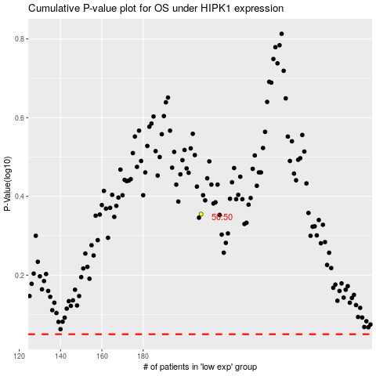

 |  |  |  |  |  | cases_OS | p_OS | rank | exp
 |  |  |  |  |  |  | cases_RFS | p_RFS | rank | exp

