HIPK4 _multivariate
Reported by Tex Li-Hsing Chi. tex@gate.sinica.edu.tw 2019-08-19

Table 2. The clinicopathological features of HNSCC cohort and HIPK4 expression. (Chi square test)
Cutoff at -0.244 (49.8%)
 |  | HIPK4 expression |  | HIPK4 expression |  | (Optimised)
 | Features | Low | (%) | High | (%) | Case no | P-value | Remark | Matthews
Gender | Female | 141 | 34 | 165 | 39.8 | 415 | 0.013 | 1 | 0
2 | Male | 66 | 15.9 | 43 | 10.4
Age at diagnosis | <=65y | 139 | 33.5 | 135 | 32.5 | 415 | 0.7044 | 0 | 0
4 | >65y | 68 | 16.4 | 73 | 17.6
Clinical T Status | T1+T2 | 74 | 17.8 | 75 | 18.1 | 415 | 1 | 0 | 0
6 | T3+T4 | 133 | 32 | 133 | 32
Clinical N Status | N0 | 108 | 26 | 108 | 26 | 415 | 1 | 0 | 0
8 | N1-3 | 99 | 23.9 | 100 | 24.1
Clinical M Status | M0 | 205 | 49.4 | 207 | 49.9 | 415 | 0.6232 | 0 | 0
10 | M1 | 2 | 0.5 | 1 | 0.2
Clinical Stage | Stage I+II | 50 | 12 | 52 | 12.5 | 415 | 0.9315 | 0 | 0
12 | Stage III+IV | 157 | 37.8 | 156 | 37.6
Surgical Margin status | Negative | 164 | 39.5 | 154 | 37.1 | 415 | 0.2462 | 0 | 0
14 | Positive | 43 | 10.4 | 54 | 13
Tobacco Exposure | Low | 75 | 18.1 | 86 | 20.7 | 415 | 0.3141 | 0 | 0
16 | High | 132 | 31.8 | 122 | 29.4

Table 3. Univariate/Multivariate Cox's proportional hazards regression analyses on OS time of HIPK4 gene expression in HNSCC

 |  | Univariate |  |  |  | Multivariate
 | Features | HR | CI95%(L) | CI95%(H) | P-value | HR | CI95%(L) | CI95%(H) | P-value
1 | Female | 1 |  |  |  | 1
Gender | Male | 1.157 | 0.843 | 1.587 | 0.367 | 1.192 | 0.851 | 1.67 | 0.307
11 | <=65y | 1 |  |  |  | 1
Age at diagnosis | >65y | 1.329 | 0.99 | 1.784 | 0.058 | 1.388 | 1.021 | 1.888 | 0.036
12 | T1+T2 | 1 |  |  |  | 1
Clinical T Status | T3+T4 | 1.409 | 1.028 | 1.931 | 0.033 | 2.219 | 1.172 | 4.202 | 0.014
13 | N0 | 1 |  |  |  | 1
Clinical N Status | N1-3 | 1.185 | 0.89 | 1.577 | 0.246 | 1.247 | 0.873 | 1.782 | 0.225
14 | M0 | 1 |  |  |  | 1
Clinical M Status | M1 | 4.097 | 1.009 | 16.644 | 0.049 | 9.394 | 2.049 | 43.066 | 0.004
15 | Stage I+II | 1 |  |  |  | 1
Clinical Stage | Stage III+IV | 1.245 | 0.882 | 1.759 | 0.213 | 0.498 | 0.231 | 1.072 | 0.075
16 | Negative | 1 |  |  |  | 1
Surgical Margin status | Positive | 1.591 | 1.155 | 2.191 | 0.004 | 1.681 | 1.215 | 2.327 | 0.002
17 | Low | 1 |  |  |  | 1
Tobacco Exposure | High | 1.364 | 1.008 | 1.844 | 0.044 | 1.446 | 1.048 | 1.995 | 0.025
18 | Low | 1 |  |  |  | 1
RNAseq(z-score) | High | 0.959 | 0.719 | 1.279 | 0.774 | 0.948 | 0.707 | 1.272 | 0.723

Table 4. Univariate/Multivariate Cox's proportional hazards regression analyses on RFS time of HIPK4 gene expression in HNSCC

 |  | Univariate |  |  |  | Multivariate
 | Features | HR | CI95%(L) | CI95%(H) | P-value | HR | CI95%(L) | CI95%(H) | P-value
1 | Female | 1 |  |  |  | 1
Gender | Male | 1.157 | 0.843 | 1.587 | 0.367 | 1.192 | 0.851 | 1.67 | 0.307
11 | <=65y | 1 |  |  |  | 1
Age at diagnosis | >65y | 1.329 | 0.99 | 1.784 | 0.058 | 1.388 | 1.021 | 1.888 | 0.036
12 | T1+T2 | 1 |  |  |  | 1
Clinical T Status | T3+T4 | 1.409 | 1.028 | 1.931 | 0.033 | 2.219 | 1.172 | 4.202 | 0.014
13 | N0 | 1 |  |  |  | 1
Clinical N Status | N1-3 | 1.185 | 0.89 | 1.577 | 0.246 | 1.247 | 0.873 | 1.782 | 0.225
14 | M0 | 1 |  |  |  | 1
Clinical M Status | M1 | 4.097 | 1.009 | 16.644 | 0.049 | 9.394 | 2.049 | 43.066 | 0.004
15 | Stage I+II | 1 |  |  |  | 1
Clinical Stage | Stage III+IV | 1.245 | 0.882 | 1.759 | 0.213 | 0.498 | 0.231 | 1.072 | 0.075
16 | Negative | 1 |  |  |  | 1
Surgical Margin status | Positive | 1.591 | 1.155 | 2.191 | 0.004 | 1.681 | 1.215 | 2.327 | 0.002
17 | Low | 1 |  |  |  | 1
Tobacco Exposure | High | 1.364 | 1.008 | 1.844 | 0.044 | 1.446 | 1.048 | 1.995 | 0.025
18 | Low | 1 |  |  |  | 1
RNAseq(z-score) | High | 0.959 | 0.719 | 1.279 | 0.774 | 0.948 | 0.707 | 1.272 | 0.723

Kaplan-Meier survival estimate: Cutoff at -0.244 (49.8%)



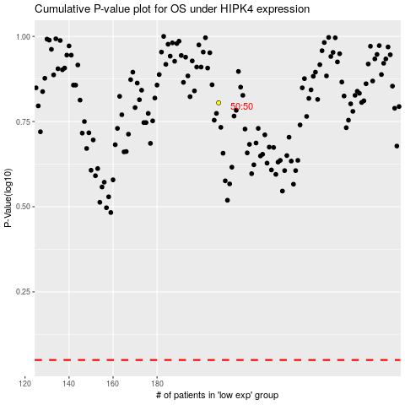

 |  |  |  |  |  | cases_OS | p_OS | rank | exp
 |  |  |  |  |  |  | cases_RFS | p_RFS | rank | exp

