HIRA _multivariate
Reported by Tex Li-Hsing Chi. tex@gate.sinica.edu.tw 2019-08-19

Table 2. The clinicopathological features of HNSCC cohort and HIRA expression. (Chi square test)
Cutoff at -0.038 (49.8%)
 |  | HIRA expression |  | HIRA expression |  | (Optimised)
 | Features | Low | (%) | High | (%) | Case no | P-value | Remark | Matthews
Gender | Female | 150 | 36.1 | 156 | 37.6 | 415 | 0.6344 | 0 | 0
2 | Male | 57 | 13.7 | 52 | 12.5
Age at diagnosis | <=65y | 144 | 34.7 | 130 | 31.3 | 415 | 0.1568 | 0 | 0
4 | >65y | 63 | 15.2 | 78 | 18.8
Clinical T Status | T1+T2 | 82 | 19.8 | 67 | 16.1 | 415 | 0.1417 | 0 | 0
6 | T3+T4 | 125 | 30.1 | 141 | 34
Clinical N Status | N0 | 107 | 25.8 | 109 | 26.3 | 415 | 0.9624 | 0 | 0
8 | N1-3 | 100 | 24.1 | 99 | 23.9
Clinical M Status | M0 | 207 | 49.9 | 205 | 49.4 | 415 | 0.2482 | 0 | 0
10 | M1 | 0 | 0 | 3 | 0.7
Clinical Stage | Stage I+II | 57 | 13.7 | 45 | 10.8 | 415 | 0.1998 | 0 | 0
12 | Stage III+IV | 150 | 36.1 | 163 | 39.3
Surgical Margin status | Negative | 161 | 38.8 | 157 | 37.8 | 415 | 0.6429 | 0 | 0
14 | Positive | 46 | 11.1 | 51 | 12.3
Tobacco Exposure | Low | 85 | 20.5 | 76 | 18.3 | 415 | 0.3655 | 0 | 0
16 | High | 122 | 29.4 | 132 | 31.8

Table 3. Univariate/Multivariate Cox's proportional hazards regression analyses on OS time of HIRA gene expression in HNSCC

 |  | Univariate |  |  |  | Multivariate
 | Features | HR | CI95%(L) | CI95%(H) | P-value | HR | CI95%(L) | CI95%(H) | P-value
1 | Female | 1 |  |  |  | 1
Gender | Male | 1.157 | 0.843 | 1.587 | 0.367 | 1.212 | 0.867 | 1.695 | 0.26
11 | <=65y | 1 |  |  |  | 1
Age at diagnosis | >65y | 1.329 | 0.99 | 1.784 | 0.058 | 1.386 | 1.019 | 1.886 | 0.038
12 | T1+T2 | 1 |  |  |  | 1
Clinical T Status | T3+T4 | 1.409 | 1.028 | 1.931 | 0.033 | 2.195 | 1.161 | 4.151 | 0.016
13 | N0 | 1 |  |  |  | 1
Clinical N Status | N1-3 | 1.185 | 0.89 | 1.577 | 0.246 | 1.259 | 0.88 | 1.801 | 0.207
14 | M0 | 1 |  |  |  | 1
Clinical M Status | M1 | 4.097 | 1.009 | 16.644 | 0.049 | 8.885 | 1.924 | 41.021 | 0.005
15 | Stage I+II | 1 |  |  |  | 1
Clinical Stage | Stage III+IV | 1.245 | 0.882 | 1.759 | 0.213 | 0.495 | 0.23 | 1.064 | 0.072
16 | Negative | 1 |  |  |  | 1
Surgical Margin status | Positive | 1.591 | 1.155 | 2.191 | 0.004 | 1.665 | 1.205 | 2.301 | 0.002
17 | Low | 1 |  |  |  | 1
Tobacco Exposure | High | 1.364 | 1.008 | 1.844 | 0.044 | 1.45 | 1.052 | 1.999 | 0.023
18 | Low | 1 |  |  |  | 1
RNAseq(z-score) | High | 1.196 | 0.895 | 1.599 | 0.225 | 1.118 | 0.832 | 1.504 | 0.459

Table 4. Univariate/Multivariate Cox's proportional hazards regression analyses on RFS time of HIRA gene expression in HNSCC

 |  | Univariate |  |  |  | Multivariate
 | Features | HR | CI95%(L) | CI95%(H) | P-value | HR | CI95%(L) | CI95%(H) | P-value
1 | Female | 1 |  |  |  | 1
Gender | Male | 1.157 | 0.843 | 1.587 | 0.367 | 1.212 | 0.867 | 1.695 | 0.26
11 | <=65y | 1 |  |  |  | 1
Age at diagnosis | >65y | 1.329 | 0.99 | 1.784 | 0.058 | 1.386 | 1.019 | 1.886 | 0.038
12 | T1+T2 | 1 |  |  |  | 1
Clinical T Status | T3+T4 | 1.409 | 1.028 | 1.931 | 0.033 | 2.195 | 1.161 | 4.151 | 0.016
13 | N0 | 1 |  |  |  | 1
Clinical N Status | N1-3 | 1.185 | 0.89 | 1.577 | 0.246 | 1.259 | 0.88 | 1.801 | 0.207
14 | M0 | 1 |  |  |  | 1
Clinical M Status | M1 | 4.097 | 1.009 | 16.644 | 0.049 | 8.885 | 1.924 | 41.021 | 0.005
15 | Stage I+II | 1 |  |  |  | 1
Clinical Stage | Stage III+IV | 1.245 | 0.882 | 1.759 | 0.213 | 0.495 | 0.23 | 1.064 | 0.072
16 | Negative | 1 |  |  |  | 1
Surgical Margin status | Positive | 1.591 | 1.155 | 2.191 | 0.004 | 1.665 | 1.205 | 2.301 | 0.002
17 | Low | 1 |  |  |  | 1
Tobacco Exposure | High | 1.364 | 1.008 | 1.844 | 0.044 | 1.45 | 1.052 | 1.999 | 0.023
18 | Low | 1 |  |  |  | 1
RNAseq(z-score) | High | 1.196 | 0.895 | 1.599 | 0.225 | 1.118 | 0.832 | 1.504 | 0.459

Kaplan-Meier survival estimate: Cutoff at -0.038 (49.8%)

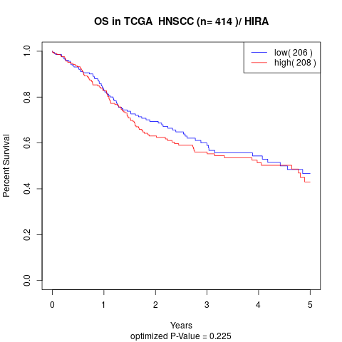

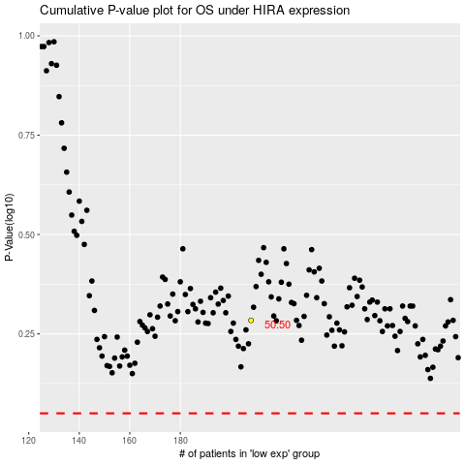

 |  |  |  |  |  | cases_OS | p_OS | rank | exp
 |  |  |  |  |  |  | cases_RFS | p_RFS | rank | exp

