HIRIP3 _multivariate
Reported by Tex Li-Hsing Chi. tex@gate.sinica.edu.tw 2019-08-19

Table 2. The clinicopathological features of HNSCC cohort and HIRIP3 expression. (Chi square test)
Cutoff at -0.238 (49.8%)
 |  | HIRIP3 expression |  | HIRIP3 expression |  | (Optimised)
 | Features | Low | (%) | High | (%) | Case no | P-value | Remark | Matthews
Gender | Female | 145 | 34.9 | 161 | 38.8 | 415 | 0.1116 | 0 | 0
2 | Male | 62 | 14.9 | 47 | 11.3
Age at diagnosis | <=65y | 126 | 30.4 | 148 | 35.7 | 415 | 0.035 | 1 | 0
4 | >65y | 81 | 19.5 | 60 | 14.5
Clinical T Status | T1+T2 | 66 | 15.9 | 83 | 20 | 415 | 0.1095 | 0 | 0
6 | T3+T4 | 141 | 34 | 125 | 30.1
Clinical N Status | N0 | 108 | 26 | 108 | 26 | 415 | 1 | 0 | 0
8 | N1-3 | 99 | 23.9 | 100 | 24.1
Clinical M Status | M0 | 206 | 49.6 | 206 | 49.6 | 415 | 1 | 0 | 0
10 | M1 | 1 | 0.2 | 2 | 0.5
Clinical Stage | Stage I+II | 50 | 12 | 52 | 12.5 | 415 | 0.9315 | 0 | 0
12 | Stage III+IV | 157 | 37.8 | 156 | 37.6
Surgical Margin status | Negative | 163 | 39.3 | 155 | 37.3 | 415 | 0.3537 | 0 | 0
14 | Positive | 44 | 10.6 | 53 | 12.8
Tobacco Exposure | Low | 77 | 18.6 | 84 | 20.2 | 415 | 0.5459 | 0 | 0
16 | High | 130 | 31.3 | 124 | 29.9

Table 3. Univariate/Multivariate Cox's proportional hazards regression analyses on OS time of HIRIP3 gene expression in HNSCC

 |  | Univariate |  |  |  | Multivariate
 | Features | HR | CI95%(L) | CI95%(H) | P-value | HR | CI95%(L) | CI95%(H) | P-value
1 | Female | 1 |  |  |  | 1
Gender | Male | 1.157 | 0.843 | 1.587 | 0.367 | 1.217 | 0.871 | 1.702 | 0.25
11 | <=65y | 1 |  |  |  | 1
Age at diagnosis | >65y | 1.329 | 0.99 | 1.784 | 0.058 | 1.415 | 1.04 | 1.926 | 0.027
12 | T1+T2 | 1 |  |  |  | 1
Clinical T Status | T3+T4 | 1.409 | 1.028 | 1.931 | 0.033 | 2.268 | 1.197 | 4.297 | 0.012
13 | N0 | 1 |  |  |  | 1
Clinical N Status | N1-3 | 1.185 | 0.89 | 1.577 | 0.246 | 1.257 | 0.88 | 1.794 | 0.208
14 | M0 | 1 |  |  |  | 1
Clinical M Status | M1 | 4.097 | 1.009 | 16.644 | 0.049 | 9.491 | 2.07 | 43.512 | 0.004
15 | Stage I+II | 1 |  |  |  | 1
Clinical Stage | Stage III+IV | 1.245 | 0.882 | 1.759 | 0.213 | 0.488 | 0.227 | 1.051 | 0.067
16 | Negative | 1 |  |  |  | 1
Surgical Margin status | Positive | 1.591 | 1.155 | 2.191 | 0.004 | 1.623 | 1.171 | 2.252 | 0.004
17 | Low | 1 |  |  |  | 1
Tobacco Exposure | High | 1.364 | 1.008 | 1.844 | 0.044 | 1.453 | 1.055 | 2.001 | 0.022
18 | Low | 1 |  |  |  | 1
RNAseq(z-score) | High | 1.138 | 0.854 | 1.515 | 0.378 | 1.189 | 0.886 | 1.596 | 0.248

Table 4. Univariate/Multivariate Cox's proportional hazards regression analyses on RFS time of HIRIP3 gene expression in HNSCC

 |  | Univariate |  |  |  | Multivariate
 | Features | HR | CI95%(L) | CI95%(H) | P-value | HR | CI95%(L) | CI95%(H) | P-value
1 | Female | 1 |  |  |  | 1
Gender | Male | 1.157 | 0.843 | 1.587 | 0.367 | 1.217 | 0.871 | 1.702 | 0.25
11 | <=65y | 1 |  |  |  | 1
Age at diagnosis | >65y | 1.329 | 0.99 | 1.784 | 0.058 | 1.415 | 1.04 | 1.926 | 0.027
12 | T1+T2 | 1 |  |  |  | 1
Clinical T Status | T3+T4 | 1.409 | 1.028 | 1.931 | 0.033 | 2.268 | 1.197 | 4.297 | 0.012
13 | N0 | 1 |  |  |  | 1
Clinical N Status | N1-3 | 1.185 | 0.89 | 1.577 | 0.246 | 1.257 | 0.88 | 1.794 | 0.208
14 | M0 | 1 |  |  |  | 1
Clinical M Status | M1 | 4.097 | 1.009 | 16.644 | 0.049 | 9.491 | 2.07 | 43.512 | 0.004
15 | Stage I+II | 1 |  |  |  | 1
Clinical Stage | Stage III+IV | 1.245 | 0.882 | 1.759 | 0.213 | 0.488 | 0.227 | 1.051 | 0.067
16 | Negative | 1 |  |  |  | 1
Surgical Margin status | Positive | 1.591 | 1.155 | 2.191 | 0.004 | 1.623 | 1.171 | 2.252 | 0.004
17 | Low | 1 |  |  |  | 1
Tobacco Exposure | High | 1.364 | 1.008 | 1.844 | 0.044 | 1.453 | 1.055 | 2.001 | 0.022
18 | Low | 1 |  |  |  | 1
RNAseq(z-score) | High | 1.138 | 0.854 | 1.515 | 0.378 | 1.189 | 0.886 | 1.596 | 0.248

Kaplan-Meier survival estimate: Cutoff at -0.238 (49.8%)



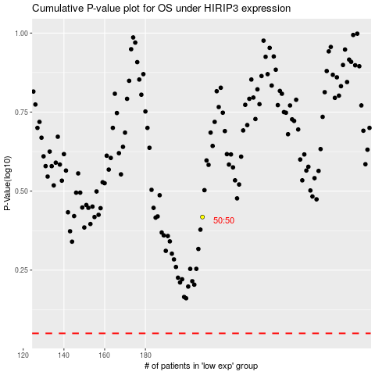

 |  |  |  |  |  | cases_OS | p_OS | rank | exp
 |  |  |  |  |  |  | cases_RFS | p_RFS | rank | exp

