HIST1H1C _multivariate
Reported by Tex Li-Hsing Chi. tex@gate.sinica.edu.tw 2019-08-19

Table 2. The clinicopathological features of HNSCC cohort and HIST1H1C expression. (Chi square test)
Cutoff at -0.32 (50.0%)
 |  | HIST1H1C expression |  | HIST1H1C expression |  | (Optimised)
 | Features | Low | (%) | High | (%) | Case no | P-value | Remark | Matthews
Gender | Female | 147 | 35.4 | 159 | 38.3 | 415 | 0.2523 | 0 | 0
2 | Male | 60 | 14.5 | 49 | 11.8
Age at diagnosis | <=65y | 130 | 31.3 | 144 | 34.7 | 415 | 0.2009 | 0 | 0
4 | >65y | 77 | 18.6 | 64 | 15.4
Clinical T Status | T1+T2 | 78 | 18.8 | 71 | 17.1 | 415 | 0.5152 | 0 | 0
6 | T3+T4 | 129 | 31.1 | 137 | 33
Clinical N Status | N0 | 115 | 27.7 | 101 | 24.3 | 415 | 0.184 | 1 | 0
8 | N1-3 | 92 | 22.2 | 107 | 25.8
Clinical M Status | M0 | 206 | 49.6 | 206 | 49.6 | 415 | 1 | 0 | 0
10 | M1 | 1 | 0.2 | 2 | 0.5
Clinical Stage | Stage I+II | 59 | 14.2 | 43 | 10.4 | 415 | 0.0822 | 0 | 0
12 | Stage III+IV | 148 | 35.7 | 165 | 39.8
Surgical Margin status | Negative | 156 | 37.6 | 162 | 39 | 415 | 0.5636 | 0 | 0
14 | Positive | 51 | 12.3 | 46 | 11.1
Tobacco Exposure | Low | 81 | 19.5 | 80 | 19.3 | 415 | 0.9199 | 0 | 0
16 | High | 126 | 30.4 | 128 | 30.8

Table 3. Univariate/Multivariate Cox's proportional hazards regression analyses on OS time of HIST1H1C gene expression in HNSCC

 |  | Univariate |  |  |  | Multivariate
 | Features | HR | CI95%(L) | CI95%(H) | P-value | HR | CI95%(L) | CI95%(H) | P-value
1 | Female | 1 |  |  |  | 1
Gender | Male | 1.157 | 0.843 | 1.587 | 0.367 | 1.198 | 0.857 | 1.675 | 0.291
11 | <=65y | 1 |  |  |  | 1
Age at diagnosis | >65y | 1.329 | 0.99 | 1.784 | 0.058 | 1.391 | 1.022 | 1.892 | 0.036
12 | T1+T2 | 1 |  |  |  | 1
Clinical T Status | T3+T4 | 1.409 | 1.028 | 1.931 | 0.033 | 2.187 | 1.156 | 4.14 | 0.016
13 | N0 | 1 |  |  |  | 1
Clinical N Status | N1-3 | 1.185 | 0.89 | 1.577 | 0.246 | 1.255 | 0.88 | 1.79 | 0.21
14 | M0 | 1 |  |  |  | 1
Clinical M Status | M1 | 4.097 | 1.009 | 16.644 | 0.049 | 10.046 | 2.187 | 46.147 | 0.003
15 | Stage I+II | 1 |  |  |  | 1
Clinical Stage | Stage III+IV | 1.245 | 0.882 | 1.759 | 0.213 | 0.529 | 0.245 | 1.138 | 0.103
16 | Negative | 1 |  |  |  | 1
Surgical Margin status | Positive | 1.591 | 1.155 | 2.191 | 0.004 | 1.679 | 1.215 | 2.321 | 0.002
17 | Low | 1 |  |  |  | 1
Tobacco Exposure | High | 1.364 | 1.008 | 1.844 | 0.044 | 1.451 | 1.051 | 2.004 | 0.024
18 | Low | 1 |  |  |  | 1
RNAseq(z-score) | High | 0.785 | 0.588 | 1.047 | 0.099 | 0.759 | 0.566 | 1.017 | 0.065

Table 4. Univariate/Multivariate Cox's proportional hazards regression analyses on RFS time of HIST1H1C gene expression in HNSCC

 |  | Univariate |  |  |  | Multivariate
 | Features | HR | CI95%(L) | CI95%(H) | P-value | HR | CI95%(L) | CI95%(H) | P-value
1 | Female | 1 |  |  |  | 1
Gender | Male | 1.157 | 0.843 | 1.587 | 0.367 | 1.198 | 0.857 | 1.675 | 0.291
11 | <=65y | 1 |  |  |  | 1
Age at diagnosis | >65y | 1.329 | 0.99 | 1.784 | 0.058 | 1.391 | 1.022 | 1.892 | 0.036
12 | T1+T2 | 1 |  |  |  | 1
Clinical T Status | T3+T4 | 1.409 | 1.028 | 1.931 | 0.033 | 2.187 | 1.156 | 4.14 | 0.016
13 | N0 | 1 |  |  |  | 1
Clinical N Status | N1-3 | 1.185 | 0.89 | 1.577 | 0.246 | 1.255 | 0.88 | 1.79 | 0.21
14 | M0 | 1 |  |  |  | 1
Clinical M Status | M1 | 4.097 | 1.009 | 16.644 | 0.049 | 10.046 | 2.187 | 46.147 | 0.003
15 | Stage I+II | 1 |  |  |  | 1
Clinical Stage | Stage III+IV | 1.245 | 0.882 | 1.759 | 0.213 | 0.529 | 0.245 | 1.138 | 0.103
16 | Negative | 1 |  |  |  | 1
Surgical Margin status | Positive | 1.591 | 1.155 | 2.191 | 0.004 | 1.679 | 1.215 | 2.321 | 0.002
17 | Low | 1 |  |  |  | 1
Tobacco Exposure | High | 1.364 | 1.008 | 1.844 | 0.044 | 1.451 | 1.051 | 2.004 | 0.024
18 | Low | 1 |  |  |  | 1
RNAseq(z-score) | High | 0.785 | 0.588 | 1.047 | 0.099 | 0.759 | 0.566 | 1.017 | 0.065

Kaplan-Meier survival estimate: Cutoff at -0.32 (50.0%)



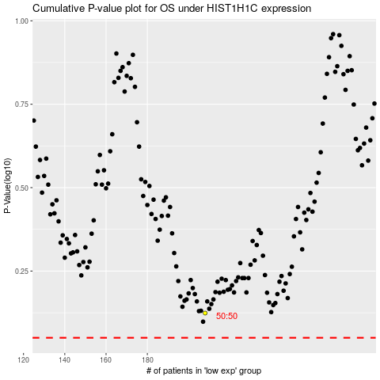

 |  |  |  |  |  | cases_OS | p_OS | rank | exp
 |  |  |  |  |  |  | cases_RFS | p_RFS | rank | exp

