HIST1H1D _multivariate
Reported by Tex Li-Hsing Chi. tex@gate.sinica.edu.tw 2019-08-19

Table 2. The clinicopathological features of HNSCC cohort and HIST1H1D expression. (Chi square test)
Cutoff at -0.253 (49.8%)
 |  | HIST1H1D expression |  | HIST1H1D expression |  | (Optimised)
 | Features | Low | (%) | High | (%) | Case no | P-value | Remark | Matthews
Gender | Female | 142 | 34.2 | 164 | 39.5 | 415 | 0.0238 | 1 | 0
2 | Male | 65 | 15.7 | 44 | 10.6
Age at diagnosis | <=65y | 136 | 32.8 | 138 | 33.3 | 415 | 0.9719 | 0 | 0
4 | >65y | 71 | 17.1 | 70 | 16.9
Clinical T Status | T1+T2 | 84 | 20.2 | 65 | 15.7 | 415 | 0.0603 | 0 | 0
6 | T3+T4 | 123 | 29.6 | 143 | 34.5
Clinical N Status | N0 | 112 | 27 | 104 | 25.1 | 415 | 0.4599 | 0 | 0
8 | N1-3 | 95 | 22.9 | 104 | 25.1
Clinical M Status | M0 | 204 | 49.2 | 208 | 50.1 | 415 | 0.1232 | 0 | 0
10 | M1 | 3 | 0.7 | 0 | 0
Clinical Stage | Stage I+II | 56 | 13.5 | 46 | 11.1 | 415 | 0.2918 | 0 | 0
12 | Stage III+IV | 151 | 36.4 | 162 | 39
Surgical Margin status | Negative | 160 | 38.6 | 158 | 38.1 | 415 | 0.8167 | 0 | 0
14 | Positive | 47 | 11.3 | 50 | 12
Tobacco Exposure | Low | 84 | 20.2 | 77 | 18.6 | 415 | 0.4816 | 0 | 0
16 | High | 123 | 29.6 | 131 | 31.6

Table 3. Univariate/Multivariate Cox's proportional hazards regression analyses on OS time of HIST1H1D gene expression in HNSCC

 |  | Univariate |  |  |  | Multivariate
 | Features | HR | CI95%(L) | CI95%(H) | P-value | HR | CI95%(L) | CI95%(H) | P-value
1 | Female | 1 |  |  |  | 1
Gender | Male | 1.157 | 0.843 | 1.587 | 0.367 | 1.22 | 0.872 | 1.707 | 0.246
11 | <=65y | 1 |  |  |  | 1
Age at diagnosis | >65y | 1.329 | 0.99 | 1.784 | 0.058 | 1.393 | 1.025 | 1.893 | 0.034
12 | T1+T2 | 1 |  |  |  | 1
Clinical T Status | T3+T4 | 1.409 | 1.028 | 1.931 | 0.033 | 2.137 | 1.126 | 4.054 | 0.02
13 | N0 | 1 |  |  |  | 1
Clinical N Status | N1-3 | 1.185 | 0.89 | 1.577 | 0.246 | 1.227 | 0.859 | 1.752 | 0.261
14 | M0 | 1 |  |  |  | 1
Clinical M Status | M1 | 4.097 | 1.009 | 16.644 | 0.049 | 9.885 | 2.148 | 45.499 | 0.003
15 | Stage I+II | 1 |  |  |  | 1
Clinical Stage | Stage III+IV | 1.245 | 0.882 | 1.759 | 0.213 | 0.516 | 0.24 | 1.11 | 0.091
16 | Negative | 1 |  |  |  | 1
Surgical Margin status | Positive | 1.591 | 1.155 | 2.191 | 0.004 | 1.647 | 1.19 | 2.279 | 0.003
17 | Low | 1 |  |  |  | 1
Tobacco Exposure | High | 1.364 | 1.008 | 1.844 | 0.044 | 1.454 | 1.056 | 2.003 | 0.022
18 | Low | 1 |  |  |  | 1
RNAseq(z-score) | High | 1.196 | 0.898 | 1.593 | 0.221 | 1.139 | 0.848 | 1.529 | 0.386

Table 4. Univariate/Multivariate Cox's proportional hazards regression analyses on RFS time of HIST1H1D gene expression in HNSCC

 |  | Univariate |  |  |  | Multivariate
 | Features | HR | CI95%(L) | CI95%(H) | P-value | HR | CI95%(L) | CI95%(H) | P-value
1 | Female | 1 |  |  |  | 1
Gender | Male | 1.157 | 0.843 | 1.587 | 0.367 | 1.22 | 0.872 | 1.707 | 0.246
11 | <=65y | 1 |  |  |  | 1
Age at diagnosis | >65y | 1.329 | 0.99 | 1.784 | 0.058 | 1.393 | 1.025 | 1.893 | 0.034
12 | T1+T2 | 1 |  |  |  | 1
Clinical T Status | T3+T4 | 1.409 | 1.028 | 1.931 | 0.033 | 2.137 | 1.126 | 4.054 | 0.02
13 | N0 | 1 |  |  |  | 1
Clinical N Status | N1-3 | 1.185 | 0.89 | 1.577 | 0.246 | 1.227 | 0.859 | 1.752 | 0.261
14 | M0 | 1 |  |  |  | 1
Clinical M Status | M1 | 4.097 | 1.009 | 16.644 | 0.049 | 9.885 | 2.148 | 45.499 | 0.003
15 | Stage I+II | 1 |  |  |  | 1
Clinical Stage | Stage III+IV | 1.245 | 0.882 | 1.759 | 0.213 | 0.516 | 0.24 | 1.11 | 0.091
16 | Negative | 1 |  |  |  | 1
Surgical Margin status | Positive | 1.591 | 1.155 | 2.191 | 0.004 | 1.647 | 1.19 | 2.279 | 0.003
17 | Low | 1 |  |  |  | 1
Tobacco Exposure | High | 1.364 | 1.008 | 1.844 | 0.044 | 1.454 | 1.056 | 2.003 | 0.022
18 | Low | 1 |  |  |  | 1
RNAseq(z-score) | High | 1.196 | 0.898 | 1.593 | 0.221 | 1.139 | 0.848 | 1.529 | 0.386

Kaplan-Meier survival estimate: Cutoff at -0.253 (49.8%)



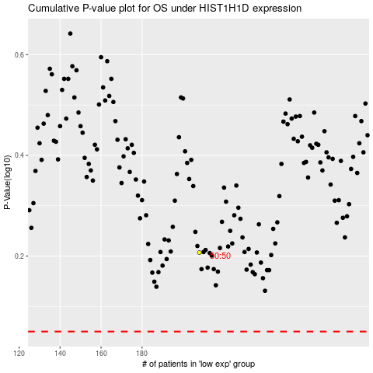

 |  |  |  |  |  | cases_OS | p_OS | rank | exp
 |  |  |  |  |  |  | cases_RFS | p_RFS | rank | exp

