HIST1H1E _multivariate
Reported by Tex Li-Hsing Chi. tex@gate.sinica.edu.tw 2019-08-19

Table 2. The clinicopathological features of HNSCC cohort and HIST1H1E expression. (Chi square test)
Cutoff at -0.358 (30.9%)
 |  | HIST1H1E expression |  | HIST1H1E expression |  | (Optimised)
 | Features | Low | (%) | High | (%) | Case no | P-value | Remark | Matthews
Gender | Female | 81 | 19.5 | 225 | 54.2 | 415 | 0.0019 | 1 | 0
2 | Male | 47 | 11.3 | 62 | 14.9
Age at diagnosis | <=65y | 88 | 21.2 | 186 | 44.8 | 415 | 0.5024 | 0 | 0
4 | >65y | 40 | 9.6 | 101 | 24.3
Clinical T Status | T1+T2 | 60 | 14.5 | 89 | 21.4 | 415 | 0.0027 | 1 | 0
6 | T3+T4 | 68 | 16.4 | 198 | 47.7
Clinical N Status | N0 | 76 | 18.3 | 140 | 33.7 | 415 | 0.0589 | 0 | 0
8 | N1-3 | 52 | 12.5 | 147 | 35.4
Clinical M Status | M0 | 127 | 30.6 | 285 | 68.7 | 415 | 1 | 0 | 0
10 | M1 | 1 | 0.2 | 2 | 0.5
Clinical Stage | Stage I+II | 45 | 10.8 | 57 | 13.7 | 415 | 0.0013 | 1 | 0
12 | Stage III+IV | 83 | 20 | 230 | 55.4
Surgical Margin status | Negative | 94 | 22.7 | 224 | 54 | 415 | 0.3168 | 0 | 0
14 | Positive | 34 | 8.2 | 63 | 15.2
Tobacco Exposure | Low | 60 | 14.5 | 101 | 24.3 | 415 | 0.0291 | 1 | 0
16 | High | 68 | 16.4 | 186 | 44.8

Table 3. Univariate/Multivariate Cox's proportional hazards regression analyses on OS time of HIST1H1E gene expression in HNSCC

 |  | Univariate |  |  |  | Multivariate
 | Features | HR | CI95%(L) | CI95%(H) | P-value | HR | CI95%(L) | CI95%(H) | P-value
1 | Female | 1 |  |  |  | 1
Gender | Male | 1.157 | 0.843 | 1.587 | 0.367 | 1.316 | 0.937 | 1.849 | 0.114
11 | <=65y | 1 |  |  |  | 1
Age at diagnosis | >65y | 1.329 | 0.99 | 1.784 | 0.058 | 1.354 | 0.995 | 1.843 | 0.054
12 | T1+T2 | 1 |  |  |  | 1
Clinical T Status | T3+T4 | 1.409 | 1.028 | 1.931 | 0.033 | 2.219 | 1.174 | 4.194 | 0.014
13 | N0 | 1 |  |  |  | 1
Clinical N Status | N1-3 | 1.185 | 0.89 | 1.577 | 0.246 | 1.208 | 0.846 | 1.724 | 0.298
14 | M0 | 1 |  |  |  | 1
Clinical M Status | M1 | 4.097 | 1.009 | 16.644 | 0.049 | 10.454 | 2.274 | 48.065 | 0.003
15 | Stage I+II | 1 |  |  |  | 1
Clinical Stage | Stage III+IV | 1.245 | 0.882 | 1.759 | 0.213 | 0.466 | 0.217 | 1.002 | 0.051
16 | Negative | 1 |  |  |  | 1
Surgical Margin status | Positive | 1.591 | 1.155 | 2.191 | 0.004 | 1.731 | 1.251 | 2.395 | 0.001
17 | Low | 1 |  |  |  | 1
Tobacco Exposure | High | 1.364 | 1.008 | 1.844 | 0.044 | 1.442 | 1.046 | 1.988 | 0.026
18 | Low | 1 |  |  |  | 1
RNAseq(z-score) | High | 1.496 | 1.072 | 2.087 | 0.018 | 1.566 | 1.104 | 2.222 | 0.012

Table 4. Univariate/Multivariate Cox's proportional hazards regression analyses on RFS time of HIST1H1E gene expression in HNSCC

 |  | Univariate |  |  |  | Multivariate
 | Features | HR | CI95%(L) | CI95%(H) | P-value | HR | CI95%(L) | CI95%(H) | P-value
1 | Female | 1 |  |  |  | 1
Gender | Male | 1.157 | 0.843 | 1.587 | 0.367 | 1.316 | 0.937 | 1.849 | 0.114
11 | <=65y | 1 |  |  |  | 1
Age at diagnosis | >65y | 1.329 | 0.99 | 1.784 | 0.058 | 1.354 | 0.995 | 1.843 | 0.054
12 | T1+T2 | 1 |  |  |  | 1
Clinical T Status | T3+T4 | 1.409 | 1.028 | 1.931 | 0.033 | 2.219 | 1.174 | 4.194 | 0.014
13 | N0 | 1 |  |  |  | 1
Clinical N Status | N1-3 | 1.185 | 0.89 | 1.577 | 0.246 | 1.208 | 0.846 | 1.724 | 0.298
14 | M0 | 1 |  |  |  | 1
Clinical M Status | M1 | 4.097 | 1.009 | 16.644 | 0.049 | 10.454 | 2.274 | 48.065 | 0.003
15 | Stage I+II | 1 |  |  |  | 1
Clinical Stage | Stage III+IV | 1.245 | 0.882 | 1.759 | 0.213 | 0.466 | 0.217 | 1.002 | 0.051
16 | Negative | 1 |  |  |  | 1
Surgical Margin status | Positive | 1.591 | 1.155 | 2.191 | 0.004 | 1.731 | 1.251 | 2.395 | 0.001
17 | Low | 1 |  |  |  | 1
Tobacco Exposure | High | 1.364 | 1.008 | 1.844 | 0.044 | 1.442 | 1.046 | 1.988 | 0.026
18 | Low | 1 |  |  |  | 1
RNAseq(z-score) | High | 1.496 | 1.072 | 2.087 | 0.018 | 1.566 | 1.104 | 2.222 | 0.012

Kaplan-Meier survival estimate: Cutoff at -0.358 (30.9%)

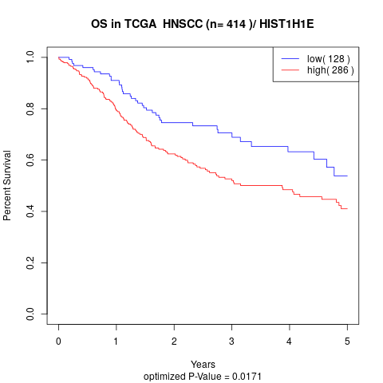

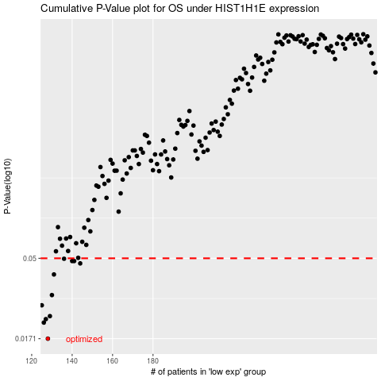

 |  |  |  |  |  | cases_OS | p_OS | rank | exp
 |  |  |  |  |  | 128 | 0.0171 | 373 | -0.35810917265
 |  |  |  |  |  | 126 | 0.0212 | 228 | -0.36171695939
 |  |  |  |  |  | 127 | 0.0222 | 73 | -0.36049926057
 |  |  |  |  |  | 129 | 0.0231 | 237 | -0.35514704947
 |  |  |  |  |  | 125 | 0.0267 | 139 | -0.36692191388
 |  |  |  |  |  | 130 | 0.0306 | 258 | -0.35046882051
 |  |  |  |  |  | 131 | 0.0403 | 114 | -0.35019696217
 |  |  |  |  |  | 144 | 0.0467 | 207 | -0.34192227391
 |  |  |  |  |  | 141 | 0.0482 | 143 | -0.34466351218
 |  |  |  |  |  | 140 | 0.0482 | 333 | -0.34545643234
 |  |  |  |  |  | 136 | 0.0497 | 409 | -0.34708191868
 |  |  |  |  |  |  | cases_RFS | p_RFS | rank | exp
 |  |  |  |  |  |  | 127 | 0.0171 | 73 | -0.36049926057
 |  |  |  |  |  |  | 125 | 0.0212 | 139 | -0.36692191388
 |  |  |  |  |  |  | 126 | 0.0222 | 228 | -0.36171695939
 |  |  |  |  |  |  | 128 | 0.0231 | 373 | -0.35810917265
 |  |  |  |  |  |  |  | 0.0267 | 87 | -0.37170775343
 |  |  |  |  |  |  | 129 | 0.0306 | 237 | -0.35514704947
 |  |  |  |  |  |  | 130 | 0.0403 | 258 | -0.35046882051
 |  |  |  |  |  |  | 143 | 0.0467 | 380 | -0.34237537114
 |  |  |  |  |  |  | 139 | 0.0482 | 63 | -0.34593784816
 |  |  |  |  |  |  | 140 | 0.0482 | 333 | -0.34545643234
 |  |  |  |  |  |  | 135 | 0.0497 | 392 | -0.34714421955

