HIST1H2AB _multivariate
Reported by Tex Li-Hsing Chi. tex@gate.sinica.edu.tw 2019-08-19

Table 2. The clinicopathological features of HNSCC cohort and HIST1H2AB expression. (Chi square test)
Cutoff at -0.207 (50.0%)
 |  | HIST1H2AB expression |  | HIST1H2AB expression |  | (Optimised)
 | Features | Low | (%) | High | (%) | Case no | P-value | Remark | Matthews
Gender | Female | 145 | 34.9 | 161 | 38.8 | 415 | 0.1116 | 0 | 0
2 | Male | 62 | 14.9 | 47 | 11.3
Age at diagnosis | <=65y | 136 | 32.8 | 138 | 33.3 | 415 | 0.9719 | 0 | 0
4 | >65y | 71 | 17.1 | 70 | 16.9
Clinical T Status | T1+T2 | 82 | 19.8 | 67 | 16.1 | 415 | 0.1417 | 0 | 0
6 | T3+T4 | 125 | 30.1 | 141 | 34
Clinical N Status | N0 | 123 | 29.6 | 93 | 22.4 | 415 | 0.0037 | 1 | 0
8 | N1-3 | 84 | 20.2 | 115 | 27.7
Clinical M Status | M0 | 207 | 49.9 | 205 | 49.4 | 415 | 0.2482 | 0 | 0
10 | M1 | 0 | 0 | 3 | 0.7
Clinical Stage | Stage I+II | 60 | 14.5 | 42 | 10.1 | 415 | 0.0493 | 1 | 0
12 | Stage III+IV | 147 | 35.4 | 166 | 40
Surgical Margin status | Negative | 159 | 38.3 | 159 | 38.3 | 415 | 1 | 0 | 0
14 | Positive | 48 | 11.6 | 49 | 11.8
Tobacco Exposure | Low | 89 | 21.4 | 72 | 17.3 | 415 | 0.0872 | 0 | 0
16 | High | 118 | 28.4 | 136 | 32.8

Table 3. Univariate/Multivariate Cox's proportional hazards regression analyses on OS time of HIST1H2AB gene expression in HNSCC

 |  | Univariate |  |  |  | Multivariate
 | Features | HR | CI95%(L) | CI95%(H) | P-value | HR | CI95%(L) | CI95%(H) | P-value
1 | Female | 1 |  |  |  | 1
Gender | Male | 1.157 | 0.843 | 1.587 | 0.367 | 1.205 | 0.862 | 1.685 | 0.275
11 | <=65y | 1 |  |  |  | 1
Age at diagnosis | >65y | 1.329 | 0.99 | 1.784 | 0.058 | 1.396 | 1.027 | 1.899 | 0.033
12 | T1+T2 | 1 |  |  |  | 1
Clinical T Status | T3+T4 | 1.409 | 1.028 | 1.931 | 0.033 | 2.198 | 1.163 | 4.157 | 0.015
13 | N0 | 1 |  |  |  | 1
Clinical N Status | N1-3 | 1.185 | 0.89 | 1.577 | 0.246 | 1.225 | 0.857 | 1.752 | 0.266
14 | M0 | 1 |  |  |  | 1
Clinical M Status | M1 | 4.097 | 1.009 | 16.644 | 0.049 | 8.966 | 1.945 | 41.334 | 0.005
15 | Stage I+II | 1 |  |  |  | 1
Clinical Stage | Stage III+IV | 1.245 | 0.882 | 1.759 | 0.213 | 0.507 | 0.236 | 1.089 | 0.082
16 | Negative | 1 |  |  |  | 1
Surgical Margin status | Positive | 1.591 | 1.155 | 2.191 | 0.004 | 1.673 | 1.211 | 2.311 | 0.002
17 | Low | 1 |  |  |  | 1
Tobacco Exposure | High | 1.364 | 1.008 | 1.844 | 0.044 | 1.428 | 1.032 | 1.974 | 0.031
18 | Low | 1 |  |  |  | 1
RNAseq(z-score) | High | 1.186 | 0.89 | 1.581 | 0.244 | 1.111 | 0.825 | 1.495 | 0.487

Table 4. Univariate/Multivariate Cox's proportional hazards regression analyses on RFS time of HIST1H2AB gene expression in HNSCC

 |  | Univariate |  |  |  | Multivariate
 | Features | HR | CI95%(L) | CI95%(H) | P-value | HR | CI95%(L) | CI95%(H) | P-value
1 | Female | 1 |  |  |  | 1
Gender | Male | 1.157 | 0.843 | 1.587 | 0.367 | 1.205 | 0.862 | 1.685 | 0.275
11 | <=65y | 1 |  |  |  | 1
Age at diagnosis | >65y | 1.329 | 0.99 | 1.784 | 0.058 | 1.396 | 1.027 | 1.899 | 0.033
12 | T1+T2 | 1 |  |  |  | 1
Clinical T Status | T3+T4 | 1.409 | 1.028 | 1.931 | 0.033 | 2.198 | 1.163 | 4.157 | 0.015
13 | N0 | 1 |  |  |  | 1
Clinical N Status | N1-3 | 1.185 | 0.89 | 1.577 | 0.246 | 1.225 | 0.857 | 1.752 | 0.266
14 | M0 | 1 |  |  |  | 1
Clinical M Status | M1 | 4.097 | 1.009 | 16.644 | 0.049 | 8.966 | 1.945 | 41.334 | 0.005
15 | Stage I+II | 1 |  |  |  | 1
Clinical Stage | Stage III+IV | 1.245 | 0.882 | 1.759 | 0.213 | 0.507 | 0.236 | 1.089 | 0.082
16 | Negative | 1 |  |  |  | 1
Surgical Margin status | Positive | 1.591 | 1.155 | 2.191 | 0.004 | 1.673 | 1.211 | 2.311 | 0.002
17 | Low | 1 |  |  |  | 1
Tobacco Exposure | High | 1.364 | 1.008 | 1.844 | 0.044 | 1.428 | 1.032 | 1.974 | 0.031
18 | Low | 1 |  |  |  | 1
RNAseq(z-score) | High | 1.186 | 0.89 | 1.581 | 0.244 | 1.111 | 0.825 | 1.495 | 0.487

Kaplan-Meier survival estimate: Cutoff at -0.207 (50.0%)

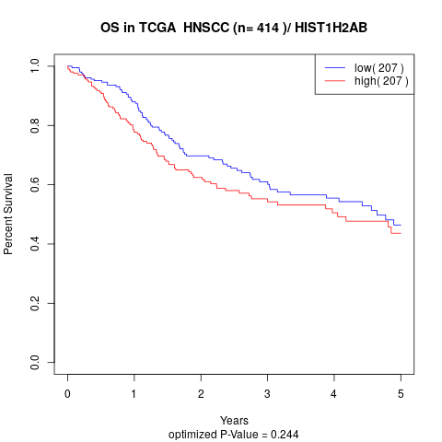

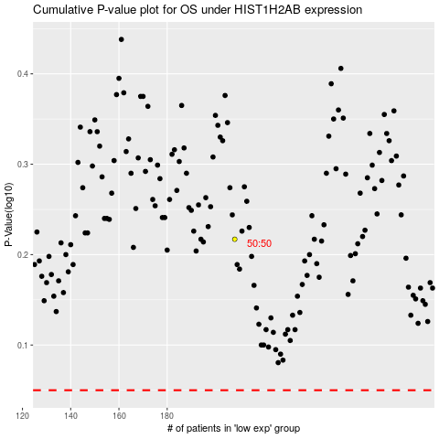

 |  |  |  |  |  | cases_OS | p_OS | rank | exp
 |  |  |  |  |  |  | cases_RFS | p_RFS | rank | exp

