HIST1H2AC _multivariate
Reported by Tex Li-Hsing Chi. tex@gate.sinica.edu.tw 2019-08-19

Table 2. The clinicopathological features of HNSCC cohort and HIST1H2AC expression. (Chi square test)
Cutoff at -0.253 (50.0%)
 |  | HIST1H2AC expression |  | HIST1H2AC expression |  | (Optimised)
 | Features | Low | (%) | High | (%) | Case no | P-value | Remark | Matthews
Gender | Female | 156 | 37.6 | 150 | 36.1 | 415 | 0.5222 | 0 | 0
2 | Male | 51 | 12.3 | 58 | 14
Age at diagnosis | <=65y | 137 | 33 | 137 | 33 | 415 | 1 | 0 | 0
4 | >65y | 70 | 16.9 | 71 | 17.1
Clinical T Status | T1+T2 | 82 | 19.8 | 67 | 16.1 | 415 | 0.1417 | 0 | 0
6 | T3+T4 | 125 | 30.1 | 141 | 34
Clinical N Status | N0 | 110 | 26.5 | 106 | 25.5 | 415 | 0.7294 | 0 | 0
8 | N1-3 | 97 | 23.4 | 102 | 24.6
Clinical M Status | M0 | 206 | 49.6 | 206 | 49.6 | 415 | 1 | 0 | 0
10 | M1 | 1 | 0.2 | 2 | 0.5
Clinical Stage | Stage I+II | 55 | 13.3 | 47 | 11.3 | 415 | 0.4087 | 0 | 0
12 | Stage III+IV | 152 | 36.6 | 161 | 38.8
Surgical Margin status | Negative | 161 | 38.8 | 157 | 37.8 | 415 | 0.6429 | 0 | 0
14 | Positive | 46 | 11.1 | 51 | 12.3
Tobacco Exposure | Low | 72 | 17.3 | 89 | 21.4 | 415 | 0.1071 | 0 | 0
16 | High | 135 | 32.5 | 119 | 28.7

Table 3. Univariate/Multivariate Cox's proportional hazards regression analyses on OS time of HIST1H2AC gene expression in HNSCC

 |  | Univariate |  |  |  | Multivariate
 | Features | HR | CI95%(L) | CI95%(H) | P-value | HR | CI95%(L) | CI95%(H) | P-value
1 | Female | 1 |  |  |  | 1
Gender | Male | 1.157 | 0.843 | 1.587 | 0.367 | 1.203 | 0.861 | 1.681 | 0.278
11 | <=65y | 1 |  |  |  | 1
Age at diagnosis | >65y | 1.329 | 0.99 | 1.784 | 0.058 | 1.393 | 1.024 | 1.893 | 0.035
12 | T1+T2 | 1 |  |  |  | 1
Clinical T Status | T3+T4 | 1.409 | 1.028 | 1.931 | 0.033 | 2.234 | 1.176 | 4.244 | 0.014
13 | N0 | 1 |  |  |  | 1
Clinical N Status | N1-3 | 1.185 | 0.89 | 1.577 | 0.246 | 1.251 | 0.874 | 1.789 | 0.221
14 | M0 | 1 |  |  |  | 1
Clinical M Status | M1 | 4.097 | 1.009 | 16.644 | 0.049 | 9.652 | 2.092 | 44.543 | 0.004
15 | Stage I+II | 1 |  |  |  | 1
Clinical Stage | Stage III+IV | 1.245 | 0.882 | 1.759 | 0.213 | 0.497 | 0.231 | 1.072 | 0.075
16 | Negative | 1 |  |  |  | 1
Surgical Margin status | Positive | 1.591 | 1.155 | 2.191 | 0.004 | 1.68 | 1.214 | 2.324 | 0.002
17 | Low | 1 |  |  |  | 1
Tobacco Exposure | High | 1.364 | 1.008 | 1.844 | 0.044 | 1.441 | 1.043 | 1.992 | 0.027
18 | Low | 1 |  |  |  | 1
RNAseq(z-score) | High | 1.016 | 0.761 | 1.357 | 0.913 | 0.947 | 0.703 | 1.276 | 0.722

Table 4. Univariate/Multivariate Cox's proportional hazards regression analyses on RFS time of HIST1H2AC gene expression in HNSCC

 |  | Univariate |  |  |  | Multivariate
 | Features | HR | CI95%(L) | CI95%(H) | P-value | HR | CI95%(L) | CI95%(H) | P-value
1 | Female | 1 |  |  |  | 1
Gender | Male | 1.157 | 0.843 | 1.587 | 0.367 | 1.203 | 0.861 | 1.681 | 0.278
11 | <=65y | 1 |  |  |  | 1
Age at diagnosis | >65y | 1.329 | 0.99 | 1.784 | 0.058 | 1.393 | 1.024 | 1.893 | 0.035
12 | T1+T2 | 1 |  |  |  | 1
Clinical T Status | T3+T4 | 1.409 | 1.028 | 1.931 | 0.033 | 2.234 | 1.176 | 4.244 | 0.014
13 | N0 | 1 |  |  |  | 1
Clinical N Status | N1-3 | 1.185 | 0.89 | 1.577 | 0.246 | 1.251 | 0.874 | 1.789 | 0.221
14 | M0 | 1 |  |  |  | 1
Clinical M Status | M1 | 4.097 | 1.009 | 16.644 | 0.049 | 9.652 | 2.092 | 44.543 | 0.004
15 | Stage I+II | 1 |  |  |  | 1
Clinical Stage | Stage III+IV | 1.245 | 0.882 | 1.759 | 0.213 | 0.497 | 0.231 | 1.072 | 0.075
16 | Negative | 1 |  |  |  | 1
Surgical Margin status | Positive | 1.591 | 1.155 | 2.191 | 0.004 | 1.68 | 1.214 | 2.324 | 0.002
17 | Low | 1 |  |  |  | 1
Tobacco Exposure | High | 1.364 | 1.008 | 1.844 | 0.044 | 1.441 | 1.043 | 1.992 | 0.027
18 | Low | 1 |  |  |  | 1
RNAseq(z-score) | High | 1.016 | 0.761 | 1.357 | 0.913 | 0.947 | 0.703 | 1.276 | 0.722

Kaplan-Meier survival estimate: Cutoff at -0.253 (50.0%)



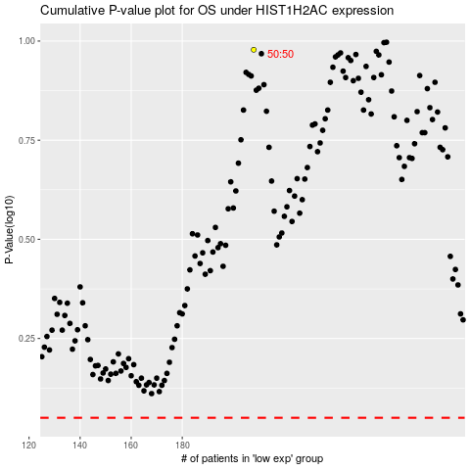

 |  |  |  |  |  | cases_OS | p_OS | rank | exp
 |  |  |  |  |  |  | cases_RFS | p_RFS | rank | exp

