HIST1H2AD _multivariate
Reported by Tex Li-Hsing Chi. tex@gate.sinica.edu.tw 2019-08-19

Table 2. The clinicopathological features of HNSCC cohort and HIST1H2AD expression. (Chi square test)
Cutoff at -0.3 (49.8%)
 |  | HIST1H2AD expression |  | HIST1H2AD expression |  | (Optimised)
 | Features | Low | (%) | High | (%) | Case no | P-value | Remark | Matthews
Gender | Female | 154 | 37.1 | 152 | 36.6 | 415 | 0.8463 | 0 | 0
2 | Male | 53 | 12.8 | 56 | 13.5
Age at diagnosis | <=65y | 134 | 32.3 | 140 | 33.7 | 415 | 0.6529 | 0 | 0
4 | >65y | 73 | 17.6 | 68 | 16.4
Clinical T Status | T1+T2 | 84 | 20.2 | 65 | 15.7 | 415 | 0.0603 | 0 | 0
6 | T3+T4 | 123 | 29.6 | 143 | 34.5
Clinical N Status | N0 | 114 | 27.5 | 102 | 24.6 | 415 | 0.2576 | 1 | 0
8 | N1-3 | 93 | 22.4 | 106 | 25.5
Clinical M Status | M0 | 206 | 49.6 | 206 | 49.6 | 415 | 1 | 0 | 0
10 | M1 | 1 | 0.2 | 2 | 0.5
Clinical Stage | Stage I+II | 56 | 13.5 | 46 | 11.1 | 415 | 0.2918 | 0 | 0
12 | Stage III+IV | 151 | 36.4 | 162 | 39
Surgical Margin status | Negative | 155 | 37.3 | 163 | 39.3 | 415 | 0.4187 | 0 | 0
14 | Positive | 52 | 12.5 | 45 | 10.8
Tobacco Exposure | Low | 77 | 18.6 | 84 | 20.2 | 415 | 0.5459 | 0 | 0
16 | High | 130 | 31.3 | 124 | 29.9

Table 3. Univariate/Multivariate Cox's proportional hazards regression analyses on OS time of HIST1H2AD gene expression in HNSCC

 |  | Univariate |  |  |  | Multivariate
 | Features | HR | CI95%(L) | CI95%(H) | P-value | HR | CI95%(L) | CI95%(H) | P-value
1 | Female | 1 |  |  |  | 1
Gender | Male | 1.157 | 0.843 | 1.587 | 0.367 | 1.192 | 0.854 | 1.665 | 0.302
11 | <=65y | 1 |  |  |  | 1
Age at diagnosis | >65y | 1.329 | 0.99 | 1.784 | 0.058 | 1.371 | 1.008 | 1.866 | 0.044
12 | T1+T2 | 1 |  |  |  | 1
Clinical T Status | T3+T4 | 1.409 | 1.028 | 1.931 | 0.033 | 2.351 | 1.236 | 4.474 | 0.009
13 | N0 | 1 |  |  |  | 1
Clinical N Status | N1-3 | 1.185 | 0.89 | 1.577 | 0.246 | 1.27 | 0.888 | 1.816 | 0.19
14 | M0 | 1 |  |  |  | 1
Clinical M Status | M1 | 4.097 | 1.009 | 16.644 | 0.049 | 10.464 | 2.265 | 48.346 | 0.003
15 | Stage I+II | 1 |  |  |  | 1
Clinical Stage | Stage III+IV | 1.245 | 0.882 | 1.759 | 0.213 | 0.471 | 0.218 | 1.017 | 0.055
16 | Negative | 1 |  |  |  | 1
Surgical Margin status | Positive | 1.591 | 1.155 | 2.191 | 0.004 | 1.685 | 1.219 | 2.329 | 0.002
17 | Low | 1 |  |  |  | 1
Tobacco Exposure | High | 1.364 | 1.008 | 1.844 | 0.044 | 1.439 | 1.044 | 1.982 | 0.026
18 | Low | 1 |  |  |  | 1
RNAseq(z-score) | High | 0.851 | 0.639 | 1.134 | 0.272 | 0.812 | 0.606 | 1.087 | 0.162

Table 4. Univariate/Multivariate Cox's proportional hazards regression analyses on RFS time of HIST1H2AD gene expression in HNSCC

 |  | Univariate |  |  |  | Multivariate
 | Features | HR | CI95%(L) | CI95%(H) | P-value | HR | CI95%(L) | CI95%(H) | P-value
1 | Female | 1 |  |  |  | 1
Gender | Male | 1.157 | 0.843 | 1.587 | 0.367 | 1.192 | 0.854 | 1.665 | 0.302
11 | <=65y | 1 |  |  |  | 1
Age at diagnosis | >65y | 1.329 | 0.99 | 1.784 | 0.058 | 1.371 | 1.008 | 1.866 | 0.044
12 | T1+T2 | 1 |  |  |  | 1
Clinical T Status | T3+T4 | 1.409 | 1.028 | 1.931 | 0.033 | 2.351 | 1.236 | 4.474 | 0.009
13 | N0 | 1 |  |  |  | 1
Clinical N Status | N1-3 | 1.185 | 0.89 | 1.577 | 0.246 | 1.27 | 0.888 | 1.816 | 0.19
14 | M0 | 1 |  |  |  | 1
Clinical M Status | M1 | 4.097 | 1.009 | 16.644 | 0.049 | 10.464 | 2.265 | 48.346 | 0.003
15 | Stage I+II | 1 |  |  |  | 1
Clinical Stage | Stage III+IV | 1.245 | 0.882 | 1.759 | 0.213 | 0.471 | 0.218 | 1.017 | 0.055
16 | Negative | 1 |  |  |  | 1
Surgical Margin status | Positive | 1.591 | 1.155 | 2.191 | 0.004 | 1.685 | 1.219 | 2.329 | 0.002
17 | Low | 1 |  |  |  | 1
Tobacco Exposure | High | 1.364 | 1.008 | 1.844 | 0.044 | 1.439 | 1.044 | 1.982 | 0.026
18 | Low | 1 |  |  |  | 1
RNAseq(z-score) | High | 0.851 | 0.639 | 1.134 | 0.272 | 0.812 | 0.606 | 1.087 | 0.162

Kaplan-Meier survival estimate: Cutoff at -0.3 (49.8%)



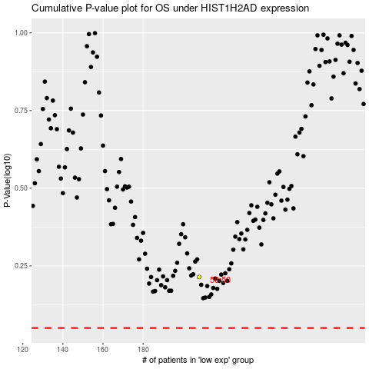

 |  |  |  |  |  | cases_OS | p_OS | rank | exp
 |  |  |  |  |  |  | cases_RFS | p_RFS | rank | exp

