HIST1H2AE _multivariate
Reported by Tex Li-Hsing Chi. tex@gate.sinica.edu.tw 2019-08-19

Table 2. The clinicopathological features of HNSCC cohort and HIST1H2AE expression. (Chi square test)
Cutoff at -0.238 (49.8%)
 |  | HIST1H2AE expression |  | HIST1H2AE expression |  | (Optimised)
 | Features | Low | (%) | High | (%) | Case no | P-value | Remark | Matthews
Gender | Female | 151 | 36.4 | 155 | 37.3 | 415 | 0.8007 | 0 | 0
2 | Male | 56 | 13.5 | 53 | 12.8
Age at diagnosis | <=65y | 141 | 34 | 133 | 32 | 415 | 0.4272 | 0 | 0
4 | >65y | 66 | 15.9 | 75 | 18.1
Clinical T Status | T1+T2 | 81 | 19.5 | 68 | 16.4 | 415 | 0.206 | 0 | 0
6 | T3+T4 | 126 | 30.4 | 140 | 33.7
Clinical N Status | N0 | 104 | 25.1 | 112 | 27 | 415 | 0.5243 | 0 | 0
8 | N1-3 | 103 | 24.8 | 96 | 23.1
Clinical M Status | M0 | 206 | 49.6 | 206 | 49.6 | 415 | 1 | 0 | 0
10 | M1 | 1 | 0.2 | 2 | 0.5
Clinical Stage | Stage I+II | 51 | 12.3 | 51 | 12.3 | 415 | 1 | 0 | 0
12 | Stage III+IV | 156 | 37.6 | 157 | 37.8
Surgical Margin status | Negative | 156 | 37.6 | 162 | 39 | 415 | 0.5636 | 0 | 0
14 | Positive | 51 | 12.3 | 46 | 11.1
Tobacco Exposure | Low | 78 | 18.8 | 83 | 20 | 415 | 0.6873 | 0 | 0
16 | High | 129 | 31.1 | 125 | 30.1

Table 3. Univariate/Multivariate Cox's proportional hazards regression analyses on OS time of HIST1H2AE gene expression in HNSCC

 |  | Univariate |  |  |  | Multivariate
 | Features | HR | CI95%(L) | CI95%(H) | P-value | HR | CI95%(L) | CI95%(H) | P-value
1 | Female | 1 |  |  |  | 1
Gender | Male | 1.157 | 0.843 | 1.587 | 0.367 | 1.199 | 0.859 | 1.675 | 0.287
11 | <=65y | 1 |  |  |  | 1
Age at diagnosis | >65y | 1.329 | 0.99 | 1.784 | 0.058 | 1.404 | 1.032 | 1.911 | 0.031
12 | T1+T2 | 1 |  |  |  | 1
Clinical T Status | T3+T4 | 1.409 | 1.028 | 1.931 | 0.033 | 2.27 | 1.197 | 4.305 | 0.012
13 | N0 | 1 |  |  |  | 1
Clinical N Status | N1-3 | 1.185 | 0.89 | 1.577 | 0.246 | 1.251 | 0.876 | 1.786 | 0.218
14 | M0 | 1 |  |  |  | 1
Clinical M Status | M1 | 4.097 | 1.009 | 16.644 | 0.049 | 10.062 | 2.182 | 46.41 | 0.003
15 | Stage I+II | 1 |  |  |  | 1
Clinical Stage | Stage III+IV | 1.245 | 0.882 | 1.759 | 0.213 | 0.489 | 0.227 | 1.052 | 0.067
16 | Negative | 1 |  |  |  | 1
Surgical Margin status | Positive | 1.591 | 1.155 | 2.191 | 0.004 | 1.685 | 1.219 | 2.329 | 0.002
17 | Low | 1 |  |  |  | 1
Tobacco Exposure | High | 1.364 | 1.008 | 1.844 | 0.044 | 1.432 | 1.038 | 1.976 | 0.029
18 | Low | 1 |  |  |  | 1
RNAseq(z-score) | High | 0.908 | 0.681 | 1.209 | 0.507 | 0.865 | 0.647 | 1.157 | 0.33

Table 4. Univariate/Multivariate Cox's proportional hazards regression analyses on RFS time of HIST1H2AE gene expression in HNSCC

 |  | Univariate |  |  |  | Multivariate
 | Features | HR | CI95%(L) | CI95%(H) | P-value | HR | CI95%(L) | CI95%(H) | P-value
1 | Female | 1 |  |  |  | 1
Gender | Male | 1.157 | 0.843 | 1.587 | 0.367 | 1.199 | 0.859 | 1.675 | 0.287
11 | <=65y | 1 |  |  |  | 1
Age at diagnosis | >65y | 1.329 | 0.99 | 1.784 | 0.058 | 1.404 | 1.032 | 1.911 | 0.031
12 | T1+T2 | 1 |  |  |  | 1
Clinical T Status | T3+T4 | 1.409 | 1.028 | 1.931 | 0.033 | 2.27 | 1.197 | 4.305 | 0.012
13 | N0 | 1 |  |  |  | 1
Clinical N Status | N1-3 | 1.185 | 0.89 | 1.577 | 0.246 | 1.251 | 0.876 | 1.786 | 0.218
14 | M0 | 1 |  |  |  | 1
Clinical M Status | M1 | 4.097 | 1.009 | 16.644 | 0.049 | 10.062 | 2.182 | 46.41 | 0.003
15 | Stage I+II | 1 |  |  |  | 1
Clinical Stage | Stage III+IV | 1.245 | 0.882 | 1.759 | 0.213 | 0.489 | 0.227 | 1.052 | 0.067
16 | Negative | 1 |  |  |  | 1
Surgical Margin status | Positive | 1.591 | 1.155 | 2.191 | 0.004 | 1.685 | 1.219 | 2.329 | 0.002
17 | Low | 1 |  |  |  | 1
Tobacco Exposure | High | 1.364 | 1.008 | 1.844 | 0.044 | 1.432 | 1.038 | 1.976 | 0.029
18 | Low | 1 |  |  |  | 1
RNAseq(z-score) | High | 0.908 | 0.681 | 1.209 | 0.507 | 0.865 | 0.647 | 1.157 | 0.33

Kaplan-Meier survival estimate: Cutoff at -0.238 (49.8%)



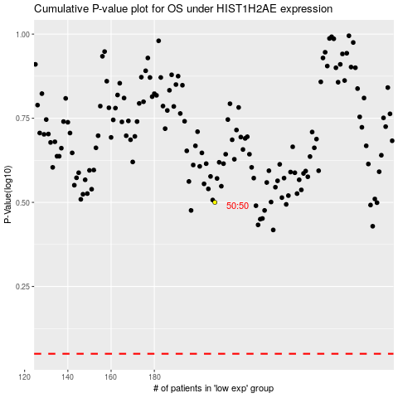

 |  |  |  |  |  | cases_OS | p_OS | rank | exp
 |  |  |  |  |  |  | cases_RFS | p_RFS | rank | exp

