HIST1H2AG _multivariate
Reported by Tex Li-Hsing Chi. tex@gate.sinica.edu.tw 2019-08-19

Table 2. The clinicopathological features of HNSCC cohort and HIST1H2AG expression. (Chi square test)
Cutoff at -0.234 (49.8%)
 |  | HIST1H2AG expression |  | HIST1H2AG expression |  | (Optimised)
 | Features | Low | (%) | High | (%) | Case no | P-value | Remark | Matthews
Gender | Female | 142 | 34.2 | 164 | 39.5 | 415 | 0.0238 | 1 | 0
2 | Male | 65 | 15.7 | 44 | 10.6
Age at diagnosis | <=65y | 132 | 31.8 | 142 | 34.2 | 415 | 0.3874 | 0 | 0
4 | >65y | 75 | 18.1 | 66 | 15.9
Clinical T Status | T1+T2 | 82 | 19.8 | 67 | 16.1 | 415 | 0.1417 | 0 | 0
6 | T3+T4 | 125 | 30.1 | 141 | 34
Clinical N Status | N0 | 116 | 28 | 100 | 24.1 | 415 | 0.1273 | 1 | 0
8 | N1-3 | 91 | 21.9 | 108 | 26
Clinical M Status | M0 | 206 | 49.6 | 206 | 49.6 | 415 | 1 | 0 | 0
10 | M1 | 1 | 0.2 | 2 | 0.5
Clinical Stage | Stage I+II | 57 | 13.7 | 45 | 10.8 | 415 | 0.1998 | 0 | 0
12 | Stage III+IV | 150 | 36.1 | 163 | 39.3
Surgical Margin status | Negative | 152 | 36.6 | 166 | 40 | 415 | 0.1329 | 0 | 0
14 | Positive | 55 | 13.3 | 42 | 10.1
Tobacco Exposure | Low | 88 | 21.2 | 73 | 17.6 | 415 | 0.1314 | 0 | 0
16 | High | 119 | 28.7 | 135 | 32.5

Table 3. Univariate/Multivariate Cox's proportional hazards regression analyses on OS time of HIST1H2AG gene expression in HNSCC

 |  | Univariate |  |  |  | Multivariate
 | Features | HR | CI95%(L) | CI95%(H) | P-value | HR | CI95%(L) | CI95%(H) | P-value
1 | Female | 1 |  |  |  | 1
Gender | Male | 1.157 | 0.843 | 1.587 | 0.367 | 1.214 | 0.867 | 1.699 | 0.258
11 | <=65y | 1 |  |  |  | 1
Age at diagnosis | >65y | 1.329 | 0.99 | 1.784 | 0.058 | 1.398 | 1.028 | 1.901 | 0.033
12 | T1+T2 | 1 |  |  |  | 1
Clinical T Status | T3+T4 | 1.409 | 1.028 | 1.931 | 0.033 | 2.179 | 1.151 | 4.122 | 0.017
13 | N0 | 1 |  |  |  | 1
Clinical N Status | N1-3 | 1.185 | 0.89 | 1.577 | 0.246 | 1.218 | 0.849 | 1.748 | 0.285
14 | M0 | 1 |  |  |  | 1
Clinical M Status | M1 | 4.097 | 1.009 | 16.644 | 0.049 | 9.389 | 2.048 | 43.04 | 0.004
15 | Stage I+II | 1 |  |  |  | 1
Clinical Stage | Stage III+IV | 1.245 | 0.882 | 1.759 | 0.213 | 0.508 | 0.237 | 1.09 | 0.082
16 | Negative | 1 |  |  |  | 1
Surgical Margin status | Positive | 1.591 | 1.155 | 2.191 | 0.004 | 1.691 | 1.221 | 2.343 | 0.002
17 | Low | 1 |  |  |  | 1
Tobacco Exposure | High | 1.364 | 1.008 | 1.844 | 0.044 | 1.456 | 1.056 | 2.006 | 0.022
18 | Low | 1 |  |  |  | 1
RNAseq(z-score) | High | 1.07 | 0.803 | 1.426 | 0.646 | 1.093 | 0.81 | 1.475 | 0.561

Table 4. Univariate/Multivariate Cox's proportional hazards regression analyses on RFS time of HIST1H2AG gene expression in HNSCC

 |  | Univariate |  |  |  | Multivariate
 | Features | HR | CI95%(L) | CI95%(H) | P-value | HR | CI95%(L) | CI95%(H) | P-value
1 | Female | 1 |  |  |  | 1
Gender | Male | 1.157 | 0.843 | 1.587 | 0.367 | 1.214 | 0.867 | 1.699 | 0.258
11 | <=65y | 1 |  |  |  | 1
Age at diagnosis | >65y | 1.329 | 0.99 | 1.784 | 0.058 | 1.398 | 1.028 | 1.901 | 0.033
12 | T1+T2 | 1 |  |  |  | 1
Clinical T Status | T3+T4 | 1.409 | 1.028 | 1.931 | 0.033 | 2.179 | 1.151 | 4.122 | 0.017
13 | N0 | 1 |  |  |  | 1
Clinical N Status | N1-3 | 1.185 | 0.89 | 1.577 | 0.246 | 1.218 | 0.849 | 1.748 | 0.285
14 | M0 | 1 |  |  |  | 1
Clinical M Status | M1 | 4.097 | 1.009 | 16.644 | 0.049 | 9.389 | 2.048 | 43.04 | 0.004
15 | Stage I+II | 1 |  |  |  | 1
Clinical Stage | Stage III+IV | 1.245 | 0.882 | 1.759 | 0.213 | 0.508 | 0.237 | 1.09 | 0.082
16 | Negative | 1 |  |  |  | 1
Surgical Margin status | Positive | 1.591 | 1.155 | 2.191 | 0.004 | 1.691 | 1.221 | 2.343 | 0.002
17 | Low | 1 |  |  |  | 1
Tobacco Exposure | High | 1.364 | 1.008 | 1.844 | 0.044 | 1.456 | 1.056 | 2.006 | 0.022
18 | Low | 1 |  |  |  | 1
RNAseq(z-score) | High | 1.07 | 0.803 | 1.426 | 0.646 | 1.093 | 0.81 | 1.475 | 0.561

Kaplan-Meier survival estimate: Cutoff at -0.234 (49.8%)



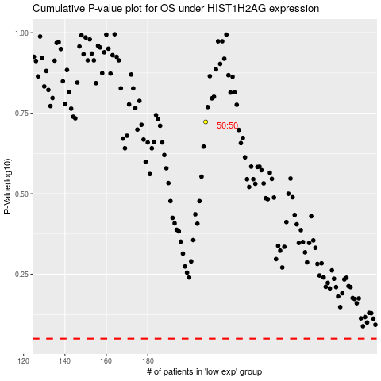

 |  |  |  |  |  | cases_OS | p_OS | rank | exp
 |  |  |  |  |  |  | cases_RFS | p_RFS | rank | exp

