HIST1H2AJ _multivariate
Reported by Tex Li-Hsing Chi. tex@gate.sinica.edu.tw 2019-08-19

Table 2. The clinicopathological features of HNSCC cohort and HIST1H2AJ expression. (Chi square test)
Cutoff at -0.289 (41.5%)
 |  | HIST1H2AJ expression |  | HIST1H2AJ expression |  | (Optimised)
 | Features | Low | (%) | High | (%) | Case no | P-value | Remark | Matthews
Gender | Female | 125 | 30.1 | 181 | 43.6 | 415 | 0.6409 | 0 | 0
2 | Male | 48 | 11.6 | 61 | 14.7
Age at diagnosis | <=65y | 119 | 28.7 | 155 | 37.3 | 415 | 0.3685 | 0 | 0
4 | >65y | 54 | 13 | 87 | 21
Clinical T Status | T1+T2 | 76 | 18.3 | 73 | 17.6 | 415 | 0.0055 | 1 | 0
6 | T3+T4 | 97 | 23.4 | 169 | 40.7
Clinical N Status | N0 | 102 | 24.6 | 114 | 27.5 | 415 | 0.0224 | 1 | 0
8 | N1-3 | 71 | 17.1 | 128 | 30.8
Clinical M Status | M0 | 173 | 41.7 | 239 | 57.6 | 415 | 0.269 | 0 | 0
10 | M1 | 0 | 0 | 3 | 0.7
Clinical Stage | Stage I+II | 53 | 12.8 | 49 | 11.8 | 415 | 0.021 | 1 | 0
12 | Stage III+IV | 120 | 28.9 | 193 | 46.5
Surgical Margin status | Negative | 134 | 32.3 | 184 | 44.3 | 415 | 0.8142 | 0 | 0
14 | Positive | 39 | 9.4 | 58 | 14
Tobacco Exposure | Low | 72 | 17.3 | 89 | 21.4 | 415 | 0.358 | 0 | 0
16 | High | 101 | 24.3 | 153 | 36.9

Table 3. Univariate/Multivariate Cox's proportional hazards regression analyses on OS time of HIST1H2AJ gene expression in HNSCC

 |  | Univariate |  |  |  | Multivariate
 | Features | HR | CI95%(L) | CI95%(H) | P-value | HR | CI95%(L) | CI95%(H) | P-value
1 | Female | 1 |  |  |  | 1
Gender | Male | 1.157 | 0.843 | 1.587 | 0.367 | 1.213 | 0.867 | 1.697 | 0.26
11 | <=65y | 1 |  |  |  | 1
Age at diagnosis | >65y | 1.329 | 0.99 | 1.784 | 0.058 | 1.362 | 1.001 | 1.853 | 0.05
12 | T1+T2 | 1 |  |  |  | 1
Clinical T Status | T3+T4 | 1.409 | 1.028 | 1.931 | 0.033 | 2.136 | 1.129 | 4.04 | 0.02
13 | N0 | 1 |  |  |  | 1
Clinical N Status | N1-3 | 1.185 | 0.89 | 1.577 | 0.246 | 1.2 | 0.839 | 1.717 | 0.318
14 | M0 | 1 |  |  |  | 1
Clinical M Status | M1 | 4.097 | 1.009 | 16.644 | 0.049 | 8.4 | 1.823 | 38.712 | 0.006
15 | Stage I+II | 1 |  |  |  | 1
Clinical Stage | Stage III+IV | 1.245 | 0.882 | 1.759 | 0.213 | 0.522 | 0.243 | 1.121 | 0.096
16 | Negative | 1 |  |  |  | 1
Surgical Margin status | Positive | 1.591 | 1.155 | 2.191 | 0.004 | 1.699 | 1.229 | 2.349 | 0.001
17 | Low | 1 |  |  |  | 1
Tobacco Exposure | High | 1.364 | 1.008 | 1.844 | 0.044 | 1.459 | 1.058 | 2.012 | 0.021
18 | Low | 1 |  |  |  | 1
RNAseq(z-score) | High | 1.357 | 1.009 | 1.825 | 0.043 | 1.299 | 0.962 | 1.755 | 0.088

Table 4. Univariate/Multivariate Cox's proportional hazards regression analyses on RFS time of HIST1H2AJ gene expression in HNSCC

 |  | Univariate |  |  |  | Multivariate
 | Features | HR | CI95%(L) | CI95%(H) | P-value | HR | CI95%(L) | CI95%(H) | P-value
1 | Female | 1 |  |  |  | 1
Gender | Male | 1.157 | 0.843 | 1.587 | 0.367 | 1.213 | 0.867 | 1.697 | 0.26
11 | <=65y | 1 |  |  |  | 1
Age at diagnosis | >65y | 1.329 | 0.99 | 1.784 | 0.058 | 1.362 | 1.001 | 1.853 | 0.05
12 | T1+T2 | 1 |  |  |  | 1
Clinical T Status | T3+T4 | 1.409 | 1.028 | 1.931 | 0.033 | 2.136 | 1.129 | 4.04 | 0.02
13 | N0 | 1 |  |  |  | 1
Clinical N Status | N1-3 | 1.185 | 0.89 | 1.577 | 0.246 | 1.2 | 0.839 | 1.717 | 0.318
14 | M0 | 1 |  |  |  | 1
Clinical M Status | M1 | 4.097 | 1.009 | 16.644 | 0.049 | 8.4 | 1.823 | 38.712 | 0.006
15 | Stage I+II | 1 |  |  |  | 1
Clinical Stage | Stage III+IV | 1.245 | 0.882 | 1.759 | 0.213 | 0.522 | 0.243 | 1.121 | 0.096
16 | Negative | 1 |  |  |  | 1
Surgical Margin status | Positive | 1.591 | 1.155 | 2.191 | 0.004 | 1.699 | 1.229 | 2.349 | 0.001
17 | Low | 1 |  |  |  | 1
Tobacco Exposure | High | 1.364 | 1.008 | 1.844 | 0.044 | 1.459 | 1.058 | 2.012 | 0.021
18 | Low | 1 |  |  |  | 1
RNAseq(z-score) | High | 1.357 | 1.009 | 1.825 | 0.043 | 1.299 | 0.962 | 1.755 | 0.088

Kaplan-Meier survival estimate: Cutoff at -0.289 (41.5%)

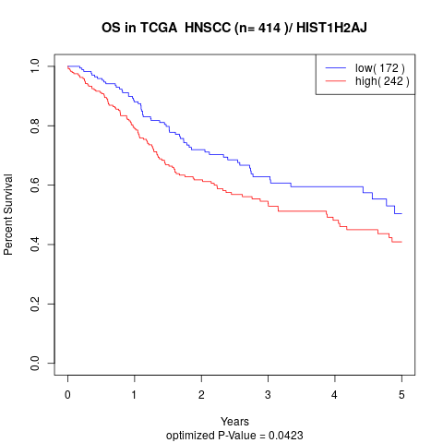

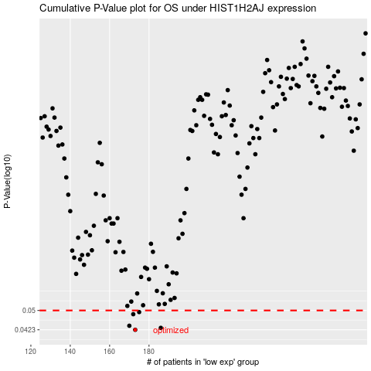

 |  |  |  |  |  | cases_OS | p_OS | rank | exp
 |  |  |  |  |  | 173 | 0.0423 | 289 | -0.28856321378
 |  |  |  |  |  | 186 | 0.043 | 79 | -0.26539620821
 |  |  |  |  |  | 170 | 0.0438 | 202 | -0.29290278946
 |  |  |  |  |  | 172 | 0.0484 | 382 | -0.28892484509
 |  |  |  |  |  | 175 | 0.0493 | 283 | -0.28338736571
 |  |  |  |  |  |  | cases_RFS | p_RFS | rank | exp
 |  |  |  |  |  |  | 172 | 0.0423 | 382 | -0.28892484509
 |  |  |  |  |  |  | 185 | 0.043 | 347 | -0.266029063
 |  |  |  |  |  |  | 169 | 0.0438 | 158 | -0.29480135382
 |  |  |  |  |  |  | 171 | 0.0484 | 386 | -0.29080080749
 |  |  |  |  |  |  | 174 | 0.0493 | 357 | -0.288450204

