HIST1H2BC _multivariate
Reported by Tex Li-Hsing Chi. tex@gate.sinica.edu.tw 2019-08-19

Table 2. The clinicopathological features of HNSCC cohort and HIST1H2BC expression. (Chi square test)
Cutoff at -0.27 (50.0%)
 |  | HIST1H2BC expression |  | HIST1H2BC expression |  | (Optimised)
 | Features | Low | (%) | High | (%) | Case no | P-value | Remark | Matthews
Gender | Female | 159 | 38.3 | 147 | 35.4 | 415 | 0.1905 | 0 | 0
2 | Male | 48 | 11.6 | 61 | 14.7
Age at diagnosis | <=65y | 138 | 33.3 | 136 | 32.8 | 415 | 0.8634 | 0 | 0
4 | >65y | 69 | 16.6 | 72 | 17.3
Clinical T Status | T1+T2 | 77 | 18.6 | 72 | 17.3 | 415 | 0.6556 | 0 | 0
6 | T3+T4 | 130 | 31.3 | 136 | 32.8
Clinical N Status | N0 | 106 | 25.5 | 110 | 26.5 | 415 | 0.8075 | 0 | 0
8 | N1-3 | 101 | 24.3 | 98 | 23.6
Clinical M Status | M0 | 206 | 49.6 | 206 | 49.6 | 415 | 1 | 0 | 0
10 | M1 | 1 | 0.2 | 2 | 0.5
Clinical Stage | Stage I+II | 50 | 12 | 52 | 12.5 | 415 | 0.9315 | 0 | 0
12 | Stage III+IV | 157 | 37.8 | 156 | 37.6
Surgical Margin status | Negative | 156 | 37.6 | 162 | 39 | 415 | 0.5636 | 0 | 0
14 | Positive | 51 | 12.3 | 46 | 11.1
Tobacco Exposure | Low | 68 | 16.4 | 93 | 22.4 | 415 | 0.0156 | 1 | 0
16 | High | 139 | 33.5 | 115 | 27.7

Table 3. Univariate/Multivariate Cox's proportional hazards regression analyses on OS time of HIST1H2BC gene expression in HNSCC

 |  | Univariate |  |  |  | Multivariate
 | Features | HR | CI95%(L) | CI95%(H) | P-value | HR | CI95%(L) | CI95%(H) | P-value
1 | Female | 1 |  |  |  | 1
Gender | Male | 1.157 | 0.843 | 1.587 | 0.367 | 1.209 | 0.865 | 1.689 | 0.266
11 | <=65y | 1 |  |  |  | 1
Age at diagnosis | >65y | 1.329 | 0.99 | 1.784 | 0.058 | 1.4 | 1.029 | 1.904 | 0.032
12 | T1+T2 | 1 |  |  |  | 1
Clinical T Status | T3+T4 | 1.409 | 1.028 | 1.931 | 0.033 | 2.237 | 1.18 | 4.239 | 0.014
13 | N0 | 1 |  |  |  | 1
Clinical N Status | N1-3 | 1.185 | 0.89 | 1.577 | 0.246 | 1.246 | 0.873 | 1.778 | 0.226
14 | M0 | 1 |  |  |  | 1
Clinical M Status | M1 | 4.097 | 1.009 | 16.644 | 0.049 | 9.823 | 2.13 | 45.298 | 0.003
15 | Stage I+II | 1 |  |  |  | 1
Clinical Stage | Stage III+IV | 1.245 | 0.882 | 1.759 | 0.213 | 0.496 | 0.23 | 1.066 | 0.072
16 | Negative | 1 |  |  |  | 1
Surgical Margin status | Positive | 1.591 | 1.155 | 2.191 | 0.004 | 1.678 | 1.214 | 2.32 | 0.002
17 | Low | 1 |  |  |  | 1
Tobacco Exposure | High | 1.364 | 1.008 | 1.844 | 0.044 | 1.419 | 1.022 | 1.971 | 0.037
18 | Low | 1 |  |  |  | 1
RNAseq(z-score) | High | 0.91 | 0.683 | 1.212 | 0.518 | 0.907 | 0.672 | 1.224 | 0.522

Table 4. Univariate/Multivariate Cox's proportional hazards regression analyses on RFS time of HIST1H2BC gene expression in HNSCC

 |  | Univariate |  |  |  | Multivariate
 | Features | HR | CI95%(L) | CI95%(H) | P-value | HR | CI95%(L) | CI95%(H) | P-value
1 | Female | 1 |  |  |  | 1
Gender | Male | 1.157 | 0.843 | 1.587 | 0.367 | 1.209 | 0.865 | 1.689 | 0.266
11 | <=65y | 1 |  |  |  | 1
Age at diagnosis | >65y | 1.329 | 0.99 | 1.784 | 0.058 | 1.4 | 1.029 | 1.904 | 0.032
12 | T1+T2 | 1 |  |  |  | 1
Clinical T Status | T3+T4 | 1.409 | 1.028 | 1.931 | 0.033 | 2.237 | 1.18 | 4.239 | 0.014
13 | N0 | 1 |  |  |  | 1
Clinical N Status | N1-3 | 1.185 | 0.89 | 1.577 | 0.246 | 1.246 | 0.873 | 1.778 | 0.226
14 | M0 | 1 |  |  |  | 1
Clinical M Status | M1 | 4.097 | 1.009 | 16.644 | 0.049 | 9.823 | 2.13 | 45.298 | 0.003
15 | Stage I+II | 1 |  |  |  | 1
Clinical Stage | Stage III+IV | 1.245 | 0.882 | 1.759 | 0.213 | 0.496 | 0.23 | 1.066 | 0.072
16 | Negative | 1 |  |  |  | 1
Surgical Margin status | Positive | 1.591 | 1.155 | 2.191 | 0.004 | 1.678 | 1.214 | 2.32 | 0.002
17 | Low | 1 |  |  |  | 1
Tobacco Exposure | High | 1.364 | 1.008 | 1.844 | 0.044 | 1.419 | 1.022 | 1.971 | 0.037
18 | Low | 1 |  |  |  | 1
RNAseq(z-score) | High | 0.91 | 0.683 | 1.212 | 0.518 | 0.907 | 0.672 | 1.224 | 0.522

Kaplan-Meier survival estimate: Cutoff at -0.27 (50.0%)



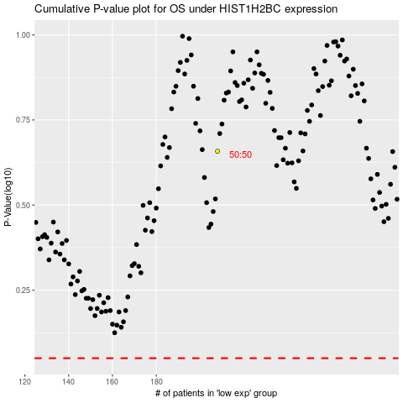

 |  |  |  |  |  | cases_OS | p_OS | rank | exp
 |  |  |  |  |  |  | cases_RFS | p_RFS | rank | exp

