HIST1H2BE _multivariate
Reported by Tex Li-Hsing Chi. tex@gate.sinica.edu.tw 2019-08-19

Table 2. The clinicopathological features of HNSCC cohort and HIST1H2BE expression. (Chi square test)
Cutoff at -0.22 (49.8%)
 |  | HIST1H2BE expression |  | HIST1H2BE expression |  | (Optimised)
 | Features | Low | (%) | High | (%) | Case no | P-value | Remark | Matthews
Gender | Female | 154 | 37.1 | 152 | 36.6 | 415 | 0.8463 | 0 | 0
2 | Male | 53 | 12.8 | 56 | 13.5
Age at diagnosis | <=65y | 140 | 33.7 | 134 | 32.3 | 415 | 0.5574 | 0 | 0
4 | >65y | 67 | 16.1 | 74 | 17.8
Clinical T Status | T1+T2 | 78 | 18.8 | 71 | 17.1 | 415 | 0.5152 | 0 | 0
6 | T3+T4 | 129 | 31.1 | 137 | 33
Clinical N Status | N0 | 110 | 26.5 | 106 | 25.5 | 415 | 0.7294 | 0 | 0
8 | N1-3 | 97 | 23.4 | 102 | 24.6
Clinical M Status | M0 | 206 | 49.6 | 206 | 49.6 | 415 | 1 | 0 | 0
10 | M1 | 1 | 0.2 | 2 | 0.5
Clinical Stage | Stage I+II | 55 | 13.3 | 47 | 11.3 | 415 | 0.4087 | 0 | 0
12 | Stage III+IV | 152 | 36.6 | 161 | 38.8
Surgical Margin status | Negative | 157 | 37.8 | 161 | 38.8 | 415 | 0.729 | 0 | 0
14 | Positive | 50 | 12 | 47 | 11.3
Tobacco Exposure | Low | 81 | 19.5 | 80 | 19.3 | 415 | 0.9199 | 0 | 0
16 | High | 126 | 30.4 | 128 | 30.8

Table 3. Univariate/Multivariate Cox's proportional hazards regression analyses on OS time of HIST1H2BE gene expression in HNSCC

 |  | Univariate |  |  |  | Multivariate
 | Features | HR | CI95%(L) | CI95%(H) | P-value | HR | CI95%(L) | CI95%(H) | P-value
1 | Female | 1 |  |  |  | 1
Gender | Male | 1.157 | 0.843 | 1.587 | 0.367 | 1.204 | 0.862 | 1.682 | 0.276
11 | <=65y | 1 |  |  |  | 1
Age at diagnosis | >65y | 1.329 | 0.99 | 1.784 | 0.058 | 1.38 | 1.015 | 1.875 | 0.04
12 | T1+T2 | 1 |  |  |  | 1
Clinical T Status | T3+T4 | 1.409 | 1.028 | 1.931 | 0.033 | 2.206 | 1.167 | 4.17 | 0.015
13 | N0 | 1 |  |  |  | 1
Clinical N Status | N1-3 | 1.185 | 0.89 | 1.577 | 0.246 | 1.24 | 0.869 | 1.77 | 0.235
14 | M0 | 1 |  |  |  | 1
Clinical M Status | M1 | 4.097 | 1.009 | 16.644 | 0.049 | 9.066 | 1.973 | 41.655 | 0.005
15 | Stage I+II | 1 |  |  |  | 1
Clinical Stage | Stage III+IV | 1.245 | 0.882 | 1.759 | 0.213 | 0.502 | 0.234 | 1.078 | 0.077
16 | Negative | 1 |  |  |  | 1
Surgical Margin status | Positive | 1.591 | 1.155 | 2.191 | 0.004 | 1.666 | 1.205 | 2.302 | 0.002
17 | Low | 1 |  |  |  | 1
Tobacco Exposure | High | 1.364 | 1.008 | 1.844 | 0.044 | 1.457 | 1.058 | 2.007 | 0.021
18 | Low | 1 |  |  |  | 1
RNAseq(z-score) | High | 1.167 | 0.876 | 1.557 | 0.292 | 1.138 | 0.852 | 1.519 | 0.381

Table 4. Univariate/Multivariate Cox's proportional hazards regression analyses on RFS time of HIST1H2BE gene expression in HNSCC

 |  | Univariate |  |  |  | Multivariate
 | Features | HR | CI95%(L) | CI95%(H) | P-value | HR | CI95%(L) | CI95%(H) | P-value
1 | Female | 1 |  |  |  | 1
Gender | Male | 1.157 | 0.843 | 1.587 | 0.367 | 1.204 | 0.862 | 1.682 | 0.276
11 | <=65y | 1 |  |  |  | 1
Age at diagnosis | >65y | 1.329 | 0.99 | 1.784 | 0.058 | 1.38 | 1.015 | 1.875 | 0.04
12 | T1+T2 | 1 |  |  |  | 1
Clinical T Status | T3+T4 | 1.409 | 1.028 | 1.931 | 0.033 | 2.206 | 1.167 | 4.17 | 0.015
13 | N0 | 1 |  |  |  | 1
Clinical N Status | N1-3 | 1.185 | 0.89 | 1.577 | 0.246 | 1.24 | 0.869 | 1.77 | 0.235
14 | M0 | 1 |  |  |  | 1
Clinical M Status | M1 | 4.097 | 1.009 | 16.644 | 0.049 | 9.066 | 1.973 | 41.655 | 0.005
15 | Stage I+II | 1 |  |  |  | 1
Clinical Stage | Stage III+IV | 1.245 | 0.882 | 1.759 | 0.213 | 0.502 | 0.234 | 1.078 | 0.077
16 | Negative | 1 |  |  |  | 1
Surgical Margin status | Positive | 1.591 | 1.155 | 2.191 | 0.004 | 1.666 | 1.205 | 2.302 | 0.002
17 | Low | 1 |  |  |  | 1
Tobacco Exposure | High | 1.364 | 1.008 | 1.844 | 0.044 | 1.457 | 1.058 | 2.007 | 0.021
18 | Low | 1 |  |  |  | 1
RNAseq(z-score) | High | 1.167 | 0.876 | 1.557 | 0.292 | 1.138 | 0.852 | 1.519 | 0.381

Kaplan-Meier survival estimate: Cutoff at -0.22 (49.8%)

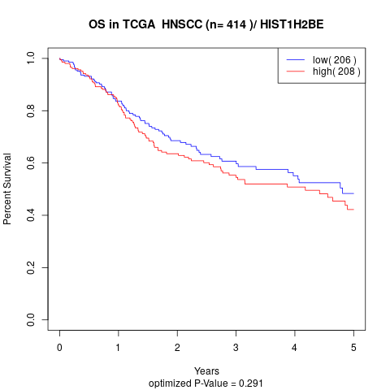

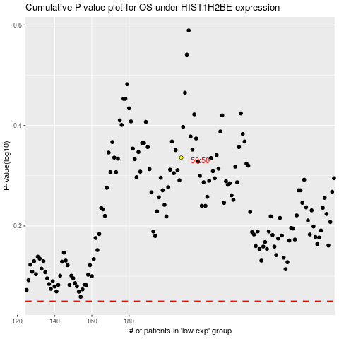

 |  |  |  |  |  | cases_OS | p_OS | rank | exp
 |  |  |  |  |  |  | cases_RFS | p_RFS | rank | exp

