HIST1H2BF _multivariate
Reported by Tex Li-Hsing Chi. tex@gate.sinica.edu.tw 2019-08-19

Table 2. The clinicopathological features of HNSCC cohort and HIST1H2BF expression. (Chi square test)
Cutoff at -0.266 (50.0%)
 |  | HIST1H2BF expression |  | HIST1H2BF expression |  | (Optimised)
 | Features | Low | (%) | High | (%) | Case no | P-value | Remark | Matthews
Gender | Female | 154 | 37.1 | 152 | 36.6 | 415 | 0.8463 | 0 | 0
2 | Male | 53 | 12.8 | 56 | 13.5
Age at diagnosis | <=65y | 143 | 34.5 | 131 | 31.6 | 415 | 0.2269 | 0 | 0
4 | >65y | 64 | 15.4 | 77 | 18.6
Clinical T Status | T1+T2 | 85 | 20.5 | 64 | 15.4 | 415 | 0.0372 | 1 | 0
6 | T3+T4 | 122 | 29.4 | 144 | 34.7
Clinical N Status | N0 | 113 | 27.2 | 103 | 24.8 | 415 | 0.3495 | 1 | 0
8 | N1-3 | 94 | 22.7 | 105 | 25.3
Clinical M Status | M0 | 205 | 49.4 | 207 | 49.9 | 415 | 0.6232 | 0 | 0
10 | M1 | 2 | 0.5 | 1 | 0.2
Clinical Stage | Stage I+II | 61 | 14.7 | 41 | 9.9 | 415 | 0.0282 | 1 | 0
12 | Stage III+IV | 146 | 35.2 | 167 | 40.2
Surgical Margin status | Negative | 153 | 36.9 | 165 | 39.8 | 415 | 0.2036 | 0 | 0
14 | Positive | 54 | 13 | 43 | 10.4
Tobacco Exposure | Low | 86 | 20.7 | 75 | 18.1 | 415 | 0.2687 | 0 | 0
16 | High | 121 | 29.2 | 133 | 32

Table 3. Univariate/Multivariate Cox's proportional hazards regression analyses on OS time of HIST1H2BF gene expression in HNSCC

 |  | Univariate |  |  |  | Multivariate
 | Features | HR | CI95%(L) | CI95%(H) | P-value | HR | CI95%(L) | CI95%(H) | P-value
1 | Female | 1 |  |  |  | 1
Gender | Male | 1.157 | 0.843 | 1.587 | 0.367 | 1.201 | 0.86 | 1.679 | 0.283
11 | <=65y | 1 |  |  |  | 1
Age at diagnosis | >65y | 1.329 | 0.99 | 1.784 | 0.058 | 1.392 | 1.022 | 1.897 | 0.036
12 | T1+T2 | 1 |  |  |  | 1
Clinical T Status | T3+T4 | 1.409 | 1.028 | 1.931 | 0.033 | 2.203 | 1.165 | 4.165 | 0.015
13 | N0 | 1 |  |  |  | 1
Clinical N Status | N1-3 | 1.185 | 0.89 | 1.577 | 0.246 | 1.241 | 0.87 | 1.771 | 0.234
14 | M0 | 1 |  |  |  | 1
Clinical M Status | M1 | 4.097 | 1.009 | 16.644 | 0.049 | 9.401 | 2.05 | 43.115 | 0.004
15 | Stage I+II | 1 |  |  |  | 1
Clinical Stage | Stage III+IV | 1.245 | 0.882 | 1.759 | 0.213 | 0.505 | 0.235 | 1.084 | 0.079
16 | Negative | 1 |  |  |  | 1
Surgical Margin status | Positive | 1.591 | 1.155 | 2.191 | 0.004 | 1.671 | 1.209 | 2.31 | 0.002
17 | Low | 1 |  |  |  | 1
Tobacco Exposure | High | 1.364 | 1.008 | 1.844 | 0.044 | 1.453 | 1.055 | 2.002 | 0.022
18 | Low | 1 |  |  |  | 1
RNAseq(z-score) | High | 1.025 | 0.768 | 1.367 | 0.869 | 0.996 | 0.743 | 1.334 | 0.976

Table 4. Univariate/Multivariate Cox's proportional hazards regression analyses on RFS time of HIST1H2BF gene expression in HNSCC

 |  | Univariate |  |  |  | Multivariate
 | Features | HR | CI95%(L) | CI95%(H) | P-value | HR | CI95%(L) | CI95%(H) | P-value
1 | Female | 1 |  |  |  | 1
Gender | Male | 1.157 | 0.843 | 1.587 | 0.367 | 1.201 | 0.86 | 1.679 | 0.283
11 | <=65y | 1 |  |  |  | 1
Age at diagnosis | >65y | 1.329 | 0.99 | 1.784 | 0.058 | 1.392 | 1.022 | 1.897 | 0.036
12 | T1+T2 | 1 |  |  |  | 1
Clinical T Status | T3+T4 | 1.409 | 1.028 | 1.931 | 0.033 | 2.203 | 1.165 | 4.165 | 0.015
13 | N0 | 1 |  |  |  | 1
Clinical N Status | N1-3 | 1.185 | 0.89 | 1.577 | 0.246 | 1.241 | 0.87 | 1.771 | 0.234
14 | M0 | 1 |  |  |  | 1
Clinical M Status | M1 | 4.097 | 1.009 | 16.644 | 0.049 | 9.401 | 2.05 | 43.115 | 0.004
15 | Stage I+II | 1 |  |  |  | 1
Clinical Stage | Stage III+IV | 1.245 | 0.882 | 1.759 | 0.213 | 0.505 | 0.235 | 1.084 | 0.079
16 | Negative | 1 |  |  |  | 1
Surgical Margin status | Positive | 1.591 | 1.155 | 2.191 | 0.004 | 1.671 | 1.209 | 2.31 | 0.002
17 | Low | 1 |  |  |  | 1
Tobacco Exposure | High | 1.364 | 1.008 | 1.844 | 0.044 | 1.453 | 1.055 | 2.002 | 0.022
18 | Low | 1 |  |  |  | 1
RNAseq(z-score) | High | 1.025 | 0.768 | 1.367 | 0.869 | 0.996 | 0.743 | 1.334 | 0.976

Kaplan-Meier survival estimate: Cutoff at -0.266 (50.0%)



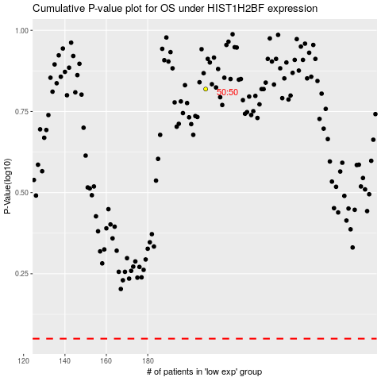

 |  |  |  |  |  | cases_OS | p_OS | rank | exp
 |  |  |  |  |  |  | cases_RFS | p_RFS | rank | exp

