HIST1H2BG _multivariate
Reported by Tex Li-Hsing Chi. tex@gate.sinica.edu.tw 2019-08-19

Table 2. The clinicopathological features of HNSCC cohort and HIST1H2BG expression. (Chi square test)
Cutoff at -0.313 (42.5%)
 |  | HIST1H2BG expression |  | HIST1H2BG expression |  | (Optimised)
 | Features | Low | (%) | High | (%) | Case no | P-value | Remark | Matthews
Gender | Female | 128 | 30.8 | 178 | 42.9 | 415 | 0.6502 | 0 | 0
2 | Male | 49 | 11.8 | 60 | 14.5
Age at diagnosis | <=65y | 120 | 28.9 | 154 | 37.1 | 415 | 0.5805 | 0 | 0
4 | >65y | 57 | 13.7 | 84 | 20.2
Clinical T Status | T1+T2 | 70 | 16.9 | 79 | 19 | 415 | 0.2183 | 0 | 0
6 | T3+T4 | 107 | 25.8 | 159 | 38.3
Clinical N Status | N0 | 85 | 20.5 | 131 | 31.6 | 415 | 0.1881 | 0 | 0
8 | N1-3 | 92 | 22.2 | 107 | 25.8
Clinical M Status | M0 | 177 | 42.7 | 235 | 56.6 | 415 | 0.2644 | 0 | 0
10 | M1 | 0 | 0 | 3 | 0.7
Clinical Stage | Stage I+II | 44 | 10.6 | 58 | 14 | 415 | 1 | 0 | 0
12 | Stage III+IV | 133 | 32 | 180 | 43.4
Surgical Margin status | Negative | 130 | 31.3 | 188 | 45.3 | 415 | 0.1984 | 0 | 0
14 | Positive | 47 | 11.3 | 50 | 12
Tobacco Exposure | Low | 69 | 16.6 | 92 | 22.2 | 415 | 1 | 0 | 0
16 | High | 108 | 26 | 146 | 35.2

Table 3. Univariate/Multivariate Cox's proportional hazards regression analyses on OS time of HIST1H2BG gene expression in HNSCC

 |  | Univariate |  |  |  | Multivariate
 | Features | HR | CI95%(L) | CI95%(H) | P-value | HR | CI95%(L) | CI95%(H) | P-value
1 | Female | 1 |  |  |  | 1
Gender | Male | 1.157 | 0.843 | 1.587 | 0.367 | 1.188 | 0.852 | 1.658 | 0.309
11 | <=65y | 1 |  |  |  | 1
Age at diagnosis | >65y | 1.329 | 0.99 | 1.784 | 0.058 | 1.393 | 1.026 | 1.892 | 0.034
12 | T1+T2 | 1 |  |  |  | 1
Clinical T Status | T3+T4 | 1.409 | 1.028 | 1.931 | 0.033 | 2.347 | 1.237 | 4.452 | 0.009
13 | N0 | 1 |  |  |  | 1
Clinical N Status | N1-3 | 1.185 | 0.89 | 1.577 | 0.246 | 1.236 | 0.867 | 1.762 | 0.242
14 | M0 | 1 |  |  |  | 1
Clinical M Status | M1 | 4.097 | 1.009 | 16.644 | 0.049 | 11.579 | 2.495 | 53.748 | 0.002
15 | Stage I+II | 1 |  |  |  | 1
Clinical Stage | Stage III+IV | 1.245 | 0.882 | 1.759 | 0.213 | 0.478 | 0.222 | 1.027 | 0.059
16 | Negative | 1 |  |  |  | 1
Surgical Margin status | Positive | 1.591 | 1.155 | 2.191 | 0.004 | 1.657 | 1.199 | 2.291 | 0.002
17 | Low | 1 |  |  |  | 1
Tobacco Exposure | High | 1.364 | 1.008 | 1.844 | 0.044 | 1.426 | 1.035 | 1.964 | 0.03
18 | Low | 1 |  |  |  | 1
RNAseq(z-score) | High | 0.732 | 0.548 | 0.977 | 0.034 | 0.717 | 0.535 | 0.96 | 0.026

Table 4. Univariate/Multivariate Cox's proportional hazards regression analyses on RFS time of HIST1H2BG gene expression in HNSCC

 |  | Univariate |  |  |  | Multivariate
 | Features | HR | CI95%(L) | CI95%(H) | P-value | HR | CI95%(L) | CI95%(H) | P-value
1 | Female | 1 |  |  |  | 1
Gender | Male | 1.157 | 0.843 | 1.587 | 0.367 | 1.188 | 0.852 | 1.658 | 0.309
11 | <=65y | 1 |  |  |  | 1
Age at diagnosis | >65y | 1.329 | 0.99 | 1.784 | 0.058 | 1.393 | 1.026 | 1.892 | 0.034
12 | T1+T2 | 1 |  |  |  | 1
Clinical T Status | T3+T4 | 1.409 | 1.028 | 1.931 | 0.033 | 2.347 | 1.237 | 4.452 | 0.009
13 | N0 | 1 |  |  |  | 1
Clinical N Status | N1-3 | 1.185 | 0.89 | 1.577 | 0.246 | 1.236 | 0.867 | 1.762 | 0.242
14 | M0 | 1 |  |  |  | 1
Clinical M Status | M1 | 4.097 | 1.009 | 16.644 | 0.049 | 11.579 | 2.495 | 53.748 | 0.002
15 | Stage I+II | 1 |  |  |  | 1
Clinical Stage | Stage III+IV | 1.245 | 0.882 | 1.759 | 0.213 | 0.478 | 0.222 | 1.027 | 0.059
16 | Negative | 1 |  |  |  | 1
Surgical Margin status | Positive | 1.591 | 1.155 | 2.191 | 0.004 | 1.657 | 1.199 | 2.291 | 0.002
17 | Low | 1 |  |  |  | 1
Tobacco Exposure | High | 1.364 | 1.008 | 1.844 | 0.044 | 1.426 | 1.035 | 1.964 | 0.03
18 | Low | 1 |  |  |  | 1
RNAseq(z-score) | High | 0.732 | 0.548 | 0.977 | 0.034 | 0.717 | 0.535 | 0.96 | 0.026

Kaplan-Meier survival estimate: Cutoff at -0.313 (42.5%)

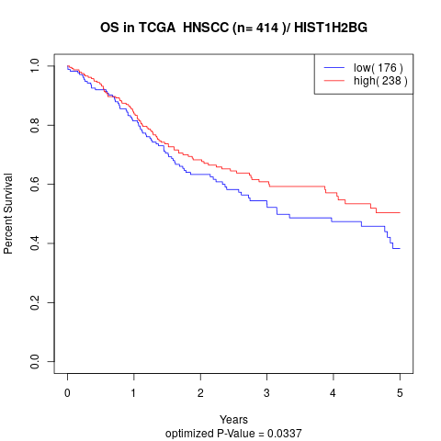

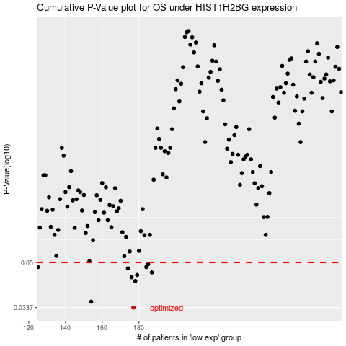

 |  |  |  |  |  | cases_OS | p_OS | rank | exp
 |  |  |  |  |  | 177 | 0.0337 | 60 | -0.31347562045
 |  |  |  |  |  | 154 | 0.0355 | 177 | -0.38645687732
 |  |  |  |  |  | 178 | 0.0425 | 304 | -0.312366544
 |  |  |  |  |  | 176 | 0.0439 | 208 | -0.31379772846
 |  |  |  |  |  | 179 | 0.0448 | 42 | -0.31150453903
 |  |  |  |  |  | 187 | 0.0458 | 271 | -0.27087683581
 |  |  |  |  |  | 174 | 0.0475 | 91 | -0.31883432647
 |  |  |  |  |  | 125 | 0.048 | 120 | -0.42640559149
 |  |  |  |  |  | 184 | 0.048 | 173 | -0.28216708768
 |  |  |  |  |  | 185 | 0.0492 | 282 | -0.27781679935
 |  |  |  |  |  |  | cases_RFS | p_RFS | rank | exp
 |  |  |  |  |  |  | 176 | 0.0337 | 208 | -0.31379772846
 |  |  |  |  |  |  | 153 | 0.0355 | 217 | -0.38729326005
 |  |  |  |  |  |  | 177 | 0.0425 | 60 | -0.31347562045
 |  |  |  |  |  |  | 175 | 0.0439 | 220 | -0.31586946863
 |  |  |  |  |  |  | 178 | 0.0448 | 304 | -0.312366544
 |  |  |  |  |  |  | 186 | 0.0458 | 394 | -0.27196944084
 |  |  |  |  |  |  | 173 | 0.0475 | 138 | -0.31928454563
 |  |  |  |  |  |  | 183 | 0.048 | 67 | -0.29805469936
 |  |  |  |  |  |  |  | 0.048 | 68 | -0.43036422575
 |  |  |  |  |  |  | 184 | 0.0492 | 173 | -0.28216708768

