HIST1H2BH _multivariate
Reported by Tex Li-Hsing Chi. tex@gate.sinica.edu.tw 2019-08-19

Table 2. The clinicopathological features of HNSCC cohort and HIST1H2BH expression. (Chi square test)
Cutoff at -0.057 (63.8%)
 |  | HIST1H2BH expression |  | HIST1H2BH expression |  | (Optimised)
 | Features | Low | (%) | High | (%) | Case no | P-value | Remark | Matthews
Gender | Female | 195 | 47 | 111 | 26.7 | 415 | 1 | 0 | 0
2 | Male | 70 | 16.9 | 39 | 9.4
Age at diagnosis | <=65y | 175 | 42.2 | 99 | 23.9 | 415 | 1 | 0 | 0
4 | >65y | 90 | 21.7 | 51 | 12.3
Clinical T Status | T1+T2 | 105 | 25.3 | 44 | 10.6 | 415 | 0.0463 | 1 | 0
6 | T3+T4 | 160 | 38.6 | 106 | 25.5
Clinical N Status | N0 | 150 | 36.1 | 66 | 15.9 | 415 | 0.0179 | 1 | 0
8 | N1-3 | 115 | 27.7 | 84 | 20.2
Clinical M Status | M0 | 265 | 63.9 | 147 | 35.4 | 415 | 0.0466 | 1 | 0
10 | M1 | 0 | 0 | 3 | 0.7
Clinical Stage | Stage I+II | 73 | 17.6 | 29 | 7 | 415 | 0.0804 | 0 | 0
12 | Stage III+IV | 192 | 46.3 | 121 | 29.2
Surgical Margin status | Negative | 204 | 49.2 | 114 | 27.5 | 415 | 0.8106 | 0 | 0
14 | Positive | 61 | 14.7 | 36 | 8.7
Tobacco Exposure | Low | 112 | 27 | 49 | 11.8 | 415 | 0.0594 | 0 | 0
16 | High | 153 | 36.9 | 101 | 24.3

Table 3. Univariate/Multivariate Cox's proportional hazards regression analyses on OS time of HIST1H2BH gene expression in HNSCC

 |  | Univariate |  |  |  | Multivariate
 | Features | HR | CI95%(L) | CI95%(H) | P-value | HR | CI95%(L) | CI95%(H) | P-value
1 | Female | 1 |  |  |  | 1
Gender | Male | 1.157 | 0.843 | 1.587 | 0.367 | 1.182 | 0.844 | 1.655 | 0.33
11 | <=65y | 1 |  |  |  | 1
Age at diagnosis | >65y | 1.329 | 0.99 | 1.784 | 0.058 | 1.376 | 1.011 | 1.872 | 0.042
12 | T1+T2 | 1 |  |  |  | 1
Clinical T Status | T3+T4 | 1.409 | 1.028 | 1.931 | 0.033 | 2.14 | 1.131 | 4.049 | 0.019
13 | N0 | 1 |  |  |  | 1
Clinical N Status | N1-3 | 1.185 | 0.89 | 1.577 | 0.246 | 1.198 | 0.837 | 1.714 | 0.324
14 | M0 | 1 |  |  |  | 1
Clinical M Status | M1 | 4.097 | 1.009 | 16.644 | 0.049 | 7.844 | 1.689 | 36.418 | 0.009
15 | Stage I+II | 1 |  |  |  | 1
Clinical Stage | Stage III+IV | 1.245 | 0.882 | 1.759 | 0.213 | 0.516 | 0.24 | 1.107 | 0.089
16 | Negative | 1 |  |  |  | 1
Surgical Margin status | Positive | 1.591 | 1.155 | 2.191 | 0.004 | 1.691 | 1.223 | 2.338 | 0.001
17 | Low | 1 |  |  |  | 1
Tobacco Exposure | High | 1.364 | 1.008 | 1.844 | 0.044 | 1.421 | 1.029 | 1.962 | 0.033
18 | Low | 1 |  |  |  | 1
RNAseq(z-score) | High | 1.433 | 1.068 | 1.922 | 0.016 | 1.31 | 0.969 | 1.77 | 0.079

Table 4. Univariate/Multivariate Cox's proportional hazards regression analyses on RFS time of HIST1H2BH gene expression in HNSCC

 |  | Univariate |  |  |  | Multivariate
 | Features | HR | CI95%(L) | CI95%(H) | P-value | HR | CI95%(L) | CI95%(H) | P-value
1 | Female | 1 |  |  |  | 1
Gender | Male | 1.157 | 0.843 | 1.587 | 0.367 | 1.182 | 0.844 | 1.655 | 0.33
11 | <=65y | 1 |  |  |  | 1
Age at diagnosis | >65y | 1.329 | 0.99 | 1.784 | 0.058 | 1.376 | 1.011 | 1.872 | 0.042
12 | T1+T2 | 1 |  |  |  | 1
Clinical T Status | T3+T4 | 1.409 | 1.028 | 1.931 | 0.033 | 2.14 | 1.131 | 4.049 | 0.019
13 | N0 | 1 |  |  |  | 1
Clinical N Status | N1-3 | 1.185 | 0.89 | 1.577 | 0.246 | 1.198 | 0.837 | 1.714 | 0.324
14 | M0 | 1 |  |  |  | 1
Clinical M Status | M1 | 4.097 | 1.009 | 16.644 | 0.049 | 7.844 | 1.689 | 36.418 | 0.009
15 | Stage I+II | 1 |  |  |  | 1
Clinical Stage | Stage III+IV | 1.245 | 0.882 | 1.759 | 0.213 | 0.516 | 0.24 | 1.107 | 0.089
16 | Negative | 1 |  |  |  | 1
Surgical Margin status | Positive | 1.591 | 1.155 | 2.191 | 0.004 | 1.691 | 1.223 | 2.338 | 0.001
17 | Low | 1 |  |  |  | 1
Tobacco Exposure | High | 1.364 | 1.008 | 1.844 | 0.044 | 1.421 | 1.029 | 1.962 | 0.033
18 | Low | 1 |  |  |  | 1
RNAseq(z-score) | High | 1.433 | 1.068 | 1.922 | 0.016 | 1.31 | 0.969 | 1.77 | 0.079

Kaplan-Meier survival estimate: Cutoff at -0.057 (63.8%)

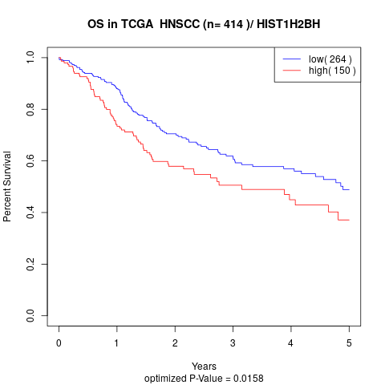

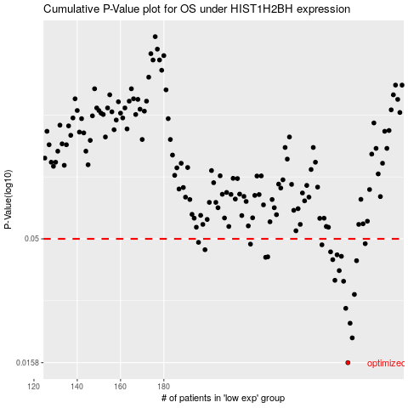

 |  |  |  |  |  | cases_OS | p_OS | rank | exp
 |  |  |  |  |  | 265 | 0.0158 | 79 | -0.057465529567
 |  |  |  |  |  | 267 | 0.0199 | 370 | -0.04843002532
 |  |  |  |  |  | 266 | 0.0228 | 388 | -0.051142628107
 |  |  |  |  |  | 264 | 0.0262 | 232 | -0.059687001633
 |  |  |  |  |  | 268 | 0.0298 | 67 | -0.045385665358
 |  |  |  |  |  | 263 | 0.0337 | 126 | -0.089024744003
 |  |  |  |  |  | 259 | 0.034 | 369 | -0.10288048486
 |  |  |  |  |  | 261 | 0.0372 | 55 | -0.091330781624
 |  |  |  |  |  | 269 | 0.0408 | 276 | -0.042305527662
 |  |  |  |  |  | 258 | 0.0412 | 136 | -0.10472466445
 |  |  |  |  |  | 227 | 0.0421 | 228 | -0.22888316107
 |  |  |  |  |  | 228 | 0.0423 | 239 | -0.22467765099
 |  |  |  |  |  | 262 | 0.0425 | 365 | -0.091012034534
 |  |  |  |  |  | 260 | 0.0431 | 101 | -0.10132577966
 |  |  |  |  |  | 257 | 0.0443 | 319 | -0.10541419897
 |  |  |  |  |  | 199 | 0.0452 | 308 | -0.30919116515
 |  |  |  |  |  | 253 | 0.0473 | 373 | -0.135005638
 |  |  |  |  |  | 220 | 0.0476 | 117 | -0.25371290888
 |  |  |  |  |  | 273 | 0.0478 | 265 | -0.032853700685
 |  |  |  |  |  | 196 | 0.0484 | 385 | -0.3276362136
 |  |  |  |  |  |  | cases_RFS | p_RFS | rank | exp
 |  |  |  |  |  |  | 264 | 0.0158 | 232 | -0.059687001633
 |  |  |  |  |  |  | 266 | 0.0199 | 388 | -0.051142628107
 |  |  |  |  |  |  | 265 | 0.0228 | 79 | -0.057465529567
 |  |  |  |  |  |  | 263 | 0.0262 | 126 | -0.089024744003
 |  |  |  |  |  |  | 267 | 0.0298 | 370 | -0.04843002532
 |  |  |  |  |  |  | 262 | 0.0337 | 365 | -0.091012034534
 |  |  |  |  |  |  | 258 | 0.034 | 136 | -0.10472466445
 |  |  |  |  |  |  | 260 | 0.0372 | 101 | -0.10132577966
 |  |  |  |  |  |  | 268 | 0.0408 | 67 | -0.045385665358
 |  |  |  |  |  |  | 257 | 0.0412 | 319 | -0.10541419897
 |  |  |  |  |  |  | 226 | 0.0421 | 219 | -0.23144940039
 |  |  |  |  |  |  | 227 | 0.0423 | 228 | -0.22888316107
 |  |  |  |  |  |  | 261 | 0.0425 | 55 | -0.091330781624
 |  |  |  |  |  |  | 259 | 0.0431 | 369 | -0.10288048486
 |  |  |  |  |  |  | 256 | 0.0443 | 116 | -0.12129626061
 |  |  |  |  |  |  | 198 | 0.0452 | 127 | -0.31505871363
 |  |  |  |  |  |  | 252 | 0.0473 | 189 | -0.13874929005
 |  |  |  |  |  |  | 219 | 0.0476 | 93 | -0.25388529251
 |  |  |  |  |  |  | 272 | 0.0478 | 334 | -0.036818524183
 |  |  |  |  |  |  | 195 | 0.0484 | 91 | -0.32979914028

