HIST1H2BJ _multivariate
Reported by Tex Li-Hsing Chi. tex@gate.sinica.edu.tw 2019-08-19

Table 2. The clinicopathological features of HNSCC cohort and HIST1H2BJ expression. (Chi square test)
Cutoff at -0.318 (49.8%)
 |  | HIST1H2BJ expression |  | HIST1H2BJ expression |  | (Optimised)
 | Features | Low | (%) | High | (%) | Case no | P-value | Remark | Matthews
Gender | Female | 151 | 36.4 | 155 | 37.3 | 415 | 0.8007 | 0 | 0
2 | Male | 56 | 13.5 | 53 | 12.8
Age at diagnosis | <=65y | 136 | 32.8 | 138 | 33.3 | 415 | 0.9719 | 0 | 0
4 | >65y | 71 | 17.1 | 70 | 16.9
Clinical T Status | T1+T2 | 70 | 16.9 | 79 | 19 | 415 | 0.4343 | 0 | 0
6 | T3+T4 | 137 | 33 | 129 | 31.1
Clinical N Status | N0 | 111 | 26.7 | 105 | 25.3 | 415 | 0.5875 | 0 | 0
8 | N1-3 | 96 | 23.1 | 103 | 24.8
Clinical M Status | M0 | 206 | 49.6 | 206 | 49.6 | 415 | 1 | 0 | 0
10 | M1 | 1 | 0.2 | 2 | 0.5
Clinical Stage | Stage I+II | 55 | 13.3 | 47 | 11.3 | 415 | 0.4087 | 0 | 0
12 | Stage III+IV | 152 | 36.6 | 161 | 38.8
Surgical Margin status | Negative | 159 | 38.3 | 159 | 38.3 | 415 | 1 | 0 | 0
14 | Positive | 48 | 11.6 | 49 | 11.8
Tobacco Exposure | Low | 83 | 20 | 78 | 18.8 | 415 | 0.6152 | 0 | 0
16 | High | 124 | 29.9 | 130 | 31.3

Table 3. Univariate/Multivariate Cox's proportional hazards regression analyses on OS time of HIST1H2BJ gene expression in HNSCC

 |  | Univariate |  |  |  | Multivariate
 | Features | HR | CI95%(L) | CI95%(H) | P-value | HR | CI95%(L) | CI95%(H) | P-value
1 | Female | 1 |  |  |  | 1
Gender | Male | 1.157 | 0.843 | 1.587 | 0.367 | 1.204 | 0.862 | 1.683 | 0.276
11 | <=65y | 1 |  |  |  | 1
Age at diagnosis | >65y | 1.329 | 0.99 | 1.784 | 0.058 | 1.398 | 1.027 | 1.901 | 0.033
12 | T1+T2 | 1 |  |  |  | 1
Clinical T Status | T3+T4 | 1.409 | 1.028 | 1.931 | 0.033 | 2.177 | 1.149 | 4.125 | 0.017
13 | N0 | 1 |  |  |  | 1
Clinical N Status | N1-3 | 1.185 | 0.89 | 1.577 | 0.246 | 1.24 | 0.869 | 1.769 | 0.236
14 | M0 | 1 |  |  |  | 1
Clinical M Status | M1 | 4.097 | 1.009 | 16.644 | 0.049 | 9.506 | 2.072 | 43.605 | 0.004
15 | Stage I+II | 1 |  |  |  | 1
Clinical Stage | Stage III+IV | 1.245 | 0.882 | 1.759 | 0.213 | 0.513 | 0.238 | 1.105 | 0.088
16 | Negative | 1 |  |  |  | 1
Surgical Margin status | Positive | 1.591 | 1.155 | 2.191 | 0.004 | 1.676 | 1.213 | 2.316 | 0.002
17 | Low | 1 |  |  |  | 1
Tobacco Exposure | High | 1.364 | 1.008 | 1.844 | 0.044 | 1.453 | 1.054 | 2.002 | 0.022
18 | Low | 1 |  |  |  | 1
RNAseq(z-score) | High | 0.952 | 0.715 | 1.269 | 0.738 | 0.937 | 0.701 | 1.252 | 0.658

Table 4. Univariate/Multivariate Cox's proportional hazards regression analyses on RFS time of HIST1H2BJ gene expression in HNSCC

 |  | Univariate |  |  |  | Multivariate
 | Features | HR | CI95%(L) | CI95%(H) | P-value | HR | CI95%(L) | CI95%(H) | P-value
1 | Female | 1 |  |  |  | 1
Gender | Male | 1.157 | 0.843 | 1.587 | 0.367 | 1.204 | 0.862 | 1.683 | 0.276
11 | <=65y | 1 |  |  |  | 1
Age at diagnosis | >65y | 1.329 | 0.99 | 1.784 | 0.058 | 1.398 | 1.027 | 1.901 | 0.033
12 | T1+T2 | 1 |  |  |  | 1
Clinical T Status | T3+T4 | 1.409 | 1.028 | 1.931 | 0.033 | 2.177 | 1.149 | 4.125 | 0.017
13 | N0 | 1 |  |  |  | 1
Clinical N Status | N1-3 | 1.185 | 0.89 | 1.577 | 0.246 | 1.24 | 0.869 | 1.769 | 0.236
14 | M0 | 1 |  |  |  | 1
Clinical M Status | M1 | 4.097 | 1.009 | 16.644 | 0.049 | 9.506 | 2.072 | 43.605 | 0.004
15 | Stage I+II | 1 |  |  |  | 1
Clinical Stage | Stage III+IV | 1.245 | 0.882 | 1.759 | 0.213 | 0.513 | 0.238 | 1.105 | 0.088
16 | Negative | 1 |  |  |  | 1
Surgical Margin status | Positive | 1.591 | 1.155 | 2.191 | 0.004 | 1.676 | 1.213 | 2.316 | 0.002
17 | Low | 1 |  |  |  | 1
Tobacco Exposure | High | 1.364 | 1.008 | 1.844 | 0.044 | 1.453 | 1.054 | 2.002 | 0.022
18 | Low | 1 |  |  |  | 1
RNAseq(z-score) | High | 0.952 | 0.715 | 1.269 | 0.738 | 0.937 | 0.701 | 1.252 | 0.658

Kaplan-Meier survival estimate: Cutoff at -0.318 (49.8%)



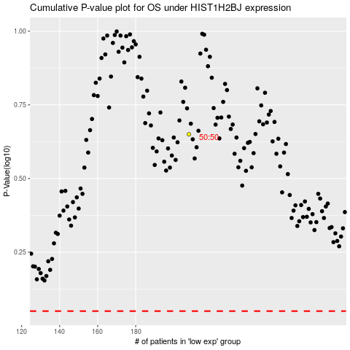

 |  |  |  |  |  | cases_OS | p_OS | rank | exp
 |  |  |  |  |  |  | cases_RFS | p_RFS | rank | exp

