HIST1H2BK _multivariate
Reported by Tex Li-Hsing Chi. tex@gate.sinica.edu.tw 2019-08-19

Table 2. The clinicopathological features of HNSCC cohort and HIST1H2BK expression. (Chi square test)
Cutoff at -0.262 (50.0%)
 |  | HIST1H2BK expression |  | HIST1H2BK expression |  | (Optimised)
 | Features | Low | (%) | High | (%) | Case no | P-value | Remark | Matthews
Gender | Female | 153 | 36.9 | 153 | 36.9 | 415 | 1 | 0 | 0
2 | Male | 54 | 13 | 55 | 13.3
Age at diagnosis | <=65y | 136 | 32.8 | 138 | 33.3 | 415 | 0.9719 | 0 | 0
4 | >65y | 71 | 17.1 | 70 | 16.9
Clinical T Status | T1+T2 | 80 | 19.3 | 69 | 16.6 | 415 | 0.2891 | 0 | 0
6 | T3+T4 | 127 | 30.6 | 139 | 33.5
Clinical N Status | N0 | 106 | 25.5 | 110 | 26.5 | 415 | 0.8075 | 0 | 0
8 | N1-3 | 101 | 24.3 | 98 | 23.6
Clinical M Status | M0 | 206 | 49.6 | 206 | 49.6 | 415 | 1 | 0 | 0
10 | M1 | 1 | 0.2 | 2 | 0.5
Clinical Stage | Stage I+II | 56 | 13.5 | 46 | 11.1 | 415 | 0.2918 | 0 | 0
12 | Stage III+IV | 151 | 36.4 | 162 | 39
Surgical Margin status | Negative | 158 | 38.1 | 160 | 38.6 | 415 | 0.9081 | 0 | 0
14 | Positive | 49 | 11.8 | 48 | 11.6
Tobacco Exposure | Low | 78 | 18.8 | 83 | 20 | 415 | 0.6873 | 0 | 0
16 | High | 129 | 31.1 | 125 | 30.1

Table 3. Univariate/Multivariate Cox's proportional hazards regression analyses on OS time of HIST1H2BK gene expression in HNSCC

 |  | Univariate |  |  |  | Multivariate
 | Features | HR | CI95%(L) | CI95%(H) | P-value | HR | CI95%(L) | CI95%(H) | P-value
1 | Female | 1 |  |  |  | 1
Gender | Male | 1.157 | 0.843 | 1.587 | 0.367 | 1.196 | 0.856 | 1.672 | 0.294
11 | <=65y | 1 |  |  |  | 1
Age at diagnosis | >65y | 1.329 | 0.99 | 1.784 | 0.058 | 1.376 | 1.012 | 1.871 | 0.042
12 | T1+T2 | 1 |  |  |  | 1
Clinical T Status | T3+T4 | 1.409 | 1.028 | 1.931 | 0.033 | 2.194 | 1.16 | 4.147 | 0.016
13 | N0 | 1 |  |  |  | 1
Clinical N Status | N1-3 | 1.185 | 0.89 | 1.577 | 0.246 | 1.248 | 0.874 | 1.781 | 0.223
14 | M0 | 1 |  |  |  | 1
Clinical M Status | M1 | 4.097 | 1.009 | 16.644 | 0.049 | 8.921 | 1.941 | 41.013 | 0.005
15 | Stage I+II | 1 |  |  |  | 1
Clinical Stage | Stage III+IV | 1.245 | 0.882 | 1.759 | 0.213 | 0.496 | 0.231 | 1.066 | 0.072
16 | Negative | 1 |  |  |  | 1
Surgical Margin status | Positive | 1.591 | 1.155 | 2.191 | 0.004 | 1.663 | 1.204 | 2.297 | 0.002
17 | Low | 1 |  |  |  | 1
Tobacco Exposure | High | 1.364 | 1.008 | 1.844 | 0.044 | 1.474 | 1.07 | 2.032 | 0.018
18 | Low | 1 |  |  |  | 1
RNAseq(z-score) | High | 1.205 | 0.905 | 1.605 | 0.202 | 1.172 | 0.876 | 1.568 | 0.284

Table 4. Univariate/Multivariate Cox's proportional hazards regression analyses on RFS time of HIST1H2BK gene expression in HNSCC

 |  | Univariate |  |  |  | Multivariate
 | Features | HR | CI95%(L) | CI95%(H) | P-value | HR | CI95%(L) | CI95%(H) | P-value
1 | Female | 1 |  |  |  | 1
Gender | Male | 1.157 | 0.843 | 1.587 | 0.367 | 1.196 | 0.856 | 1.672 | 0.294
11 | <=65y | 1 |  |  |  | 1
Age at diagnosis | >65y | 1.329 | 0.99 | 1.784 | 0.058 | 1.376 | 1.012 | 1.871 | 0.042
12 | T1+T2 | 1 |  |  |  | 1
Clinical T Status | T3+T4 | 1.409 | 1.028 | 1.931 | 0.033 | 2.194 | 1.16 | 4.147 | 0.016
13 | N0 | 1 |  |  |  | 1
Clinical N Status | N1-3 | 1.185 | 0.89 | 1.577 | 0.246 | 1.248 | 0.874 | 1.781 | 0.223
14 | M0 | 1 |  |  |  | 1
Clinical M Status | M1 | 4.097 | 1.009 | 16.644 | 0.049 | 8.921 | 1.941 | 41.013 | 0.005
15 | Stage I+II | 1 |  |  |  | 1
Clinical Stage | Stage III+IV | 1.245 | 0.882 | 1.759 | 0.213 | 0.496 | 0.231 | 1.066 | 0.072
16 | Negative | 1 |  |  |  | 1
Surgical Margin status | Positive | 1.591 | 1.155 | 2.191 | 0.004 | 1.663 | 1.204 | 2.297 | 0.002
17 | Low | 1 |  |  |  | 1
Tobacco Exposure | High | 1.364 | 1.008 | 1.844 | 0.044 | 1.474 | 1.07 | 2.032 | 0.018
18 | Low | 1 |  |  |  | 1
RNAseq(z-score) | High | 1.205 | 0.905 | 1.605 | 0.202 | 1.172 | 0.876 | 1.568 | 0.284

Kaplan-Meier survival estimate: Cutoff at -0.262 (50.0%)

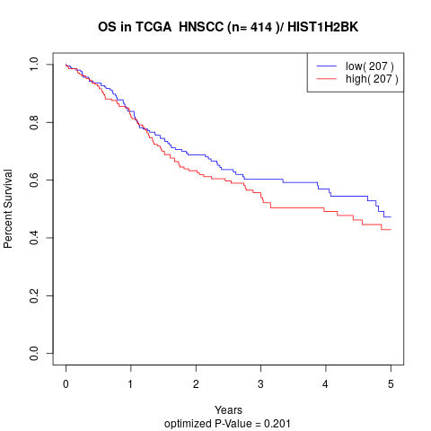

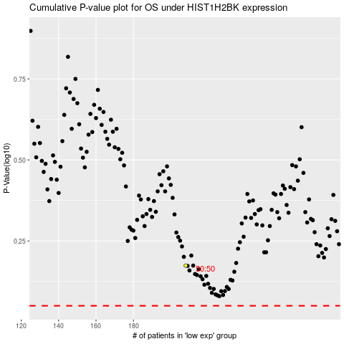

 |  |  |  |  |  | cases_OS | p_OS | rank | exp
 |  |  |  |  |  |  | cases_RFS | p_RFS | rank | exp

