HIST1H2BL _multivariate
Reported by Tex Li-Hsing Chi. tex@gate.sinica.edu.tw 2019-08-19

Table 2. The clinicopathological features of HNSCC cohort and HIST1H2BL expression. (Chi square test)
Cutoff at -0.073 (55.3%)
 |  | HIST1H2BL expression |  | HIST1H2BL expression |  | (Optimised)
 | Features | Low | (%) | High | (%) | Case no | P-value | Remark | Matthews
Gender | Female | 164 | 39.5 | 142 | 34.2 | 415 | 0.2533 | 0 | 0
2 | Male | 66 | 15.9 | 43 | 10.4
Age at diagnosis | <=65y | 158 | 38.1 | 116 | 28 | 415 | 0.2392 | 0 | 0
4 | >65y | 72 | 17.3 | 69 | 16.6
Clinical T Status | T1+T2 | 93 | 22.4 | 56 | 13.5 | 415 | 0.0411 | 1 | 0
6 | T3+T4 | 137 | 33 | 129 | 31.1
Clinical N Status | N0 | 135 | 32.5 | 81 | 19.5 | 415 | 0.0035 | 1 | 0
8 | N1-3 | 95 | 22.9 | 104 | 25.1
Clinical M Status | M0 | 230 | 55.4 | 182 | 43.9 | 415 | 0.0878 | 0 | 0
10 | M1 | 0 | 0 | 3 | 0.7
Clinical Stage | Stage I+II | 66 | 15.9 | 36 | 8.7 | 415 | 0.0396 | 1 | 0
12 | Stage III+IV | 164 | 39.5 | 149 | 35.9
Surgical Margin status | Negative | 172 | 41.4 | 146 | 35.2 | 415 | 0.3517 | 0 | 0
14 | Positive | 58 | 14 | 39 | 9.4
Tobacco Exposure | Low | 98 | 23.6 | 63 | 15.2 | 415 | 0.0851 | 0 | 0
16 | High | 132 | 31.8 | 122 | 29.4

Table 3. Univariate/Multivariate Cox's proportional hazards regression analyses on OS time of HIST1H2BL gene expression in HNSCC

 |  | Univariate |  |  |  | Multivariate
 | Features | HR | CI95%(L) | CI95%(H) | P-value | HR | CI95%(L) | CI95%(H) | P-value
1 | Female | 1 |  |  |  | 1
Gender | Male | 1.157 | 0.843 | 1.587 | 0.367 | 1.231 | 0.88 | 1.722 | 0.225
11 | <=65y | 1 |  |  |  | 1
Age at diagnosis | >65y | 1.329 | 0.99 | 1.784 | 0.058 | 1.372 | 1.008 | 1.867 | 0.045
12 | T1+T2 | 1 |  |  |  | 1
Clinical T Status | T3+T4 | 1.409 | 1.028 | 1.931 | 0.033 | 2.09 | 1.103 | 3.962 | 0.024
13 | N0 | 1 |  |  |  | 1
Clinical N Status | N1-3 | 1.185 | 0.89 | 1.577 | 0.246 | 1.205 | 0.842 | 1.723 | 0.308
14 | M0 | 1 |  |  |  | 1
Clinical M Status | M1 | 4.097 | 1.009 | 16.644 | 0.049 | 8.008 | 1.73 | 37.065 | 0.008
15 | Stage I+II | 1 |  |  |  | 1
Clinical Stage | Stage III+IV | 1.245 | 0.882 | 1.759 | 0.213 | 0.53 | 0.246 | 1.139 | 0.104
16 | Negative | 1 |  |  |  | 1
Surgical Margin status | Positive | 1.591 | 1.155 | 2.191 | 0.004 | 1.706 | 1.234 | 2.36 | 0.001
17 | Low | 1 |  |  |  | 1
Tobacco Exposure | High | 1.364 | 1.008 | 1.844 | 0.044 | 1.441 | 1.046 | 1.987 | 0.026
18 | Low | 1 |  |  |  | 1
RNAseq(z-score) | High | 1.338 | 1.005 | 1.783 | 0.046 | 1.293 | 0.964 | 1.735 | 0.087

Table 4. Univariate/Multivariate Cox's proportional hazards regression analyses on RFS time of HIST1H2BL gene expression in HNSCC

 |  | Univariate |  |  |  | Multivariate
 | Features | HR | CI95%(L) | CI95%(H) | P-value | HR | CI95%(L) | CI95%(H) | P-value
1 | Female | 1 |  |  |  | 1
Gender | Male | 1.157 | 0.843 | 1.587 | 0.367 | 1.231 | 0.88 | 1.722 | 0.225
11 | <=65y | 1 |  |  |  | 1
Age at diagnosis | >65y | 1.329 | 0.99 | 1.784 | 0.058 | 1.372 | 1.008 | 1.867 | 0.045
12 | T1+T2 | 1 |  |  |  | 1
Clinical T Status | T3+T4 | 1.409 | 1.028 | 1.931 | 0.033 | 2.09 | 1.103 | 3.962 | 0.024
13 | N0 | 1 |  |  |  | 1
Clinical N Status | N1-3 | 1.185 | 0.89 | 1.577 | 0.246 | 1.205 | 0.842 | 1.723 | 0.308
14 | M0 | 1 |  |  |  | 1
Clinical M Status | M1 | 4.097 | 1.009 | 16.644 | 0.049 | 8.008 | 1.73 | 37.065 | 0.008
15 | Stage I+II | 1 |  |  |  | 1
Clinical Stage | Stage III+IV | 1.245 | 0.882 | 1.759 | 0.213 | 0.53 | 0.246 | 1.139 | 0.104
16 | Negative | 1 |  |  |  | 1
Surgical Margin status | Positive | 1.591 | 1.155 | 2.191 | 0.004 | 1.706 | 1.234 | 2.36 | 0.001
17 | Low | 1 |  |  |  | 1
Tobacco Exposure | High | 1.364 | 1.008 | 1.844 | 0.044 | 1.441 | 1.046 | 1.987 | 0.026
18 | Low | 1 |  |  |  | 1
RNAseq(z-score) | High | 1.338 | 1.005 | 1.783 | 0.046 | 1.293 | 0.964 | 1.735 | 0.087

Kaplan-Meier survival estimate: Cutoff at -0.073 (55.3%)



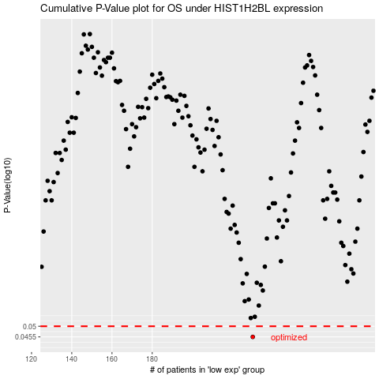

 |  |  |  |  |  | cases_OS | p_OS | rank | exp
 |  |  |  |  |  | 230 | 0.0455 | 215 | -0.072906835452
 |  |  |  |  |  |  | cases_RFS | p_RFS | rank | exp
 |  |  |  |  |  |  | 229 | 0.0455 | 314 | -0.079223407698

