HIST1H2BM _multivariate
Reported by Tex Li-Hsing Chi. tex@gate.sinica.edu.tw 2019-08-19

Table 2. The clinicopathological features of HNSCC cohort and HIST1H2BM expression. (Chi square test)
Cutoff at -0.063 (65.2%)
 |  | HIST1H2BM expression |  | HIST1H2BM expression |  | (Optimised)
 | Features | Low | (%) | High | (%) | Case no | P-value | Remark | Matthews
Gender | Female | 195 | 47 | 111 | 26.7 | 415 | 0.3112 | 0 | 0
2 | Male | 76 | 18.3 | 33 | 8
Age at diagnosis | <=65y | 186 | 44.8 | 88 | 21.2 | 415 | 0.1523 | 0 | 0
4 | >65y | 85 | 20.5 | 56 | 13.5
Clinical T Status | T1+T2 | 110 | 26.5 | 39 | 9.4 | 415 | 0.0087 | 1 | 0
6 | T3+T4 | 161 | 38.8 | 105 | 25.3
Clinical N Status | N0 | 144 | 34.7 | 72 | 17.3 | 415 | 0.6131 | 0 | 0
8 | N1-3 | 127 | 30.6 | 72 | 17.3
Clinical M Status | M0 | 269 | 64.8 | 143 | 34.5 | 415 | 1 | 0 | 0
10 | M1 | 2 | 0.5 | 1 | 0.2
Clinical Stage | Stage I+II | 73 | 17.6 | 29 | 7 | 415 | 0.1581 | 0 | 0
12 | Stage III+IV | 198 | 47.7 | 115 | 27.7
Surgical Margin status | Negative | 206 | 49.6 | 112 | 27 | 415 | 0.7163 | 0 | 0
14 | Positive | 65 | 15.7 | 32 | 7.7
Tobacco Exposure | Low | 113 | 27.2 | 48 | 11.6 | 415 | 0.1124 | 0 | 0
16 | High | 158 | 38.1 | 96 | 23.1

Table 3. Univariate/Multivariate Cox's proportional hazards regression analyses on OS time of HIST1H2BM gene expression in HNSCC

 |  | Univariate |  |  |  | Multivariate
 | Features | HR | CI95%(L) | CI95%(H) | P-value | HR | CI95%(L) | CI95%(H) | P-value
1 | Female | 1 |  |  |  | 1
Gender | Male | 1.157 | 0.843 | 1.587 | 0.367 | 1.205 | 0.863 | 1.683 | 0.274
11 | <=65y | 1 |  |  |  | 1
Age at diagnosis | >65y | 1.329 | 0.99 | 1.784 | 0.058 | 1.381 | 1.016 | 1.878 | 0.039
12 | T1+T2 | 1 |  |  |  | 1
Clinical T Status | T3+T4 | 1.409 | 1.028 | 1.931 | 0.033 | 2.094 | 1.102 | 3.977 | 0.024
13 | N0 | 1 |  |  |  | 1
Clinical N Status | N1-3 | 1.185 | 0.89 | 1.577 | 0.246 | 1.239 | 0.868 | 1.769 | 0.238
14 | M0 | 1 |  |  |  | 1
Clinical M Status | M1 | 4.097 | 1.009 | 16.644 | 0.049 | 8.968 | 1.953 | 41.183 | 0.005
15 | Stage I+II | 1 |  |  |  | 1
Clinical Stage | Stage III+IV | 1.245 | 0.882 | 1.759 | 0.213 | 0.516 | 0.24 | 1.11 | 0.09
16 | Negative | 1 |  |  |  | 1
Surgical Margin status | Positive | 1.591 | 1.155 | 2.191 | 0.004 | 1.665 | 1.205 | 2.301 | 0.002
17 | Low | 1 |  |  |  | 1
Tobacco Exposure | High | 1.364 | 1.008 | 1.844 | 0.044 | 1.425 | 1.034 | 1.965 | 0.03
18 | Low | 1 |  |  |  | 1
RNAseq(z-score) | High | 1.357 | 1.006 | 1.831 | 0.046 | 1.233 | 0.908 | 1.674 | 0.181

Table 4. Univariate/Multivariate Cox's proportional hazards regression analyses on RFS time of HIST1H2BM gene expression in HNSCC

 |  | Univariate |  |  |  | Multivariate
 | Features | HR | CI95%(L) | CI95%(H) | P-value | HR | CI95%(L) | CI95%(H) | P-value
1 | Female | 1 |  |  |  | 1
Gender | Male | 1.157 | 0.843 | 1.587 | 0.367 | 1.205 | 0.863 | 1.683 | 0.274
11 | <=65y | 1 |  |  |  | 1
Age at diagnosis | >65y | 1.329 | 0.99 | 1.784 | 0.058 | 1.381 | 1.016 | 1.878 | 0.039
12 | T1+T2 | 1 |  |  |  | 1
Clinical T Status | T3+T4 | 1.409 | 1.028 | 1.931 | 0.033 | 2.094 | 1.102 | 3.977 | 0.024
13 | N0 | 1 |  |  |  | 1
Clinical N Status | N1-3 | 1.185 | 0.89 | 1.577 | 0.246 | 1.239 | 0.868 | 1.769 | 0.238
14 | M0 | 1 |  |  |  | 1
Clinical M Status | M1 | 4.097 | 1.009 | 16.644 | 0.049 | 8.968 | 1.953 | 41.183 | 0.005
15 | Stage I+II | 1 |  |  |  | 1
Clinical Stage | Stage III+IV | 1.245 | 0.882 | 1.759 | 0.213 | 0.516 | 0.24 | 1.11 | 0.09
16 | Negative | 1 |  |  |  | 1
Surgical Margin status | Positive | 1.591 | 1.155 | 2.191 | 0.004 | 1.665 | 1.205 | 2.301 | 0.002
17 | Low | 1 |  |  |  | 1
Tobacco Exposure | High | 1.364 | 1.008 | 1.844 | 0.044 | 1.425 | 1.034 | 1.965 | 0.03
18 | Low | 1 |  |  |  | 1
RNAseq(z-score) | High | 1.357 | 1.006 | 1.831 | 0.046 | 1.233 | 0.908 | 1.674 | 0.181

Kaplan-Meier survival estimate: Cutoff at -0.063 (65.2%)

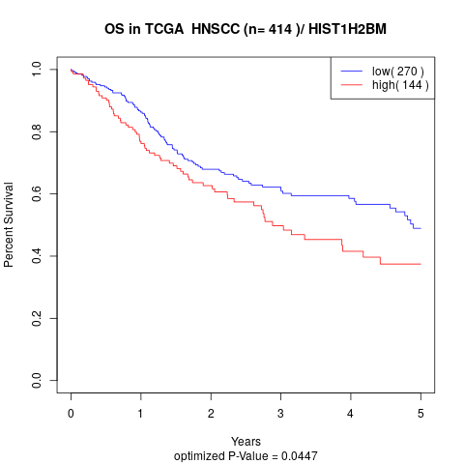

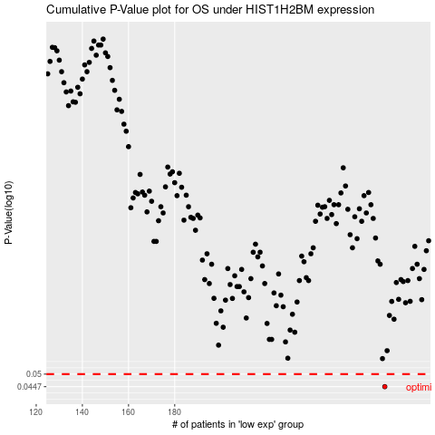

 |  |  |  |  |  | cases_OS | p_OS | rank | exp
 |  |  |  |  |  | 271 | 0.0447 | 148 | -0.062698072247
 |  |  |  |  |  |  | cases_RFS | p_RFS | rank | exp
 |  |  |  |  |  |  | 270 | 0.0447 | 165 | -0.065024918407

