HIST1H2BN _multivariate
Reported by Tex Li-Hsing Chi. tex@gate.sinica.edu.tw 2019-08-19

Table 2. The clinicopathological features of HNSCC cohort and HIST1H2BN expression. (Chi square test)
Cutoff at 0.074 (66.2%)
 |  | HIST1H2BN expression |  | HIST1H2BN expression |  | (Optimised)
 | Features | Low | (%) | High | (%) | Case no | P-value | Remark | Matthews
Gender | Female | 195 | 47 | 111 | 26.7 | 415 | 0.0863 | 0 | 0
2 | Male | 80 | 19.3 | 29 | 7
Age at diagnosis | <=65y | 179 | 43.1 | 95 | 22.9 | 415 | 0.6506 | 0 | 0
4 | >65y | 96 | 23.1 | 45 | 10.8
Clinical T Status | T1+T2 | 110 | 26.5 | 39 | 9.4 | 415 | 0.0198 | 1 | 0
6 | T3+T4 | 165 | 39.8 | 101 | 24.3
Clinical N Status | N0 | 144 | 34.7 | 72 | 17.3 | 415 | 0.9391 | 0 | 0
8 | N1-3 | 131 | 31.6 | 68 | 16.4
Clinical M Status | M0 | 273 | 65.8 | 139 | 33.5 | 415 | 1 | 0 | 0
10 | M1 | 2 | 0.5 | 1 | 0.2
Clinical Stage | Stage I+II | 75 | 18.1 | 27 | 6.5 | 415 | 0.0957 | 0 | 0
12 | Stage III+IV | 200 | 48.2 | 113 | 27.2
Surgical Margin status | Negative | 208 | 50.1 | 110 | 26.5 | 415 | 0.5413 | 0 | 0
14 | Positive | 67 | 16.1 | 30 | 7.2
Tobacco Exposure | Low | 118 | 28.4 | 43 | 10.4 | 415 | 0.019 | 1 | 0
16 | High | 157 | 37.8 | 97 | 23.4

Table 3. Univariate/Multivariate Cox's proportional hazards regression analyses on OS time of HIST1H2BN gene expression in HNSCC

 |  | Univariate |  |  |  | Multivariate
 | Features | HR | CI95%(L) | CI95%(H) | P-value | HR | CI95%(L) | CI95%(H) | P-value
1 | Female | 1 |  |  |  | 1
Gender | Male | 1.157 | 0.843 | 1.587 | 0.367 | 1.249 | 0.892 | 1.749 | 0.196
11 | <=65y | 1 |  |  |  | 1
Age at diagnosis | >65y | 1.329 | 0.99 | 1.784 | 0.058 | 1.41 | 1.038 | 1.916 | 0.028
12 | T1+T2 | 1 |  |  |  | 1
Clinical T Status | T3+T4 | 1.409 | 1.028 | 1.931 | 0.033 | 2.089 | 1.104 | 3.955 | 0.024
13 | N0 | 1 |  |  |  | 1
Clinical N Status | N1-3 | 1.185 | 0.89 | 1.577 | 0.246 | 1.245 | 0.872 | 1.777 | 0.227
14 | M0 | 1 |  |  |  | 1
Clinical M Status | M1 | 4.097 | 1.009 | 16.644 | 0.049 | 8.927 | 1.945 | 40.966 | 0.005
15 | Stage I+II | 1 |  |  |  | 1
Clinical Stage | Stage III+IV | 1.245 | 0.882 | 1.759 | 0.213 | 0.499 | 0.232 | 1.071 | 0.074
16 | Negative | 1 |  |  |  | 1
Surgical Margin status | Positive | 1.591 | 1.155 | 2.191 | 0.004 | 1.659 | 1.2 | 2.292 | 0.002
17 | Low | 1 |  |  |  | 1
Tobacco Exposure | High | 1.364 | 1.008 | 1.844 | 0.044 | 1.437 | 1.043 | 1.978 | 0.026
18 | Low | 1 |  |  |  | 1
RNAseq(z-score) | High | 1.418 | 1.054 | 1.909 | 0.021 | 1.392 | 1.024 | 1.891 | 0.035

Table 4. Univariate/Multivariate Cox's proportional hazards regression analyses on RFS time of HIST1H2BN gene expression in HNSCC

 |  | Univariate |  |  |  | Multivariate
 | Features | HR | CI95%(L) | CI95%(H) | P-value | HR | CI95%(L) | CI95%(H) | P-value
1 | Female | 1 |  |  |  | 1
Gender | Male | 1.157 | 0.843 | 1.587 | 0.367 | 1.249 | 0.892 | 1.749 | 0.196
11 | <=65y | 1 |  |  |  | 1
Age at diagnosis | >65y | 1.329 | 0.99 | 1.784 | 0.058 | 1.41 | 1.038 | 1.916 | 0.028
12 | T1+T2 | 1 |  |  |  | 1
Clinical T Status | T3+T4 | 1.409 | 1.028 | 1.931 | 0.033 | 2.089 | 1.104 | 3.955 | 0.024
13 | N0 | 1 |  |  |  | 1
Clinical N Status | N1-3 | 1.185 | 0.89 | 1.577 | 0.246 | 1.245 | 0.872 | 1.777 | 0.227
14 | M0 | 1 |  |  |  | 1
Clinical M Status | M1 | 4.097 | 1.009 | 16.644 | 0.049 | 8.927 | 1.945 | 40.966 | 0.005
15 | Stage I+II | 1 |  |  |  | 1
Clinical Stage | Stage III+IV | 1.245 | 0.882 | 1.759 | 0.213 | 0.499 | 0.232 | 1.071 | 0.074
16 | Negative | 1 |  |  |  | 1
Surgical Margin status | Positive | 1.591 | 1.155 | 2.191 | 0.004 | 1.659 | 1.2 | 2.292 | 0.002
17 | Low | 1 |  |  |  | 1
Tobacco Exposure | High | 1.364 | 1.008 | 1.844 | 0.044 | 1.437 | 1.043 | 1.978 | 0.026
18 | Low | 1 |  |  |  | 1
RNAseq(z-score) | High | 1.418 | 1.054 | 1.909 | 0.021 | 1.392 | 1.024 | 1.891 | 0.035

Kaplan-Meier survival estimate: Cutoff at 0.074 (66.2%)

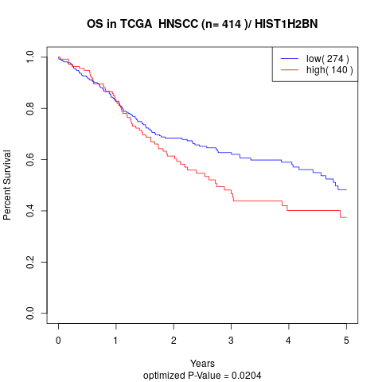

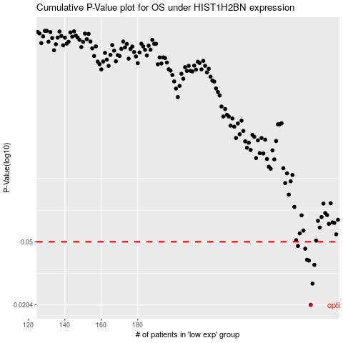

 |  |  |  |  |  | cases_OS | p_OS | rank | exp
 |  |  |  |  |  | 275 | 0.0204 | 385 | 0.07387164835
 |  |  |  |  |  | 276 | 0.0276 | 163 | 0.1014993819
 |  |  |  |  |  | 277 | 0.036 | 283 | 0.10632099514
 |  |  |  |  |  | 274 | 0.0383 | 270 | 0.07256970244
 |  |  |  |  |  | 273 | 0.0387 | 306 | 0.068696965029
 |  |  |  |  |  | 272 | 0.0453 | 11 | 0.062231369238
 |  |  |  |  |  | 268 | 0.0471 | 371 | 0.048086499264
 |  |  |  |  |  |  | cases_RFS | p_RFS | rank | exp
 |  |  |  |  |  |  | 274 | 0.0204 | 270 | 0.07256970244
 |  |  |  |  |  |  | 275 | 0.0276 | 385 | 0.07387164835
 |  |  |  |  |  |  | 276 | 0.036 | 163 | 0.1014993819
 |  |  |  |  |  |  | 273 | 0.0383 | 306 | 0.068696965029
 |  |  |  |  |  |  | 272 | 0.0387 | 11 | 0.062231369238
 |  |  |  |  |  |  | 271 | 0.0453 | 49 | 0.060399818211
 |  |  |  |  |  |  | 267 | 0.0471 | 380 | 0.03668895583

