HIST1H2BO _multivariate
Reported by Tex Li-Hsing Chi. tex@gate.sinica.edu.tw 2019-08-19

Table 2. The clinicopathological features of HNSCC cohort and HIST1H2BO expression. (Chi square test)
Cutoff at -0.352 (38.9%)
 |  | HIST1H2BO expression |  | HIST1H2BO expression |  | (Optimised)
 | Features | Low | (%) | High | (%) | Case no | P-value | Remark | Matthews
Gender | Female | 107 | 25.8 | 199 | 48 | 415 | 0.0063 | 1 | 0
2 | Male | 55 | 13.3 | 54 | 13
Age at diagnosis | <=65y | 104 | 25.1 | 170 | 41 | 415 | 0.6014 | 0 | 0
4 | >65y | 58 | 14 | 83 | 20
Clinical T Status | T1+T2 | 66 | 15.9 | 83 | 20 | 415 | 0.1238 | 0 | 0
6 | T3+T4 | 96 | 23.1 | 170 | 41
Clinical N Status | N0 | 85 | 20.5 | 131 | 31.6 | 415 | 0.9708 | 0 | 0
8 | N1-3 | 77 | 18.6 | 122 | 29.4
Clinical M Status | M0 | 162 | 39 | 250 | 60.2 | 415 | 0.2843 | 0 | 0
10 | M1 | 0 | 0 | 3 | 0.7
Clinical Stage | Stage I+II | 48 | 11.6 | 54 | 13 | 415 | 0.0726 | 0 | 0
12 | Stage III+IV | 114 | 27.5 | 199 | 48
Surgical Margin status | Negative | 131 | 31.6 | 187 | 45.1 | 415 | 0.1221 | 0 | 0
14 | Positive | 31 | 7.5 | 66 | 15.9
Tobacco Exposure | Low | 72 | 17.3 | 89 | 21.4 | 415 | 0.0636 | 0 | 0
16 | High | 90 | 21.7 | 164 | 39.5

Table 3. Univariate/Multivariate Cox's proportional hazards regression analyses on OS time of HIST1H2BO gene expression in HNSCC

 |  | Univariate |  |  |  | Multivariate
 | Features | HR | CI95%(L) | CI95%(H) | P-value | HR | CI95%(L) | CI95%(H) | P-value
1 | Female | 1 |  |  |  | 1
Gender | Male | 1.157 | 0.843 | 1.587 | 0.367 | 1.258 | 0.896 | 1.766 | 0.185
11 | <=65y | 1 |  |  |  | 1
Age at diagnosis | >65y | 1.329 | 0.99 | 1.784 | 0.058 | 1.379 | 1.014 | 1.877 | 0.041
12 | T1+T2 | 1 |  |  |  | 1
Clinical T Status | T3+T4 | 1.409 | 1.028 | 1.931 | 0.033 | 2.165 | 1.144 | 4.096 | 0.018
13 | N0 | 1 |  |  |  | 1
Clinical N Status | N1-3 | 1.185 | 0.89 | 1.577 | 0.246 | 1.287 | 0.901 | 1.838 | 0.166
14 | M0 | 1 |  |  |  | 1
Clinical M Status | M1 | 4.097 | 1.009 | 16.644 | 0.049 | 8.156 | 1.772 | 37.546 | 0.007
15 | Stage I+II | 1 |  |  |  | 1
Clinical Stage | Stage III+IV | 1.245 | 0.882 | 1.759 | 0.213 | 0.483 | 0.225 | 1.037 | 0.062
16 | Negative | 1 |  |  |  | 1
Surgical Margin status | Positive | 1.591 | 1.155 | 2.191 | 0.004 | 1.599 | 1.155 | 2.215 | 0.005
17 | Low | 1 |  |  |  | 1
Tobacco Exposure | High | 1.364 | 1.008 | 1.844 | 0.044 | 1.472 | 1.066 | 2.032 | 0.019
18 | Low | 1 |  |  |  | 1
RNAseq(z-score) | High | 1.501 | 1.108 | 2.035 | 0.009 | 1.447 | 1.059 | 1.977 | 0.02

Table 4. Univariate/Multivariate Cox's proportional hazards regression analyses on RFS time of HIST1H2BO gene expression in HNSCC

 |  | Univariate |  |  |  | Multivariate
 | Features | HR | CI95%(L) | CI95%(H) | P-value | HR | CI95%(L) | CI95%(H) | P-value
1 | Female | 1 |  |  |  | 1
Gender | Male | 1.157 | 0.843 | 1.587 | 0.367 | 1.258 | 0.896 | 1.766 | 0.185
11 | <=65y | 1 |  |  |  | 1
Age at diagnosis | >65y | 1.329 | 0.99 | 1.784 | 0.058 | 1.379 | 1.014 | 1.877 | 0.041
12 | T1+T2 | 1 |  |  |  | 1
Clinical T Status | T3+T4 | 1.409 | 1.028 | 1.931 | 0.033 | 2.165 | 1.144 | 4.096 | 0.018
13 | N0 | 1 |  |  |  | 1
Clinical N Status | N1-3 | 1.185 | 0.89 | 1.577 | 0.246 | 1.287 | 0.901 | 1.838 | 0.166
14 | M0 | 1 |  |  |  | 1
Clinical M Status | M1 | 4.097 | 1.009 | 16.644 | 0.049 | 8.156 | 1.772 | 37.546 | 0.007
15 | Stage I+II | 1 |  |  |  | 1
Clinical Stage | Stage III+IV | 1.245 | 0.882 | 1.759 | 0.213 | 0.483 | 0.225 | 1.037 | 0.062
16 | Negative | 1 |  |  |  | 1
Surgical Margin status | Positive | 1.591 | 1.155 | 2.191 | 0.004 | 1.599 | 1.155 | 2.215 | 0.005
17 | Low | 1 |  |  |  | 1
Tobacco Exposure | High | 1.364 | 1.008 | 1.844 | 0.044 | 1.472 | 1.066 | 2.032 | 0.019
18 | Low | 1 |  |  |  | 1
RNAseq(z-score) | High | 1.501 | 1.108 | 2.035 | 0.009 | 1.447 | 1.059 | 1.977 | 0.02

Kaplan-Meier survival estimate: Cutoff at -0.352 (38.9%)

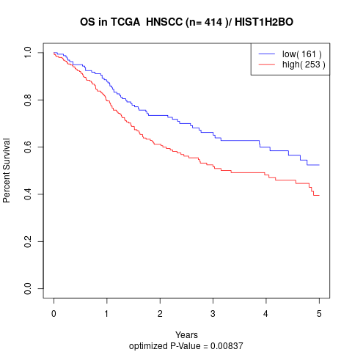

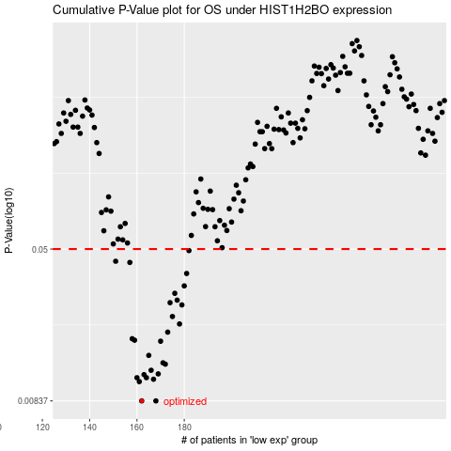

 |  |  |  |  |  | cases_OS | p_OS | rank | exp
 |  |  |  |  |  | 162 | 0.00837 | 361 | -0.35245117684
 |  |  |  |  |  | 168 | 0.00837 | 385 | -0.34894789189
 |  |  |  |  |  | 161 | 0.0105 | 119 | -0.35279730978
 |  |  |  |  |  | 167 | 0.0108 | 14 | -0.34957722451
 |  |  |  |  |  | 160 | 0.011 | 145 | -0.35287073192
 |  |  |  |  |  | 164 | 0.011 | 161 | -0.35036389029
 |  |  |  |  |  | 163 | 0.0114 | 356 | -0.35088833415
 |  |  |  |  |  | 169 | 0.0115 | 289 | -0.34683962759
 |  |  |  |  |  | 166 | 0.012 | 22 | -0.3497660243
 |  |  |  |  |  | 172 | 0.0129 | 210 | -0.34292727643
 |  |  |  |  |  | 171 | 0.0131 | 13 | -0.34373491997
 |  |  |  |  |  | 165 | 0.0143 | 303 | -0.35029046815
 |  |  |  |  |  | 170 | 0.0169 | 60 | -0.3450040741
 |  |  |  |  |  | 159 | 0.0171 | 272 | -0.35431819696
 |  |  |  |  |  | 158 | 0.0174 | 291 | -0.35432868584
 |  |  |  |  |  | 173 | 0.0188 | 222 | -0.34267554338
 |  |  |  |  |  | 178 | 0.0207 | 248 | -0.3269632055
 |  |  |  |  |  | 175 | 0.0226 | 65 | -0.33595217317
 |  |  |  |  |  | 179 | 0.0259 | 265 | -0.32683733897
 |  |  |  |  |  | 174 | 0.0266 | 310 | -0.33637172825
 |  |  |  |  |  | 177 | 0.0274 | 122 | -0.32915538081
 |  |  |  |  |  | 176 | 0.0297 | 384 | -0.33415857518
 |  |  |  |  |  | 180 | 0.0324 | 142 | -0.32449831938
 |  |  |  |  |  | 181 | 0.0375 | 409 | -0.31978881356
 |  |  |  |  |  | 157 | 0.0427 | 271 | -0.358922814
 |  |  |  |  |  | 151 | 0.0433 | 339 | -0.36348547554
 |  |  |  |  |  | 182 | 0.0491 | 371 | -0.31957903602
 |  |  |  |  |  |  | cases_RFS | p_RFS | rank | exp
 |  |  |  |  |  |  | 167 | 0.00837 | 14 | -0.34957722451
 |  |  |  |  |  |  | 161 | 0.00837 | 119 | -0.35279730978
 |  |  |  |  |  |  | 160 | 0.0105 | 145 | -0.35287073192
 |  |  |  |  |  |  | 166 | 0.0108 | 22 | -0.3497660243
 |  |  |  |  |  |  | 159 | 0.011 | 272 | -0.35431819696
 |  |  |  |  |  |  | 163 | 0.011 | 356 | -0.35088833415
 |  |  |  |  |  |  | 162 | 0.0114 | 361 | -0.35245117684
 |  |  |  |  |  |  | 168 | 0.0115 | 385 | -0.34894789189
 |  |  |  |  |  |  | 165 | 0.012 | 303 | -0.35029046815
 |  |  |  |  |  |  | 171 | 0.0129 | 13 | -0.34373491997
 |  |  |  |  |  |  | 170 | 0.0131 | 60 | -0.3450040741
 |  |  |  |  |  |  | 164 | 0.0143 | 161 | -0.35036389029
 |  |  |  |  |  |  | 169 | 0.0169 | 289 | -0.34683962759
 |  |  |  |  |  |  | 158 | 0.0171 | 291 | -0.35432868584
 |  |  |  |  |  |  | 157 | 0.0174 | 271 | -0.358922814
 |  |  |  |  |  |  | 172 | 0.0188 | 210 | -0.34292727643
 |  |  |  |  |  |  | 177 | 0.0207 | 122 | -0.32915538081
 |  |  |  |  |  |  | 174 | 0.0226 | 310 | -0.33637172825
 |  |  |  |  |  |  | 178 | 0.0259 | 248 | -0.3269632055
 |  |  |  |  |  |  | 173 | 0.0266 | 222 | -0.34267554338
 |  |  |  |  |  |  | 176 | 0.0274 | 384 | -0.33415857518
 |  |  |  |  |  |  | 175 | 0.0297 | 65 | -0.33595217317
 |  |  |  |  |  |  | 179 | 0.0324 | 265 | -0.32683733897
 |  |  |  |  |  |  | 180 | 0.0375 | 142 | -0.32449831938
 |  |  |  |  |  |  | 156 | 0.0427 | 44 | -0.35975143529
 |  |  |  |  |  |  | 150 | 0.0433 | 128 | -0.36363231982
 |  |  |  |  |  |  | 181 | 0.0491 | 409 | -0.31978881356

