HIST1H3B _multivariate
Reported by Tex Li-Hsing Chi. tex@gate.sinica.edu.tw 2019-08-19

Table 2. The clinicopathological features of HNSCC cohort and HIST1H3B expression. (Chi square test)
Cutoff at -0.44 (31.2%)
 |  | HIST1H3B expression |  | HIST1H3B expression |  | (Optimised)
 | Features | Low | (%) | High | (%) | Case no | P-value | Remark | Matthews
Gender | Female | 87 | 21 | 219 | 52.8 | 415 | 0.0664 | 0 | 0
2 | Male | 42 | 10.1 | 67 | 16.1
Age at diagnosis | <=65y | 78 | 18.8 | 196 | 47.2 | 415 | 0.1352 | 0 | 0
4 | >65y | 51 | 12.3 | 90 | 21.7
Clinical T Status | T1+T2 | 54 | 13 | 95 | 22.9 | 415 | 0.1122 | 0 | 0
6 | T3+T4 | 75 | 18.1 | 191 | 46
Clinical N Status | N0 | 78 | 18.8 | 138 | 33.3 | 415 | 0.0279 | 1 | 0
8 | N1-3 | 51 | 12.3 | 148 | 35.7
Clinical M Status | M0 | 129 | 31.1 | 283 | 68.2 | 415 | 0.5554 | 0 | 0
10 | M1 | 0 | 0 | 3 | 0.7
Clinical Stage | Stage I+II | 38 | 9.2 | 64 | 15.4 | 415 | 0.1535 | 0 | 0
12 | Stage III+IV | 91 | 21.9 | 222 | 53.5
Surgical Margin status | Negative | 107 | 25.8 | 211 | 50.8 | 415 | 0.0451 | 1 | 0
14 | Positive | 22 | 5.3 | 75 | 18.1
Tobacco Exposure | Low | 65 | 15.7 | 96 | 23.1 | 415 | 0.0015 | 1 | 0
16 | High | 64 | 15.4 | 190 | 45.8

Table 3. Univariate/Multivariate Cox's proportional hazards regression analyses on OS time of HIST1H3B gene expression in HNSCC

 |  | Univariate |  |  |  | Multivariate
 | Features | HR | CI95%(L) | CI95%(H) | P-value | HR | CI95%(L) | CI95%(H) | P-value
1 | Female | 1 |  |  |  | 1
Gender | Male | 1.157 | 0.843 | 1.587 | 0.367 | 1.24 | 0.887 | 1.734 | 0.209
11 | <=65y | 1 |  |  |  | 1
Age at diagnosis | >65y | 1.329 | 0.99 | 1.784 | 0.058 | 1.394 | 1.026 | 1.895 | 0.034
12 | T1+T2 | 1 |  |  |  | 1
Clinical T Status | T3+T4 | 1.409 | 1.028 | 1.931 | 0.033 | 2.087 | 1.102 | 3.952 | 0.024
13 | N0 | 1 |  |  |  | 1
Clinical N Status | N1-3 | 1.185 | 0.89 | 1.577 | 0.246 | 1.198 | 0.839 | 1.712 | 0.32
14 | M0 | 1 |  |  |  | 1
Clinical M Status | M1 | 4.097 | 1.009 | 16.644 | 0.049 | 8.336 | 1.811 | 38.36 | 0.006
15 | Stage I+II | 1 |  |  |  | 1
Clinical Stage | Stage III+IV | 1.245 | 0.882 | 1.759 | 0.213 | 0.539 | 0.251 | 1.16 | 0.114
16 | Negative | 1 |  |  |  | 1
Surgical Margin status | Positive | 1.591 | 1.155 | 2.191 | 0.004 | 1.595 | 1.151 | 2.21 | 0.005
17 | Low | 1 |  |  |  | 1
Tobacco Exposure | High | 1.364 | 1.008 | 1.844 | 0.044 | 1.427 | 1.037 | 1.965 | 0.029
18 | Low | 1 |  |  |  | 1
RNAseq(z-score) | High | 1.505 | 1.091 | 2.078 | 0.013 | 1.378 | 0.99 | 1.919 | 0.057

Table 4. Univariate/Multivariate Cox's proportional hazards regression analyses on RFS time of HIST1H3B gene expression in HNSCC

 |  | Univariate |  |  |  | Multivariate
 | Features | HR | CI95%(L) | CI95%(H) | P-value | HR | CI95%(L) | CI95%(H) | P-value
1 | Female | 1 |  |  |  | 1
Gender | Male | 1.157 | 0.843 | 1.587 | 0.367 | 1.24 | 0.887 | 1.734 | 0.209
11 | <=65y | 1 |  |  |  | 1
Age at diagnosis | >65y | 1.329 | 0.99 | 1.784 | 0.058 | 1.394 | 1.026 | 1.895 | 0.034
12 | T1+T2 | 1 |  |  |  | 1
Clinical T Status | T3+T4 | 1.409 | 1.028 | 1.931 | 0.033 | 2.087 | 1.102 | 3.952 | 0.024
13 | N0 | 1 |  |  |  | 1
Clinical N Status | N1-3 | 1.185 | 0.89 | 1.577 | 0.246 | 1.198 | 0.839 | 1.712 | 0.32
14 | M0 | 1 |  |  |  | 1
Clinical M Status | M1 | 4.097 | 1.009 | 16.644 | 0.049 | 8.336 | 1.811 | 38.36 | 0.006
15 | Stage I+II | 1 |  |  |  | 1
Clinical Stage | Stage III+IV | 1.245 | 0.882 | 1.759 | 0.213 | 0.539 | 0.251 | 1.16 | 0.114
16 | Negative | 1 |  |  |  | 1
Surgical Margin status | Positive | 1.591 | 1.155 | 2.191 | 0.004 | 1.595 | 1.151 | 2.21 | 0.005
17 | Low | 1 |  |  |  | 1
Tobacco Exposure | High | 1.364 | 1.008 | 1.844 | 0.044 | 1.427 | 1.037 | 1.965 | 0.029
18 | Low | 1 |  |  |  | 1
RNAseq(z-score) | High | 1.505 | 1.091 | 2.078 | 0.013 | 1.378 | 0.99 | 1.919 | 0.057

Kaplan-Meier survival estimate: Cutoff at -0.44 (31.2%)

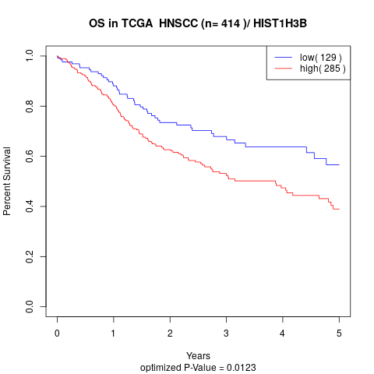

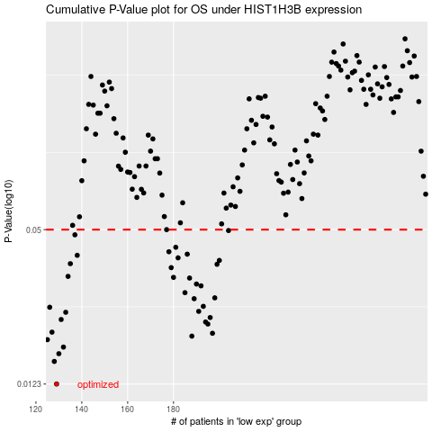

 |  |  |  |  |  | cases_OS | p_OS | rank | exp
 |  |  |  |  |  | 129 | 0.0123 | 260 | -0.43965726284
 |  |  |  |  |  | 128 | 0.0151 | 262 | -0.44245473205
 |  |  |  |  |  | 130 | 0.0162 | 54 | -0.43799829854
 |  |  |  |  |  | 132 | 0.0172 | 302 | -0.43246841755
 |  |  |  |  |  | 125 | 0.0184 | 65 | -0.44726898138
 |  |  |  |  |  | 188 | 0.019 | 70 | -0.30466310926
 |  |  |  |  |  | 197 | 0.0195 | 114 | -0.293408175
 |  |  |  |  |  | 127 | 0.0197 | 73 | -0.44395105279
 |  |  |  |  |  | 195 | 0.0212 | 218 | -0.29695380458
 |  |  |  |  |  | 194 | 0.0216 | 345 | -0.29955610152
 |  |  |  |  |  | 131 | 0.0221 | 400 | -0.43471289866
 |  |  |  |  |  | 196 | 0.0225 | 354 | -0.29594541452
 |  |  |  |  |  | 133 | 0.0236 | 204 | -0.43233830271
 |  |  |  |  |  | 191 | 0.0238 | 410 | -0.30075966385
 |  |  |  |  |  | 126 | 0.0247 | 150 | -0.44574013193
 |  |  |  |  |  | 193 | 0.0249 | 101 | -0.2997838025
 |  |  |  |  |  | 189 | 0.0267 | 366 | -0.30212586974
 |  |  |  |  |  | 198 | 0.0269 | 308 | -0.28726024849
 |  |  |  |  |  | 185 | 0.0282 | 413 | -0.31601562964
 |  |  |  |  |  | 192 | 0.03 | 234 | -0.30056449158
 |  |  |  |  |  | 190 | 0.0305 | 105 | -0.3011825371
 |  |  |  |  |  | 187 | 0.0322 | 230 | -0.30944482988
 |  |  |  |  |  | 180 | 0.0324 | 409 | -0.32961263114
 |  |  |  |  |  | 134 | 0.0327 | 256 | -0.43090703939
 |  |  |  |  |  | 179 | 0.0354 | 318 | -0.33254021519
 |  |  |  |  |  | 199 | 0.0365 | 280 | -0.28696749009
 |  |  |  |  |  | 135 | 0.0367 | 108 | -0.43077692455
 |  |  |  |  |  | 200 | 0.0378 | 85 | -0.28680484653
 |  |  |  |  |  | 182 | 0.0387 | 276 | -0.32574171444
 |  |  |  |  |  | 138 | 0.0396 | 241 | -0.42501934257
 |  |  |  |  |  | 186 | 0.04 | 130 | -0.31409643565
 |  |  |  |  |  | 178 | 0.0409 | 100 | -0.33260527261
 |  |  |  |  |  | 181 | 0.0426 | 352 | -0.32935240144
 |  |  |  |  |  | 137 | 0.0477 | 31 | -0.42791439792
 |  |  |  |  |  | 204 | 0.0496 | 237 | -0.27668841719
 |  |  |  |  |  | 177 | 0.05 | 30 | -0.33351607654
 |  |  |  |  |  |  | cases_RFS | p_RFS | rank | exp
 |  |  |  |  |  |  | 128 | 0.0123 | 262 | -0.44245473205
 |  |  |  |  |  |  | 127 | 0.0151 | 73 | -0.44395105279
 |  |  |  |  |  |  | 129 | 0.0162 | 260 | -0.43965726284
 |  |  |  |  |  |  | 131 | 0.0172 | 400 | -0.43471289866
 |  |  |  |  |  |  |  | 0.0184 | 146 | -0.45693000876
 |  |  |  |  |  |  | 187 | 0.019 | 230 | -0.30944482988
 |  |  |  |  |  |  | 196 | 0.0195 | 354 | -0.29594541452
 |  |  |  |  |  |  | 126 | 0.0197 | 150 | -0.44574013193
 |  |  |  |  |  |  | 194 | 0.0212 | 345 | -0.29955610152
 |  |  |  |  |  |  | 193 | 0.0216 | 101 | -0.2997838025
 |  |  |  |  |  |  | 130 | 0.0221 | 54 | -0.43799829854
 |  |  |  |  |  |  | 195 | 0.0225 | 218 | -0.29695380458
 |  |  |  |  |  |  | 132 | 0.0236 | 302 | -0.43246841755
 |  |  |  |  |  |  | 190 | 0.0238 | 105 | -0.3011825371
 |  |  |  |  |  |  | 125 | 0.0247 | 65 | -0.44726898138
 |  |  |  |  |  |  | 192 | 0.0249 | 234 | -0.30056449158
 |  |  |  |  |  |  | 188 | 0.0267 | 70 | -0.30466310926
 |  |  |  |  |  |  | 197 | 0.0269 | 114 | -0.293408175
 |  |  |  |  |  |  | 184 | 0.0282 | 245 | -0.31858539787
 |  |  |  |  |  |  | 191 | 0.03 | 410 | -0.30075966385
 |  |  |  |  |  |  | 189 | 0.0305 | 366 | -0.30212586974
 |  |  |  |  |  |  | 186 | 0.0322 | 130 | -0.31409643565
 |  |  |  |  |  |  | 179 | 0.0324 | 318 | -0.33254021519
 |  |  |  |  |  |  | 133 | 0.0327 | 204 | -0.43233830271
 |  |  |  |  |  |  | 178 | 0.0354 | 100 | -0.33260527261
 |  |  |  |  |  |  | 198 | 0.0365 | 308 | -0.28726024849
 |  |  |  |  |  |  | 134 | 0.0367 | 256 | -0.43090703939
 |  |  |  |  |  |  | 199 | 0.0378 | 280 | -0.28696749009
 |  |  |  |  |  |  | 181 | 0.0387 | 352 | -0.32935240144
 |  |  |  |  |  |  | 137 | 0.0396 | 31 | -0.42791439792
 |  |  |  |  |  |  | 185 | 0.04 | 413 | -0.31601562964
 |  |  |  |  |  |  | 177 | 0.0409 | 30 | -0.33351607654
 |  |  |  |  |  |  | 180 | 0.0426 | 409 | -0.32961263114
 |  |  |  |  |  |  | 136 | 0.0477 | 415 | -0.43058175228
 |  |  |  |  |  |  | 203 | 0.0496 | 116 | -0.27824979535
 |  |  |  |  |  |  | 176 | 0.05 | 351 | -0.34629986024

