HIST1H3C _multivariate
Reported by Tex Li-Hsing Chi. tex@gate.sinica.edu.tw 2019-08-19

Table 2. The clinicopathological features of HNSCC cohort and HIST1H3C expression. (Chi square test)
Cutoff at -0.142 (49.8%)
 |  | HIST1H3C expression |  | HIST1H3C expression |  | (Optimised)
 | Features | Low | (%) | High | (%) | Case no | P-value | Remark | Matthews
Gender | Female | 149 | 35.9 | 157 | 37.8 | 415 | 0.4848 | 0 | 0
2 | Male | 58 | 14 | 51 | 12.3
Age at diagnosis | <=65y | 131 | 31.6 | 143 | 34.5 | 415 | 0.2839 | 0 | 0
4 | >65y | 76 | 18.3 | 65 | 15.7
Clinical T Status | T1+T2 | 78 | 18.8 | 71 | 17.1 | 415 | 0.5152 | 0 | 0
6 | T3+T4 | 129 | 31.1 | 137 | 33
Clinical N Status | N0 | 118 | 28.4 | 98 | 23.6 | 415 | 0.0551 | 1 | 0
8 | N1-3 | 89 | 21.4 | 110 | 26.5
Clinical M Status | M0 | 205 | 49.4 | 207 | 49.9 | 415 | 0.6232 | 0 | 0
10 | M1 | 2 | 0.5 | 1 | 0.2
Clinical Stage | Stage I+II | 54 | 13 | 48 | 11.6 | 415 | 0.5498 | 0 | 0
12 | Stage III+IV | 153 | 36.9 | 160 | 38.6
Surgical Margin status | Negative | 154 | 37.1 | 164 | 39.5 | 415 | 0.2984 | 0 | 0
14 | Positive | 53 | 12.8 | 44 | 10.6
Tobacco Exposure | Low | 89 | 21.4 | 72 | 17.3 | 415 | 0.0872 | 0 | 0
16 | High | 118 | 28.4 | 136 | 32.8

Table 3. Univariate/Multivariate Cox's proportional hazards regression analyses on OS time of HIST1H3C gene expression in HNSCC

 |  | Univariate |  |  |  | Multivariate
 | Features | HR | CI95%(L) | CI95%(H) | P-value | HR | CI95%(L) | CI95%(H) | P-value
1 | Female | 1 |  |  |  | 1
Gender | Male | 1.157 | 0.843 | 1.587 | 0.367 | 1.207 | 0.863 | 1.689 | 0.272
11 | <=65y | 1 |  |  |  | 1
Age at diagnosis | >65y | 1.329 | 0.99 | 1.784 | 0.058 | 1.407 | 1.034 | 1.915 | 0.03
12 | T1+T2 | 1 |  |  |  | 1
Clinical T Status | T3+T4 | 1.409 | 1.028 | 1.931 | 0.033 | 2.156 | 1.139 | 4.079 | 0.018
13 | N0 | 1 |  |  |  | 1
Clinical N Status | N1-3 | 1.185 | 0.89 | 1.577 | 0.246 | 1.213 | 0.848 | 1.734 | 0.291
14 | M0 | 1 |  |  |  | 1
Clinical M Status | M1 | 4.097 | 1.009 | 16.644 | 0.049 | 9.507 | 2.074 | 43.575 | 0.004
15 | Stage I+II | 1 |  |  |  | 1
Clinical Stage | Stage III+IV | 1.245 | 0.882 | 1.759 | 0.213 | 0.521 | 0.242 | 1.12 | 0.095
16 | Negative | 1 |  |  |  | 1
Surgical Margin status | Positive | 1.591 | 1.155 | 2.191 | 0.004 | 1.672 | 1.21 | 2.309 | 0.002
17 | Low | 1 |  |  |  | 1
Tobacco Exposure | High | 1.364 | 1.008 | 1.844 | 0.044 | 1.44 | 1.045 | 1.984 | 0.026
18 | Low | 1 |  |  |  | 1
RNAseq(z-score) | High | 1.199 | 0.9 | 1.597 | 0.215 | 1.176 | 0.879 | 1.573 | 0.274

Table 4. Univariate/Multivariate Cox's proportional hazards regression analyses on RFS time of HIST1H3C gene expression in HNSCC

 |  | Univariate |  |  |  | Multivariate
 | Features | HR | CI95%(L) | CI95%(H) | P-value | HR | CI95%(L) | CI95%(H) | P-value
1 | Female | 1 |  |  |  | 1
Gender | Male | 1.157 | 0.843 | 1.587 | 0.367 | 1.207 | 0.863 | 1.689 | 0.272
11 | <=65y | 1 |  |  |  | 1
Age at diagnosis | >65y | 1.329 | 0.99 | 1.784 | 0.058 | 1.407 | 1.034 | 1.915 | 0.03
12 | T1+T2 | 1 |  |  |  | 1
Clinical T Status | T3+T4 | 1.409 | 1.028 | 1.931 | 0.033 | 2.156 | 1.139 | 4.079 | 0.018
13 | N0 | 1 |  |  |  | 1
Clinical N Status | N1-3 | 1.185 | 0.89 | 1.577 | 0.246 | 1.213 | 0.848 | 1.734 | 0.291
14 | M0 | 1 |  |  |  | 1
Clinical M Status | M1 | 4.097 | 1.009 | 16.644 | 0.049 | 9.507 | 2.074 | 43.575 | 0.004
15 | Stage I+II | 1 |  |  |  | 1
Clinical Stage | Stage III+IV | 1.245 | 0.882 | 1.759 | 0.213 | 0.521 | 0.242 | 1.12 | 0.095
16 | Negative | 1 |  |  |  | 1
Surgical Margin status | Positive | 1.591 | 1.155 | 2.191 | 0.004 | 1.672 | 1.21 | 2.309 | 0.002
17 | Low | 1 |  |  |  | 1
Tobacco Exposure | High | 1.364 | 1.008 | 1.844 | 0.044 | 1.44 | 1.045 | 1.984 | 0.026
18 | Low | 1 |  |  |  | 1
RNAseq(z-score) | High | 1.199 | 0.9 | 1.597 | 0.215 | 1.176 | 0.879 | 1.573 | 0.274

Kaplan-Meier survival estimate: Cutoff at -0.142 (49.8%)



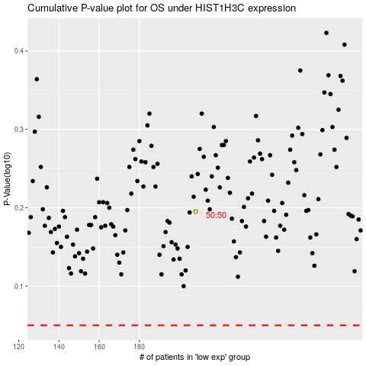

 |  |  |  |  |  | cases_OS | p_OS | rank | exp
 |  |  |  |  |  |  | cases_RFS | p_RFS | rank | exp

