HIST1H3E _multivariate
Reported by Tex Li-Hsing Chi. tex@gate.sinica.edu.tw 2019-08-19

Table 2. The clinicopathological features of HNSCC cohort and HIST1H3E expression. (Chi square test)
Cutoff at -0.275 (49.8%)
 |  | HIST1H3E expression |  | HIST1H3E expression |  | (Optimised)
 | Features | Low | (%) | High | (%) | Case no | P-value | Remark | Matthews
Gender | Female | 148 | 35.7 | 158 | 38.1 | 415 | 0.3567 | 0 | 0
2 | Male | 59 | 14.2 | 50 | 12
Age at diagnosis | <=65y | 130 | 31.3 | 144 | 34.7 | 415 | 0.2009 | 0 | 0
4 | >65y | 77 | 18.6 | 64 | 15.4
Clinical T Status | T1+T2 | 82 | 19.8 | 67 | 16.1 | 415 | 0.1417 | 0 | 0
6 | T3+T4 | 125 | 30.1 | 141 | 34
Clinical N Status | N0 | 106 | 25.5 | 110 | 26.5 | 415 | 0.8075 | 0 | 0
8 | N1-3 | 101 | 24.3 | 98 | 23.6
Clinical M Status | M0 | 206 | 49.6 | 206 | 49.6 | 415 | 1 | 0 | 0
10 | M1 | 1 | 0.2 | 2 | 0.5
Clinical Stage | Stage I+II | 52 | 12.5 | 50 | 12 | 415 | 0.8871 | 0 | 0
12 | Stage III+IV | 155 | 37.3 | 158 | 38.1
Surgical Margin status | Negative | 153 | 36.9 | 165 | 39.8 | 415 | 0.2036 | 0 | 0
14 | Positive | 54 | 13 | 43 | 10.4
Tobacco Exposure | Low | 82 | 19.8 | 79 | 19 | 415 | 0.763 | 0 | 0
16 | High | 125 | 30.1 | 129 | 31.1

Table 3. Univariate/Multivariate Cox's proportional hazards regression analyses on OS time of HIST1H3E gene expression in HNSCC

 |  | Univariate |  |  |  | Multivariate
 | Features | HR | CI95%(L) | CI95%(H) | P-value | HR | CI95%(L) | CI95%(H) | P-value
1 | Female | 1 |  |  |  | 1
Gender | Male | 1.157 | 0.843 | 1.587 | 0.367 | 1.197 | 0.856 | 1.674 | 0.294
11 | <=65y | 1 |  |  |  | 1
Age at diagnosis | >65y | 1.329 | 0.99 | 1.784 | 0.058 | 1.384 | 1.016 | 1.886 | 0.04
12 | T1+T2 | 1 |  |  |  | 1
Clinical T Status | T3+T4 | 1.409 | 1.028 | 1.931 | 0.033 | 2.219 | 1.171 | 4.203 | 0.014
13 | N0 | 1 |  |  |  | 1
Clinical N Status | N1-3 | 1.185 | 0.89 | 1.577 | 0.246 | 1.242 | 0.871 | 1.772 | 0.232
14 | M0 | 1 |  |  |  | 1
Clinical M Status | M1 | 4.097 | 1.009 | 16.644 | 0.049 | 9.567 | 2.079 | 44.037 | 0.004
15 | Stage I+II | 1 |  |  |  | 1
Clinical Stage | Stage III+IV | 1.245 | 0.882 | 1.759 | 0.213 | 0.501 | 0.233 | 1.077 | 0.077
16 | Negative | 1 |  |  |  | 1
Surgical Margin status | Positive | 1.591 | 1.155 | 2.191 | 0.004 | 1.669 | 1.207 | 2.306 | 0.002
17 | Low | 1 |  |  |  | 1
Tobacco Exposure | High | 1.364 | 1.008 | 1.844 | 0.044 | 1.453 | 1.054 | 2.002 | 0.022
18 | Low | 1 |  |  |  | 1
RNAseq(z-score) | High | 0.944 | 0.709 | 1.258 | 0.696 | 0.957 | 0.715 | 1.282 | 0.768

Table 4. Univariate/Multivariate Cox's proportional hazards regression analyses on RFS time of HIST1H3E gene expression in HNSCC

 |  | Univariate |  |  |  | Multivariate
 | Features | HR | CI95%(L) | CI95%(H) | P-value | HR | CI95%(L) | CI95%(H) | P-value
1 | Female | 1 |  |  |  | 1
Gender | Male | 1.157 | 0.843 | 1.587 | 0.367 | 1.197 | 0.856 | 1.674 | 0.294
11 | <=65y | 1 |  |  |  | 1
Age at diagnosis | >65y | 1.329 | 0.99 | 1.784 | 0.058 | 1.384 | 1.016 | 1.886 | 0.04
12 | T1+T2 | 1 |  |  |  | 1
Clinical T Status | T3+T4 | 1.409 | 1.028 | 1.931 | 0.033 | 2.219 | 1.171 | 4.203 | 0.014
13 | N0 | 1 |  |  |  | 1
Clinical N Status | N1-3 | 1.185 | 0.89 | 1.577 | 0.246 | 1.242 | 0.871 | 1.772 | 0.232
14 | M0 | 1 |  |  |  | 1
Clinical M Status | M1 | 4.097 | 1.009 | 16.644 | 0.049 | 9.567 | 2.079 | 44.037 | 0.004
15 | Stage I+II | 1 |  |  |  | 1
Clinical Stage | Stage III+IV | 1.245 | 0.882 | 1.759 | 0.213 | 0.501 | 0.233 | 1.077 | 0.077
16 | Negative | 1 |  |  |  | 1
Surgical Margin status | Positive | 1.591 | 1.155 | 2.191 | 0.004 | 1.669 | 1.207 | 2.306 | 0.002
17 | Low | 1 |  |  |  | 1
Tobacco Exposure | High | 1.364 | 1.008 | 1.844 | 0.044 | 1.453 | 1.054 | 2.002 | 0.022
18 | Low | 1 |  |  |  | 1
RNAseq(z-score) | High | 0.944 | 0.709 | 1.258 | 0.696 | 0.957 | 0.715 | 1.282 | 0.768

Kaplan-Meier survival estimate: Cutoff at -0.275 (49.8%)



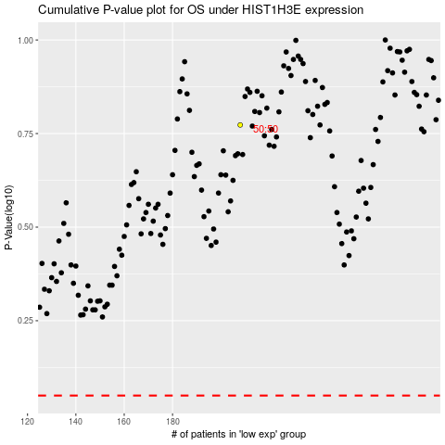

 |  |  |  |  |  | cases_OS | p_OS | rank | exp
 |  |  |  |  |  |  | cases_RFS | p_RFS | rank | exp

