HIST1H4C _multivariate
Reported by Tex Li-Hsing Chi. tex@gate.sinica.edu.tw 2019-08-19

Table 2. The clinicopathological features of HNSCC cohort and HIST1H4C expression. (Chi square test)
Cutoff at -0.211 (49.8%)
 |  | HIST1H4C expression |  | HIST1H4C expression |  | (Optimised)
 | Features | Low | (%) | High | (%) | Case no | P-value | Remark | Matthews
Gender | Female | 148 | 35.7 | 158 | 38.1 | 415 | 0.3567 | 0 | 0
2 | Male | 59 | 14.2 | 50 | 12
Age at diagnosis | <=65y | 143 | 34.5 | 131 | 31.6 | 415 | 0.2269 | 0 | 0
4 | >65y | 64 | 15.4 | 77 | 18.6
Clinical T Status | T1+T2 | 74 | 17.8 | 75 | 18.1 | 415 | 1 | 0 | 0
6 | T3+T4 | 133 | 32 | 133 | 32
Clinical N Status | N0 | 118 | 28.4 | 98 | 23.6 | 415 | 0.0551 | 1 | 0
8 | N1-3 | 89 | 21.4 | 110 | 26.5
Clinical M Status | M0 | 206 | 49.6 | 206 | 49.6 | 415 | 1 | 0 | 0
10 | M1 | 1 | 0.2 | 2 | 0.5
Clinical Stage | Stage I+II | 55 | 13.3 | 47 | 11.3 | 415 | 0.4087 | 0 | 0
12 | Stage III+IV | 152 | 36.6 | 161 | 38.8
Surgical Margin status | Negative | 155 | 37.3 | 163 | 39.3 | 415 | 0.4187 | 0 | 0
14 | Positive | 52 | 12.5 | 45 | 10.8
Tobacco Exposure | Low | 92 | 22.2 | 69 | 16.6 | 415 | 0.0206 | 1 | 0
16 | High | 115 | 27.7 | 139 | 33.5

Table 3. Univariate/Multivariate Cox's proportional hazards regression analyses on OS time of HIST1H4C gene expression in HNSCC

 |  | Univariate |  |  |  | Multivariate
 | Features | HR | CI95%(L) | CI95%(H) | P-value | HR | CI95%(L) | CI95%(H) | P-value
1 | Female | 1 |  |  |  | 1
Gender | Male | 1.157 | 0.843 | 1.587 | 0.367 | 1.202 | 0.86 | 1.679 | 0.282
11 | <=65y | 1 |  |  |  | 1
Age at diagnosis | >65y | 1.329 | 0.99 | 1.784 | 0.058 | 1.391 | 1.022 | 1.894 | 0.036
12 | T1+T2 | 1 |  |  |  | 1
Clinical T Status | T3+T4 | 1.409 | 1.028 | 1.931 | 0.033 | 2.203 | 1.164 | 4.168 | 0.015
13 | N0 | 1 |  |  |  | 1
Clinical N Status | N1-3 | 1.185 | 0.89 | 1.577 | 0.246 | 1.24 | 0.867 | 1.774 | 0.238
14 | M0 | 1 |  |  |  | 1
Clinical M Status | M1 | 4.097 | 1.009 | 16.644 | 0.049 | 9.407 | 2.052 | 43.12 | 0.004
15 | Stage I+II | 1 |  |  |  | 1
Clinical Stage | Stage III+IV | 1.245 | 0.882 | 1.759 | 0.213 | 0.505 | 0.235 | 1.084 | 0.079
16 | Negative | 1 |  |  |  | 1
Surgical Margin status | Positive | 1.591 | 1.155 | 2.191 | 0.004 | 1.672 | 1.21 | 2.31 | 0.002
17 | Low | 1 |  |  |  | 1
Tobacco Exposure | High | 1.364 | 1.008 | 1.844 | 0.044 | 1.452 | 1.05 | 2.008 | 0.024
18 | Low | 1 |  |  |  | 1
RNAseq(z-score) | High | 1.034 | 0.776 | 1.377 | 0.819 | 1.003 | 0.748 | 1.345 | 0.985

Table 4. Univariate/Multivariate Cox's proportional hazards regression analyses on RFS time of HIST1H4C gene expression in HNSCC

 |  | Univariate |  |  |  | Multivariate
 | Features | HR | CI95%(L) | CI95%(H) | P-value | HR | CI95%(L) | CI95%(H) | P-value
1 | Female | 1 |  |  |  | 1
Gender | Male | 1.157 | 0.843 | 1.587 | 0.367 | 1.202 | 0.86 | 1.679 | 0.282
11 | <=65y | 1 |  |  |  | 1
Age at diagnosis | >65y | 1.329 | 0.99 | 1.784 | 0.058 | 1.391 | 1.022 | 1.894 | 0.036
12 | T1+T2 | 1 |  |  |  | 1
Clinical T Status | T3+T4 | 1.409 | 1.028 | 1.931 | 0.033 | 2.203 | 1.164 | 4.168 | 0.015
13 | N0 | 1 |  |  |  | 1
Clinical N Status | N1-3 | 1.185 | 0.89 | 1.577 | 0.246 | 1.24 | 0.867 | 1.774 | 0.238
14 | M0 | 1 |  |  |  | 1
Clinical M Status | M1 | 4.097 | 1.009 | 16.644 | 0.049 | 9.407 | 2.052 | 43.12 | 0.004
15 | Stage I+II | 1 |  |  |  | 1
Clinical Stage | Stage III+IV | 1.245 | 0.882 | 1.759 | 0.213 | 0.505 | 0.235 | 1.084 | 0.079
16 | Negative | 1 |  |  |  | 1
Surgical Margin status | Positive | 1.591 | 1.155 | 2.191 | 0.004 | 1.672 | 1.21 | 2.31 | 0.002
17 | Low | 1 |  |  |  | 1
Tobacco Exposure | High | 1.364 | 1.008 | 1.844 | 0.044 | 1.452 | 1.05 | 2.008 | 0.024
18 | Low | 1 |  |  |  | 1
RNAseq(z-score) | High | 1.034 | 0.776 | 1.377 | 0.819 | 1.003 | 0.748 | 1.345 | 0.985

Kaplan-Meier survival estimate: Cutoff at -0.211 (49.8%)



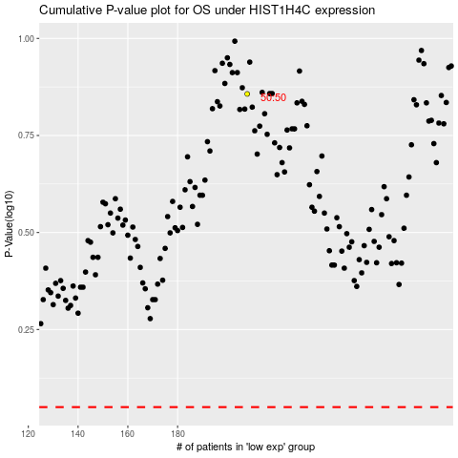

 |  |  |  |  |  | cases_OS | p_OS | rank | exp
 |  |  |  |  |  |  | cases_RFS | p_RFS | rank | exp

