HIST1H4D _multivariate
Reported by Tex Li-Hsing Chi. tex@gate.sinica.edu.tw 2019-08-19

Table 2. The clinicopathological features of HNSCC cohort and HIST1H4D expression. (Chi square test)
Cutoff at -0.193 (49.8%)
 |  | HIST1H4D expression |  | HIST1H4D expression |  | (Optimised)
 | Features | Low | (%) | High | (%) | Case no | P-value | Remark | Matthews
Gender | Female | 140 | 33.7 | 166 | 40 | 415 | 0.0068 | 1 | 0
2 | Male | 67 | 16.1 | 42 | 10.1
Age at diagnosis | <=65y | 133 | 32 | 141 | 34 | 415 | 0.5111 | 0 | 0
4 | >65y | 74 | 17.8 | 67 | 16.1
Clinical T Status | T1+T2 | 76 | 18.3 | 73 | 17.6 | 415 | 0.8092 | 0 | 0
6 | T3+T4 | 131 | 31.6 | 135 | 32.5
Clinical N Status | N0 | 119 | 28.7 | 97 | 23.4 | 415 | 0.0345 | 1 | 0
8 | N1-3 | 88 | 21.2 | 111 | 26.7
Clinical M Status | M0 | 206 | 49.6 | 206 | 49.6 | 415 | 1 | 0 | 0
10 | M1 | 1 | 0.2 | 2 | 0.5
Clinical Stage | Stage I+II | 55 | 13.3 | 47 | 11.3 | 415 | 0.4087 | 0 | 0
12 | Stage III+IV | 152 | 36.6 | 161 | 38.8
Surgical Margin status | Negative | 157 | 37.8 | 161 | 38.8 | 415 | 0.729 | 0 | 0
14 | Positive | 50 | 12 | 47 | 11.3
Tobacco Exposure | Low | 86 | 20.7 | 75 | 18.1 | 415 | 0.2687 | 0 | 0
16 | High | 121 | 29.2 | 133 | 32

Table 3. Univariate/Multivariate Cox's proportional hazards regression analyses on OS time of HIST1H4D gene expression in HNSCC

 |  | Univariate |  |  |  | Multivariate
 | Features | HR | CI95%(L) | CI95%(H) | P-value | HR | CI95%(L) | CI95%(H) | P-value
1 | Female | 1 |  |  |  | 1
Gender | Male | 1.157 | 0.843 | 1.587 | 0.367 | 1.235 | 0.883 | 1.726 | 0.217
11 | <=65y | 1 |  |  |  | 1
Age at diagnosis | >65y | 1.329 | 0.99 | 1.784 | 0.058 | 1.402 | 1.031 | 1.905 | 0.031
12 | T1+T2 | 1 |  |  |  | 1
Clinical T Status | T3+T4 | 1.409 | 1.028 | 1.931 | 0.033 | 2.234 | 1.18 | 4.228 | 0.014
13 | N0 | 1 |  |  |  | 1
Clinical N Status | N1-3 | 1.185 | 0.89 | 1.577 | 0.246 | 1.191 | 0.833 | 1.703 | 0.338
14 | M0 | 1 |  |  |  | 1
Clinical M Status | M1 | 4.097 | 1.009 | 16.644 | 0.049 | 9.032 | 1.969 | 41.436 | 0.005
15 | Stage I+II | 1 |  |  |  | 1
Clinical Stage | Stage III+IV | 1.245 | 0.882 | 1.759 | 0.213 | 0.509 | 0.237 | 1.092 | 0.083
16 | Negative | 1 |  |  |  | 1
Surgical Margin status | Positive | 1.591 | 1.155 | 2.191 | 0.004 | 1.7 | 1.229 | 2.35 | 0.001
17 | Low | 1 |  |  |  | 1
Tobacco Exposure | High | 1.364 | 1.008 | 1.844 | 0.044 | 1.451 | 1.055 | 1.997 | 0.022
18 | Low | 1 |  |  |  | 1
RNAseq(z-score) | High | 1.274 | 0.954 | 1.701 | 0.101 | 1.32 | 0.984 | 1.772 | 0.064

Table 4. Univariate/Multivariate Cox's proportional hazards regression analyses on RFS time of HIST1H4D gene expression in HNSCC

 |  | Univariate |  |  |  | Multivariate
 | Features | HR | CI95%(L) | CI95%(H) | P-value | HR | CI95%(L) | CI95%(H) | P-value
1 | Female | 1 |  |  |  | 1
Gender | Male | 1.157 | 0.843 | 1.587 | 0.367 | 1.235 | 0.883 | 1.726 | 0.217
11 | <=65y | 1 |  |  |  | 1
Age at diagnosis | >65y | 1.329 | 0.99 | 1.784 | 0.058 | 1.402 | 1.031 | 1.905 | 0.031
12 | T1+T2 | 1 |  |  |  | 1
Clinical T Status | T3+T4 | 1.409 | 1.028 | 1.931 | 0.033 | 2.234 | 1.18 | 4.228 | 0.014
13 | N0 | 1 |  |  |  | 1
Clinical N Status | N1-3 | 1.185 | 0.89 | 1.577 | 0.246 | 1.191 | 0.833 | 1.703 | 0.338
14 | M0 | 1 |  |  |  | 1
Clinical M Status | M1 | 4.097 | 1.009 | 16.644 | 0.049 | 9.032 | 1.969 | 41.436 | 0.005
15 | Stage I+II | 1 |  |  |  | 1
Clinical Stage | Stage III+IV | 1.245 | 0.882 | 1.759 | 0.213 | 0.509 | 0.237 | 1.092 | 0.083
16 | Negative | 1 |  |  |  | 1
Surgical Margin status | Positive | 1.591 | 1.155 | 2.191 | 0.004 | 1.7 | 1.229 | 2.35 | 0.001
17 | Low | 1 |  |  |  | 1
Tobacco Exposure | High | 1.364 | 1.008 | 1.844 | 0.044 | 1.451 | 1.055 | 1.997 | 0.022
18 | Low | 1 |  |  |  | 1
RNAseq(z-score) | High | 1.274 | 0.954 | 1.701 | 0.101 | 1.32 | 0.984 | 1.772 | 0.064

Kaplan-Meier survival estimate: Cutoff at -0.193 (49.8%)

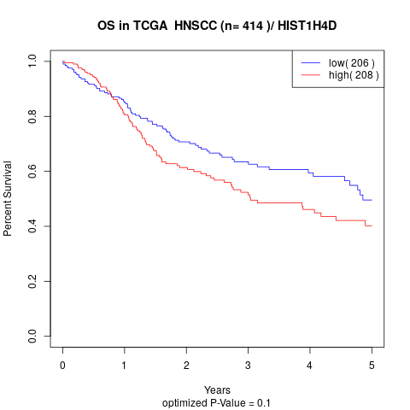

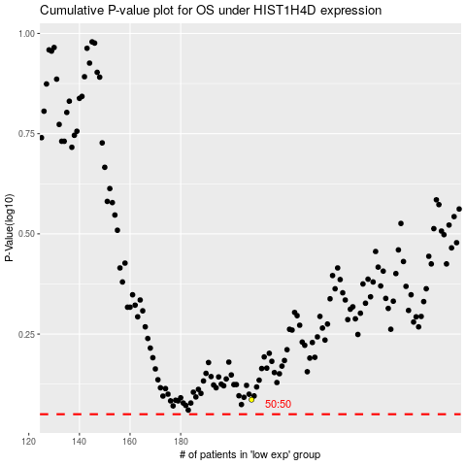

 |  |  |  |  |  | cases_OS | p_OS | rank | exp
 |  |  |  |  |  |  | cases_RFS | p_RFS | rank | exp

