HIST1H4E _multivariate
Reported by Tex Li-Hsing Chi. tex@gate.sinica.edu.tw 2019-08-19

Table 2. The clinicopathological features of HNSCC cohort and HIST1H4E expression. (Chi square test)
Cutoff at -0.264 (49.8%)
 |  | HIST1H4E expression |  | HIST1H4E expression |  | (Optimised)
 | Features | Low | (%) | High | (%) | Case no | P-value | Remark | Matthews
Gender | Female | 149 | 35.9 | 157 | 37.8 | 415 | 0.4848 | 0 | 0
2 | Male | 58 | 14 | 51 | 12.3
Age at diagnosis | <=65y | 136 | 32.8 | 138 | 33.3 | 415 | 0.9719 | 0 | 0
4 | >65y | 71 | 17.1 | 70 | 16.9
Clinical T Status | T1+T2 | 82 | 19.8 | 67 | 16.1 | 415 | 0.1417 | 0 | 0
6 | T3+T4 | 125 | 30.1 | 141 | 34
Clinical N Status | N0 | 114 | 27.5 | 102 | 24.6 | 415 | 0.2576 | 1 | 0
8 | N1-3 | 93 | 22.4 | 106 | 25.5
Clinical M Status | M0 | 206 | 49.6 | 206 | 49.6 | 415 | 1 | 0 | 0
10 | M1 | 1 | 0.2 | 2 | 0.5
Clinical Stage | Stage I+II | 56 | 13.5 | 46 | 11.1 | 415 | 0.2918 | 0 | 0
12 | Stage III+IV | 151 | 36.4 | 162 | 39
Surgical Margin status | Negative | 161 | 38.8 | 157 | 37.8 | 415 | 0.6429 | 0 | 0
14 | Positive | 46 | 11.1 | 51 | 12.3
Tobacco Exposure | Low | 92 | 22.2 | 69 | 16.6 | 415 | 0.0206 | 1 | 0
16 | High | 115 | 27.7 | 139 | 33.5

Table 3. Univariate/Multivariate Cox's proportional hazards regression analyses on OS time of HIST1H4E gene expression in HNSCC

 |  | Univariate |  |  |  | Multivariate
 | Features | HR | CI95%(L) | CI95%(H) | P-value | HR | CI95%(L) | CI95%(H) | P-value
1 | Female | 1 |  |  |  | 1
Gender | Male | 1.157 | 0.843 | 1.587 | 0.367 | 1.207 | 0.863 | 1.687 | 0.271
11 | <=65y | 1 |  |  |  | 1
Age at diagnosis | >65y | 1.329 | 0.99 | 1.784 | 0.058 | 1.389 | 1.022 | 1.889 | 0.036
12 | T1+T2 | 1 |  |  |  | 1
Clinical T Status | T3+T4 | 1.409 | 1.028 | 1.931 | 0.033 | 2.184 | 1.155 | 4.132 | 0.016
13 | N0 | 1 |  |  |  | 1
Clinical N Status | N1-3 | 1.185 | 0.89 | 1.577 | 0.246 | 1.228 | 0.86 | 1.755 | 0.258
14 | M0 | 1 |  |  |  | 1
Clinical M Status | M1 | 4.097 | 1.009 | 16.644 | 0.049 | 9.122 | 1.985 | 41.925 | 0.004
15 | Stage I+II | 1 |  |  |  | 1
Clinical Stage | Stage III+IV | 1.245 | 0.882 | 1.759 | 0.213 | 0.51 | 0.238 | 1.096 | 0.084
16 | Negative | 1 |  |  |  | 1
Surgical Margin status | Positive | 1.591 | 1.155 | 2.191 | 0.004 | 1.675 | 1.212 | 2.315 | 0.002
17 | Low | 1 |  |  |  | 1
Tobacco Exposure | High | 1.364 | 1.008 | 1.844 | 0.044 | 1.443 | 1.047 | 1.989 | 0.025
18 | Low | 1 |  |  |  | 1
RNAseq(z-score) | High | 1.141 | 0.857 | 1.52 | 0.367 | 1.106 | 0.827 | 1.478 | 0.497

Table 4. Univariate/Multivariate Cox's proportional hazards regression analyses on RFS time of HIST1H4E gene expression in HNSCC

 |  | Univariate |  |  |  | Multivariate
 | Features | HR | CI95%(L) | CI95%(H) | P-value | HR | CI95%(L) | CI95%(H) | P-value
1 | Female | 1 |  |  |  | 1
Gender | Male | 1.157 | 0.843 | 1.587 | 0.367 | 1.207 | 0.863 | 1.687 | 0.271
11 | <=65y | 1 |  |  |  | 1
Age at diagnosis | >65y | 1.329 | 0.99 | 1.784 | 0.058 | 1.389 | 1.022 | 1.889 | 0.036
12 | T1+T2 | 1 |  |  |  | 1
Clinical T Status | T3+T4 | 1.409 | 1.028 | 1.931 | 0.033 | 2.184 | 1.155 | 4.132 | 0.016
13 | N0 | 1 |  |  |  | 1
Clinical N Status | N1-3 | 1.185 | 0.89 | 1.577 | 0.246 | 1.228 | 0.86 | 1.755 | 0.258
14 | M0 | 1 |  |  |  | 1
Clinical M Status | M1 | 4.097 | 1.009 | 16.644 | 0.049 | 9.122 | 1.985 | 41.925 | 0.004
15 | Stage I+II | 1 |  |  |  | 1
Clinical Stage | Stage III+IV | 1.245 | 0.882 | 1.759 | 0.213 | 0.51 | 0.238 | 1.096 | 0.084
16 | Negative | 1 |  |  |  | 1
Surgical Margin status | Positive | 1.591 | 1.155 | 2.191 | 0.004 | 1.675 | 1.212 | 2.315 | 0.002
17 | Low | 1 |  |  |  | 1
Tobacco Exposure | High | 1.364 | 1.008 | 1.844 | 0.044 | 1.443 | 1.047 | 1.989 | 0.025
18 | Low | 1 |  |  |  | 1
RNAseq(z-score) | High | 1.141 | 0.857 | 1.52 | 0.367 | 1.106 | 0.827 | 1.478 | 0.497

Kaplan-Meier survival estimate: Cutoff at -0.264 (49.8%)



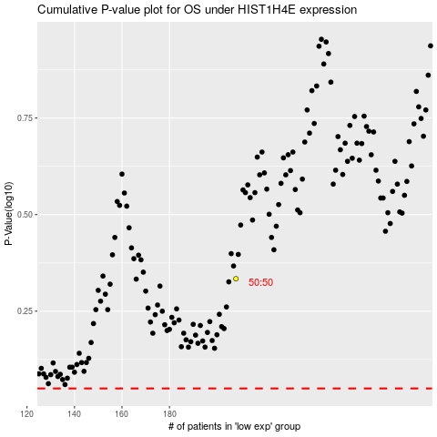

 |  |  |  |  |  | cases_OS | p_OS | rank | exp
 |  |  |  |  |  |  | cases_RFS | p_RFS | rank | exp

