HIST1H4H _multivariate
Reported by Tex Li-Hsing Chi. tex@gate.sinica.edu.tw 2019-08-19

Table 2. The clinicopathological features of HNSCC cohort and HIST1H4H expression. (Chi square test)
Cutoff at -0.283 (50.0%)
 |  | HIST1H4H expression |  | HIST1H4H expression |  | (Optimised)
 | Features | Low | (%) | High | (%) | Case no | P-value | Remark | Matthews
Gender | Female | 147 | 35.4 | 159 | 38.3 | 415 | 0.2523 | 0 | 0
2 | Male | 60 | 14.5 | 49 | 11.8
Age at diagnosis | <=65y | 135 | 32.5 | 139 | 33.5 | 415 | 0.8084 | 0 | 0
4 | >65y | 72 | 17.3 | 69 | 16.6
Clinical T Status | T1+T2 | 84 | 20.2 | 65 | 15.7 | 415 | 0.0603 | 0 | 0
6 | T3+T4 | 123 | 29.6 | 143 | 34.5
Clinical N Status | N0 | 106 | 25.5 | 110 | 26.5 | 415 | 0.8075 | 0 | 0
8 | N1-3 | 101 | 24.3 | 98 | 23.6
Clinical M Status | M0 | 206 | 49.6 | 206 | 49.6 | 415 | 1 | 0 | 0
10 | M1 | 1 | 0.2 | 2 | 0.5
Clinical Stage | Stage I+II | 57 | 13.7 | 45 | 10.8 | 415 | 0.1998 | 0 | 0
12 | Stage III+IV | 150 | 36.1 | 163 | 39.3
Surgical Margin status | Negative | 156 | 37.6 | 162 | 39 | 415 | 0.5636 | 0 | 0
14 | Positive | 51 | 12.3 | 46 | 11.1
Tobacco Exposure | Low | 80 | 19.3 | 81 | 19.5 | 415 | 1 | 0 | 0
16 | High | 127 | 30.6 | 127 | 30.6

Table 3. Univariate/Multivariate Cox's proportional hazards regression analyses on OS time of HIST1H4H gene expression in HNSCC

 |  | Univariate |  |  |  | Multivariate
 | Features | HR | CI95%(L) | CI95%(H) | P-value | HR | CI95%(L) | CI95%(H) | P-value
1 | Female | 1 |  |  |  | 1
Gender | Male | 1.157 | 0.843 | 1.587 | 0.367 | 1.206 | 0.862 | 1.685 | 0.274
11 | <=65y | 1 |  |  |  | 1
Age at diagnosis | >65y | 1.329 | 0.99 | 1.784 | 0.058 | 1.392 | 1.024 | 1.892 | 0.035
12 | T1+T2 | 1 |  |  |  | 1
Clinical T Status | T3+T4 | 1.409 | 1.028 | 1.931 | 0.033 | 2.164 | 1.143 | 4.095 | 0.018
13 | N0 | 1 |  |  |  | 1
Clinical N Status | N1-3 | 1.185 | 0.89 | 1.577 | 0.246 | 1.24 | 0.869 | 1.769 | 0.235
14 | M0 | 1 |  |  |  | 1
Clinical M Status | M1 | 4.097 | 1.009 | 16.644 | 0.049 | 8.965 | 1.948 | 41.255 | 0.005
15 | Stage I+II | 1 |  |  |  | 1
Clinical Stage | Stage III+IV | 1.245 | 0.882 | 1.759 | 0.213 | 0.503 | 0.234 | 1.08 | 0.078
16 | Negative | 1 |  |  |  | 1
Surgical Margin status | Positive | 1.591 | 1.155 | 2.191 | 0.004 | 1.667 | 1.207 | 2.304 | 0.002
17 | Low | 1 |  |  |  | 1
Tobacco Exposure | High | 1.364 | 1.008 | 1.844 | 0.044 | 1.466 | 1.064 | 2.021 | 0.019
18 | Low | 1 |  |  |  | 1
RNAseq(z-score) | High | 1.172 | 0.88 | 1.561 | 0.279 | 1.132 | 0.846 | 1.515 | 0.403

Table 4. Univariate/Multivariate Cox's proportional hazards regression analyses on RFS time of HIST1H4H gene expression in HNSCC

 |  | Univariate |  |  |  | Multivariate
 | Features | HR | CI95%(L) | CI95%(H) | P-value | HR | CI95%(L) | CI95%(H) | P-value
1 | Female | 1 |  |  |  | 1
Gender | Male | 1.157 | 0.843 | 1.587 | 0.367 | 1.206 | 0.862 | 1.685 | 0.274
11 | <=65y | 1 |  |  |  | 1
Age at diagnosis | >65y | 1.329 | 0.99 | 1.784 | 0.058 | 1.392 | 1.024 | 1.892 | 0.035
12 | T1+T2 | 1 |  |  |  | 1
Clinical T Status | T3+T4 | 1.409 | 1.028 | 1.931 | 0.033 | 2.164 | 1.143 | 4.095 | 0.018
13 | N0 | 1 |  |  |  | 1
Clinical N Status | N1-3 | 1.185 | 0.89 | 1.577 | 0.246 | 1.24 | 0.869 | 1.769 | 0.235
14 | M0 | 1 |  |  |  | 1
Clinical M Status | M1 | 4.097 | 1.009 | 16.644 | 0.049 | 8.965 | 1.948 | 41.255 | 0.005
15 | Stage I+II | 1 |  |  |  | 1
Clinical Stage | Stage III+IV | 1.245 | 0.882 | 1.759 | 0.213 | 0.503 | 0.234 | 1.08 | 0.078
16 | Negative | 1 |  |  |  | 1
Surgical Margin status | Positive | 1.591 | 1.155 | 2.191 | 0.004 | 1.667 | 1.207 | 2.304 | 0.002
17 | Low | 1 |  |  |  | 1
Tobacco Exposure | High | 1.364 | 1.008 | 1.844 | 0.044 | 1.466 | 1.064 | 2.021 | 0.019
18 | Low | 1 |  |  |  | 1
RNAseq(z-score) | High | 1.172 | 0.88 | 1.561 | 0.279 | 1.132 | 0.846 | 1.515 | 0.403

Kaplan-Meier survival estimate: Cutoff at -0.283 (50.0%)



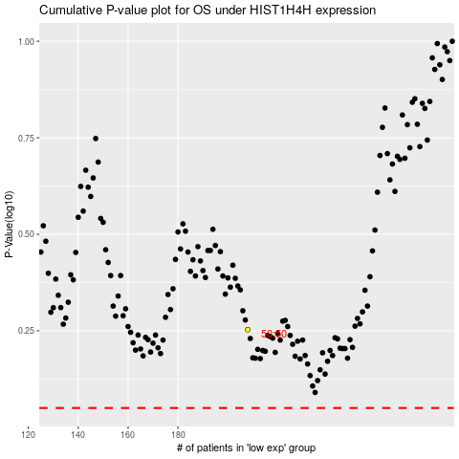

 |  |  |  |  |  | cases_OS | p_OS | rank | exp
 |  |  |  |  |  |  | cases_RFS | p_RFS | rank | exp

