HIST2H2AA3 _multivariate
Reported by Tex Li-Hsing Chi. tex@gate.sinica.edu.tw 2019-08-19

Table 2. The clinicopathological features of HNSCC cohort and HIST2H2AA3 expression. (Chi square test)
Cutoff at -0.111 (59.9%)
 |  | HIST2H2AA3 expression |  | HIST2H2AA3 expression |  | (Optimised)
 | Features | Low | (%) | High | (%) | Case no | P-value | Remark | Matthews
Gender | Female | 188 | 45.3 | 118 | 28.4 | 415 | 0.2915 | 0 | 0
2 | Male | 60 | 14.5 | 49 | 11.8
Age at diagnosis | <=65y | 168 | 40.5 | 106 | 25.5 | 415 | 0.4268 | 0 | 0
4 | >65y | 80 | 19.3 | 61 | 14.7
Clinical T Status | T1+T2 | 96 | 23.1 | 53 | 12.8 | 415 | 0.1777 | 0 | 0
6 | T3+T4 | 152 | 36.6 | 114 | 27.5
Clinical N Status | N0 | 126 | 30.4 | 90 | 21.7 | 415 | 0.6053 | 0 | 0
8 | N1-3 | 122 | 29.4 | 77 | 18.6
Clinical M Status | M0 | 247 | 59.5 | 165 | 39.8 | 415 | 0.5675 | 0 | 0
10 | M1 | 1 | 0.2 | 2 | 0.5
Clinical Stage | Stage I+II | 66 | 15.9 | 36 | 8.7 | 415 | 0.2906 | 0 | 0
12 | Stage III+IV | 182 | 43.9 | 131 | 31.6
Surgical Margin status | Negative | 188 | 45.3 | 130 | 31.3 | 415 | 0.7229 | 0 | 0
14 | Positive | 60 | 14.5 | 37 | 8.9
Tobacco Exposure | Low | 88 | 21.2 | 73 | 17.6 | 415 | 0.1007 | 0 | 0
16 | High | 160 | 38.6 | 94 | 22.7

Table 3. Univariate/Multivariate Cox's proportional hazards regression analyses on OS time of HIST2H2AA3 gene expression in HNSCC

 |  | Univariate |  |  |  | Multivariate
 | Features | HR | CI95%(L) | CI95%(H) | P-value | HR | CI95%(L) | CI95%(H) | P-value
1 | Female | 1 |  |  |  | 1
Gender | Male | 1.157 | 0.843 | 1.587 | 0.367 | 1.246 | 0.891 | 1.742 | 0.198
11 | <=65y | 1 |  |  |  | 1
Age at diagnosis | >65y | 1.329 | 0.99 | 1.784 | 0.058 | 1.418 | 1.042 | 1.929 | 0.026
12 | T1+T2 | 1 |  |  |  | 1
Clinical T Status | T3+T4 | 1.409 | 1.028 | 1.931 | 0.033 | 2.308 | 1.217 | 4.376 | 0.01
13 | N0 | 1 |  |  |  | 1
Clinical N Status | N1-3 | 1.185 | 0.89 | 1.577 | 0.246 | 1.26 | 0.882 | 1.798 | 0.204
14 | M0 | 1 |  |  |  | 1
Clinical M Status | M1 | 4.097 | 1.009 | 16.644 | 0.049 | 11.413 | 2.467 | 52.802 | 0.002
15 | Stage I+II | 1 |  |  |  | 1
Clinical Stage | Stage III+IV | 1.245 | 0.882 | 1.759 | 0.213 | 0.498 | 0.232 | 1.068 | 0.073
16 | Negative | 1 |  |  |  | 1
Surgical Margin status | Positive | 1.591 | 1.155 | 2.191 | 0.004 | 1.709 | 1.235 | 2.364 | 0.001
17 | Low | 1 |  |  |  | 1
Tobacco Exposure | High | 1.364 | 1.008 | 1.844 | 0.044 | 1.375 | 0.994 | 1.901 | 0.054
18 | Low | 1 |  |  |  | 1
RNAseq(z-score) | High | 0.727 | 0.537 | 0.984 | 0.039 | 0.68 | 0.498 | 0.928 | 0.015

Table 4. Univariate/Multivariate Cox's proportional hazards regression analyses on RFS time of HIST2H2AA3 gene expression in HNSCC

 |  | Univariate |  |  |  | Multivariate
 | Features | HR | CI95%(L) | CI95%(H) | P-value | HR | CI95%(L) | CI95%(H) | P-value
1 | Female | 1 |  |  |  | 1
Gender | Male | 1.157 | 0.843 | 1.587 | 0.367 | 1.246 | 0.891 | 1.742 | 0.198
11 | <=65y | 1 |  |  |  | 1
Age at diagnosis | >65y | 1.329 | 0.99 | 1.784 | 0.058 | 1.418 | 1.042 | 1.929 | 0.026
12 | T1+T2 | 1 |  |  |  | 1
Clinical T Status | T3+T4 | 1.409 | 1.028 | 1.931 | 0.033 | 2.308 | 1.217 | 4.376 | 0.01
13 | N0 | 1 |  |  |  | 1
Clinical N Status | N1-3 | 1.185 | 0.89 | 1.577 | 0.246 | 1.26 | 0.882 | 1.798 | 0.204
14 | M0 | 1 |  |  |  | 1
Clinical M Status | M1 | 4.097 | 1.009 | 16.644 | 0.049 | 11.413 | 2.467 | 52.802 | 0.002
15 | Stage I+II | 1 |  |  |  | 1
Clinical Stage | Stage III+IV | 1.245 | 0.882 | 1.759 | 0.213 | 0.498 | 0.232 | 1.068 | 0.073
16 | Negative | 1 |  |  |  | 1
Surgical Margin status | Positive | 1.591 | 1.155 | 2.191 | 0.004 | 1.709 | 1.235 | 2.364 | 0.001
17 | Low | 1 |  |  |  | 1
Tobacco Exposure | High | 1.364 | 1.008 | 1.844 | 0.044 | 1.375 | 0.994 | 1.901 | 0.054
18 | Low | 1 |  |  |  | 1
RNAseq(z-score) | High | 0.727 | 0.537 | 0.984 | 0.039 | 0.68 | 0.498 | 0.928 | 0.015

Kaplan-Meier survival estimate: Cutoff at -0.111 (59.9%)



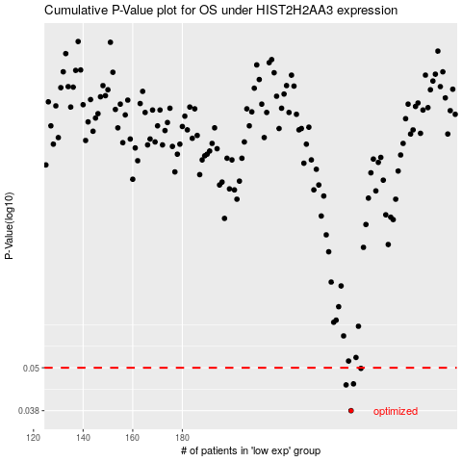

 |  |  |  |  |  | cases_OS | p_OS | rank | exp
 |  |  |  |  |  | 248 | 0.038 | 17 | -0.11066336678
 |  |  |  |  |  | 246 | 0.0448 | 39 | -0.12293655031
 |  |  |  |  |  | 249 | 0.0451 | 95 | -0.10517643051
 |  |  |  |  |  | 252 | 0.0498 | 245 | -0.103784807
 |  |  |  |  |  |  | cases_RFS | p_RFS | rank | exp
 |  |  |  |  |  |  | 247 | 0.038 | 222 | -0.11999115845
 |  |  |  |  |  |  | 245 | 0.0448 | 78 | -0.1240688537
 |  |  |  |  |  |  | 248 | 0.0451 | 17 | -0.11066336678
 |  |  |  |  |  |  | 251 | 0.0498 | 227 | -0.1041672105

