HIST2H2AB _multivariate
Reported by Tex Li-Hsing Chi. tex@gate.sinica.edu.tw 2019-08-19

Table 2. The clinicopathological features of HNSCC cohort and HIST2H2AB expression. (Chi square test)
Cutoff at -0.198 (49.8%)
 |  | HIST2H2AB expression |  | HIST2H2AB expression |  | (Optimised)
 | Features | Low | (%) | High | (%) | Case no | P-value | Remark | Matthews
Gender | Female | 149 | 35.9 | 157 | 37.8 | 415 | 0.4848 | 0 | 0
2 | Male | 58 | 14 | 51 | 12.3
Age at diagnosis | <=65y | 143 | 34.5 | 131 | 31.6 | 415 | 0.2269 | 0 | 0
4 | >65y | 64 | 15.4 | 77 | 18.6
Clinical T Status | T1+T2 | 88 | 21.2 | 61 | 14.7 | 415 | 0.007 | 1 | 0
6 | T3+T4 | 119 | 28.7 | 147 | 35.4
Clinical N Status | N0 | 112 | 27 | 104 | 25.1 | 415 | 0.4599 | 0 | 0
8 | N1-3 | 95 | 22.9 | 104 | 25.1
Clinical M Status | M0 | 205 | 49.4 | 207 | 49.9 | 415 | 0.6232 | 0 | 0
10 | M1 | 2 | 0.5 | 1 | 0.2
Clinical Stage | Stage I+II | 60 | 14.5 | 42 | 10.1 | 415 | 0.0493 | 1 | 0
12 | Stage III+IV | 147 | 35.4 | 166 | 40
Surgical Margin status | Negative | 155 | 37.3 | 163 | 39.3 | 415 | 0.4187 | 0 | 0
14 | Positive | 52 | 12.5 | 45 | 10.8
Tobacco Exposure | Low | 88 | 21.2 | 73 | 17.6 | 415 | 0.1314 | 0 | 0
16 | High | 119 | 28.7 | 135 | 32.5

Table 3. Univariate/Multivariate Cox's proportional hazards regression analyses on OS time of HIST2H2AB gene expression in HNSCC

 |  | Univariate |  |  |  | Multivariate
 | Features | HR | CI95%(L) | CI95%(H) | P-value | HR | CI95%(L) | CI95%(H) | P-value
1 | Female | 1 |  |  |  | 1
Gender | Male | 1.157 | 0.843 | 1.587 | 0.367 | 1.219 | 0.873 | 1.703 | 0.245
11 | <=65y | 1 |  |  |  | 1
Age at diagnosis | >65y | 1.329 | 0.99 | 1.784 | 0.058 | 1.376 | 1.012 | 1.87 | 0.042
12 | T1+T2 | 1 |  |  |  | 1
Clinical T Status | T3+T4 | 1.409 | 1.028 | 1.931 | 0.033 | 2.175 | 1.15 | 4.112 | 0.017
13 | N0 | 1 |  |  |  | 1
Clinical N Status | N1-3 | 1.185 | 0.89 | 1.577 | 0.246 | 1.23 | 0.861 | 1.756 | 0.256
14 | M0 | 1 |  |  |  | 1
Clinical M Status | M1 | 4.097 | 1.009 | 16.644 | 0.049 | 9.659 | 2.104 | 44.332 | 0.004
15 | Stage I+II | 1 |  |  |  | 1
Clinical Stage | Stage III+IV | 1.245 | 0.882 | 1.759 | 0.213 | 0.505 | 0.236 | 1.084 | 0.08
16 | Negative | 1 |  |  |  | 1
Surgical Margin status | Positive | 1.591 | 1.155 | 2.191 | 0.004 | 1.689 | 1.221 | 2.337 | 0.002
17 | Low | 1 |  |  |  | 1
Tobacco Exposure | High | 1.364 | 1.008 | 1.844 | 0.044 | 1.447 | 1.05 | 1.993 | 0.024
18 | Low | 1 |  |  |  | 1
RNAseq(z-score) | High | 1.234 | 0.925 | 1.646 | 0.152 | 1.221 | 0.912 | 1.635 | 0.181

Table 4. Univariate/Multivariate Cox's proportional hazards regression analyses on RFS time of HIST2H2AB gene expression in HNSCC

 |  | Univariate |  |  |  | Multivariate
 | Features | HR | CI95%(L) | CI95%(H) | P-value | HR | CI95%(L) | CI95%(H) | P-value
1 | Female | 1 |  |  |  | 1
Gender | Male | 1.157 | 0.843 | 1.587 | 0.367 | 1.219 | 0.873 | 1.703 | 0.245
11 | <=65y | 1 |  |  |  | 1
Age at diagnosis | >65y | 1.329 | 0.99 | 1.784 | 0.058 | 1.376 | 1.012 | 1.87 | 0.042
12 | T1+T2 | 1 |  |  |  | 1
Clinical T Status | T3+T4 | 1.409 | 1.028 | 1.931 | 0.033 | 2.175 | 1.15 | 4.112 | 0.017
13 | N0 | 1 |  |  |  | 1
Clinical N Status | N1-3 | 1.185 | 0.89 | 1.577 | 0.246 | 1.23 | 0.861 | 1.756 | 0.256
14 | M0 | 1 |  |  |  | 1
Clinical M Status | M1 | 4.097 | 1.009 | 16.644 | 0.049 | 9.659 | 2.104 | 44.332 | 0.004
15 | Stage I+II | 1 |  |  |  | 1
Clinical Stage | Stage III+IV | 1.245 | 0.882 | 1.759 | 0.213 | 0.505 | 0.236 | 1.084 | 0.08
16 | Negative | 1 |  |  |  | 1
Surgical Margin status | Positive | 1.591 | 1.155 | 2.191 | 0.004 | 1.689 | 1.221 | 2.337 | 0.002
17 | Low | 1 |  |  |  | 1
Tobacco Exposure | High | 1.364 | 1.008 | 1.844 | 0.044 | 1.447 | 1.05 | 1.993 | 0.024
18 | Low | 1 |  |  |  | 1
RNAseq(z-score) | High | 1.234 | 0.925 | 1.646 | 0.152 | 1.221 | 0.912 | 1.635 | 0.181

Kaplan-Meier survival estimate: Cutoff at -0.198 (49.8%)

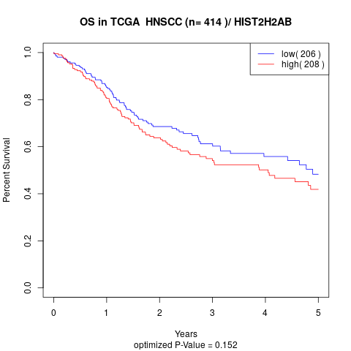

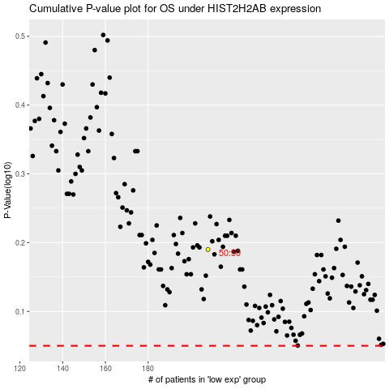

 |  |  |  |  |  | cases_OS | p_OS | rank | exp
 |  |  |  |  |  |  | cases_RFS | p_RFS | rank | exp

