HIST2H2AC _multivariate
Reported by Tex Li-Hsing Chi. tex@gate.sinica.edu.tw 2019-08-19

Table 2. The clinicopathological features of HNSCC cohort and HIST2H2AC expression. (Chi square test)
Cutoff at -0.208 (54.3%)
 |  | HIST2H2AC expression |  | HIST2H2AC expression |  | (Optimised)
 | Features | Low | (%) | High | (%) | Case no | P-value | Remark | Matthews
Gender | Female | 167 | 40.2 | 139 | 33.5 | 415 | 1 | 0 | 0
2 | Male | 59 | 14.2 | 50 | 12
Age at diagnosis | <=65y | 156 | 37.6 | 118 | 28.4 | 415 | 0.1908 | 0 | 0
4 | >65y | 70 | 16.9 | 71 | 17.1
Clinical T Status | T1+T2 | 85 | 20.5 | 64 | 15.4 | 415 | 0.4902 | 0 | 0
6 | T3+T4 | 141 | 34 | 125 | 30.1
Clinical N Status | N0 | 127 | 30.6 | 89 | 21.4 | 415 | 0.0801 | 1 | 0
8 | N1-3 | 99 | 23.9 | 100 | 24.1
Clinical M Status | M0 | 225 | 54.2 | 187 | 45.1 | 415 | 0.5937 | 0 | 0
10 | M1 | 1 | 0.2 | 2 | 0.5
Clinical Stage | Stage I+II | 61 | 14.7 | 41 | 9.9 | 415 | 0.2568 | 0 | 0
12 | Stage III+IV | 165 | 39.8 | 148 | 35.7
Surgical Margin status | Negative | 181 | 43.6 | 137 | 33 | 415 | 0.0806 | 0 | 0
14 | Positive | 45 | 10.8 | 52 | 12.5
Tobacco Exposure | Low | 95 | 22.9 | 66 | 15.9 | 415 | 0.157 | 0 | 0
16 | High | 131 | 31.6 | 123 | 29.6

Table 3. Univariate/Multivariate Cox's proportional hazards regression analyses on OS time of HIST2H2AC gene expression in HNSCC

 |  | Univariate |  |  |  | Multivariate
 | Features | HR | CI95%(L) | CI95%(H) | P-value | HR | CI95%(L) | CI95%(H) | P-value
1 | Female | 1 |  |  |  | 1
Gender | Male | 1.157 | 0.843 | 1.587 | 0.367 | 1.185 | 0.848 | 1.658 | 0.32
11 | <=65y | 1 |  |  |  | 1
Age at diagnosis | >65y | 1.329 | 0.99 | 1.784 | 0.058 | 1.374 | 1.01 | 1.869 | 0.043
12 | T1+T2 | 1 |  |  |  | 1
Clinical T Status | T3+T4 | 1.409 | 1.028 | 1.931 | 0.033 | 2.169 | 1.147 | 4.104 | 0.017
13 | N0 | 1 |  |  |  | 1
Clinical N Status | N1-3 | 1.185 | 0.89 | 1.577 | 0.246 | 1.212 | 0.847 | 1.735 | 0.293
14 | M0 | 1 |  |  |  | 1
Clinical M Status | M1 | 4.097 | 1.009 | 16.644 | 0.049 | 9.109 | 1.985 | 41.793 | 0.004
15 | Stage I+II | 1 |  |  |  | 1
Clinical Stage | Stage III+IV | 1.245 | 0.882 | 1.759 | 0.213 | 0.516 | 0.24 | 1.109 | 0.09
16 | Negative | 1 |  |  |  | 1
Surgical Margin status | Positive | 1.591 | 1.155 | 2.191 | 0.004 | 1.637 | 1.182 | 2.266 | 0.003
17 | Low | 1 |  |  |  | 1
Tobacco Exposure | High | 1.364 | 1.008 | 1.844 | 0.044 | 1.423 | 1.032 | 1.964 | 0.032
18 | Low | 1 |  |  |  | 1
RNAseq(z-score) | High | 1.336 | 1.002 | 1.782 | 0.048 | 1.176 | 0.876 | 1.58 | 0.281

Table 4. Univariate/Multivariate Cox's proportional hazards regression analyses on RFS time of HIST2H2AC gene expression in HNSCC

 |  | Univariate |  |  |  | Multivariate
 | Features | HR | CI95%(L) | CI95%(H) | P-value | HR | CI95%(L) | CI95%(H) | P-value
1 | Female | 1 |  |  |  | 1
Gender | Male | 1.157 | 0.843 | 1.587 | 0.367 | 1.185 | 0.848 | 1.658 | 0.32
11 | <=65y | 1 |  |  |  | 1
Age at diagnosis | >65y | 1.329 | 0.99 | 1.784 | 0.058 | 1.374 | 1.01 | 1.869 | 0.043
12 | T1+T2 | 1 |  |  |  | 1
Clinical T Status | T3+T4 | 1.409 | 1.028 | 1.931 | 0.033 | 2.169 | 1.147 | 4.104 | 0.017
13 | N0 | 1 |  |  |  | 1
Clinical N Status | N1-3 | 1.185 | 0.89 | 1.577 | 0.246 | 1.212 | 0.847 | 1.735 | 0.293
14 | M0 | 1 |  |  |  | 1
Clinical M Status | M1 | 4.097 | 1.009 | 16.644 | 0.049 | 9.109 | 1.985 | 41.793 | 0.004
15 | Stage I+II | 1 |  |  |  | 1
Clinical Stage | Stage III+IV | 1.245 | 0.882 | 1.759 | 0.213 | 0.516 | 0.24 | 1.109 | 0.09
16 | Negative | 1 |  |  |  | 1
Surgical Margin status | Positive | 1.591 | 1.155 | 2.191 | 0.004 | 1.637 | 1.182 | 2.266 | 0.003
17 | Low | 1 |  |  |  | 1
Tobacco Exposure | High | 1.364 | 1.008 | 1.844 | 0.044 | 1.423 | 1.032 | 1.964 | 0.032
18 | Low | 1 |  |  |  | 1
RNAseq(z-score) | High | 1.336 | 1.002 | 1.782 | 0.048 | 1.176 | 0.876 | 1.58 | 0.281

Kaplan-Meier survival estimate: Cutoff at -0.208 (54.3%)

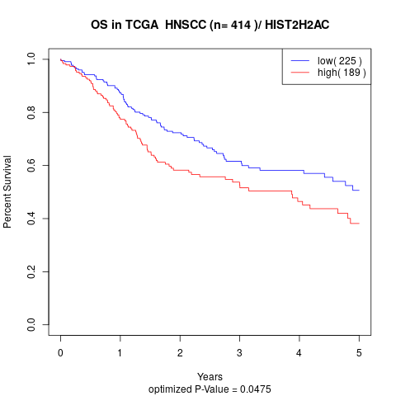

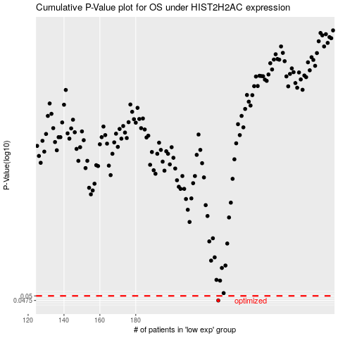

 |  |  |  |  |  | cases_OS | p_OS | rank | exp
 |  |  |  |  |  | 226 | 0.0475 | 143 | -0.20802334707
 |  |  |  |  |  |  | cases_RFS | p_RFS | rank | exp
 |  |  |  |  |  |  | 225 | 0.0475 | 40 | -0.20920261372

