HIST2H2BA _multivariate
Reported by Tex Li-Hsing Chi. tex@gate.sinica.edu.tw 2019-08-19

Table 2. The clinicopathological features of HNSCC cohort and HIST2H2BA expression. (Chi square test)
Cutoff at -0.244 (49.8%)
 |  | HIST2H2BA expression |  | HIST2H2BA expression |  | (Optimised)
 | Features | Low | (%) | High | (%) | Case no | P-value | Remark | Matthews
Gender | Female | 157 | 37.8 | 149 | 35.9 | 415 | 0.3881 | 0 | 0
2 | Male | 50 | 12 | 59 | 14.2
Age at diagnosis | <=65y | 136 | 32.8 | 138 | 33.3 | 415 | 0.9719 | 0 | 0
4 | >65y | 71 | 17.1 | 70 | 16.9
Clinical T Status | T1+T2 | 75 | 18.1 | 74 | 17.8 | 415 | 0.9707 | 0 | 0
6 | T3+T4 | 132 | 31.8 | 134 | 32.3
Clinical N Status | N0 | 96 | 23.1 | 120 | 28.9 | 415 | 0.0272 | 1 | 0
8 | N1-3 | 111 | 26.7 | 88 | 21.2
Clinical M Status | M0 | 205 | 49.4 | 207 | 49.9 | 415 | 0.6232 | 0 | 0
10 | M1 | 2 | 0.5 | 1 | 0.2
Clinical Stage | Stage I+II | 47 | 11.3 | 55 | 13.3 | 415 | 0.4413 | 0 | 0
12 | Stage III+IV | 160 | 38.6 | 153 | 36.9
Surgical Margin status | Negative | 150 | 36.1 | 168 | 40.5 | 415 | 0.0492 | 1 | 0
14 | Positive | 57 | 13.7 | 40 | 9.6
Tobacco Exposure | Low | 80 | 19.3 | 81 | 19.5 | 415 | 1 | 0 | 0
16 | High | 127 | 30.6 | 127 | 30.6

Table 3. Univariate/Multivariate Cox's proportional hazards regression analyses on OS time of HIST2H2BA gene expression in HNSCC

 |  | Univariate |  |  |  | Multivariate
 | Features | HR | CI95%(L) | CI95%(H) | P-value | HR | CI95%(L) | CI95%(H) | P-value
1 | Female | 1 |  |  |  | 1
Gender | Male | 1.157 | 0.843 | 1.587 | 0.367 | 1.204 | 0.862 | 1.681 | 0.277
11 | <=65y | 1 |  |  |  | 1
Age at diagnosis | >65y | 1.329 | 0.99 | 1.784 | 0.058 | 1.396 | 1.027 | 1.898 | 0.033
12 | T1+T2 | 1 |  |  |  | 1
Clinical T Status | T3+T4 | 1.409 | 1.028 | 1.931 | 0.033 | 2.181 | 1.152 | 4.127 | 0.017
13 | N0 | 1 |  |  |  | 1
Clinical N Status | N1-3 | 1.185 | 0.89 | 1.577 | 0.246 | 1.248 | 0.874 | 1.782 | 0.222
14 | M0 | 1 |  |  |  | 1
Clinical M Status | M1 | 4.097 | 1.009 | 16.644 | 0.049 | 9.408 | 2.053 | 43.125 | 0.004
15 | Stage I+II | 1 |  |  |  | 1
Clinical Stage | Stage III+IV | 1.245 | 0.882 | 1.759 | 0.213 | 0.508 | 0.237 | 1.091 | 0.082
16 | Negative | 1 |  |  |  | 1
Surgical Margin status | Positive | 1.591 | 1.155 | 2.191 | 0.004 | 1.686 | 1.218 | 2.333 | 0.002
17 | Low | 1 |  |  |  | 1
Tobacco Exposure | High | 1.364 | 1.008 | 1.844 | 0.044 | 1.464 | 1.061 | 2.02 | 0.02
18 | Low | 1 |  |  |  | 1
RNAseq(z-score) | High | 0.998 | 0.749 | 1.329 | 0.988 | 1.081 | 0.807 | 1.448 | 0.602

Table 4. Univariate/Multivariate Cox's proportional hazards regression analyses on RFS time of HIST2H2BA gene expression in HNSCC

 |  | Univariate |  |  |  | Multivariate
 | Features | HR | CI95%(L) | CI95%(H) | P-value | HR | CI95%(L) | CI95%(H) | P-value
1 | Female | 1 |  |  |  | 1
Gender | Male | 1.157 | 0.843 | 1.587 | 0.367 | 1.204 | 0.862 | 1.681 | 0.277
11 | <=65y | 1 |  |  |  | 1
Age at diagnosis | >65y | 1.329 | 0.99 | 1.784 | 0.058 | 1.396 | 1.027 | 1.898 | 0.033
12 | T1+T2 | 1 |  |  |  | 1
Clinical T Status | T3+T4 | 1.409 | 1.028 | 1.931 | 0.033 | 2.181 | 1.152 | 4.127 | 0.017
13 | N0 | 1 |  |  |  | 1
Clinical N Status | N1-3 | 1.185 | 0.89 | 1.577 | 0.246 | 1.248 | 0.874 | 1.782 | 0.222
14 | M0 | 1 |  |  |  | 1
Clinical M Status | M1 | 4.097 | 1.009 | 16.644 | 0.049 | 9.408 | 2.053 | 43.125 | 0.004
15 | Stage I+II | 1 |  |  |  | 1
Clinical Stage | Stage III+IV | 1.245 | 0.882 | 1.759 | 0.213 | 0.508 | 0.237 | 1.091 | 0.082
16 | Negative | 1 |  |  |  | 1
Surgical Margin status | Positive | 1.591 | 1.155 | 2.191 | 0.004 | 1.686 | 1.218 | 2.333 | 0.002
17 | Low | 1 |  |  |  | 1
Tobacco Exposure | High | 1.364 | 1.008 | 1.844 | 0.044 | 1.464 | 1.061 | 2.02 | 0.02
18 | Low | 1 |  |  |  | 1
RNAseq(z-score) | High | 0.998 | 0.749 | 1.329 | 0.988 | 1.081 | 0.807 | 1.448 | 0.602

Kaplan-Meier survival estimate: Cutoff at -0.244 (49.8%)

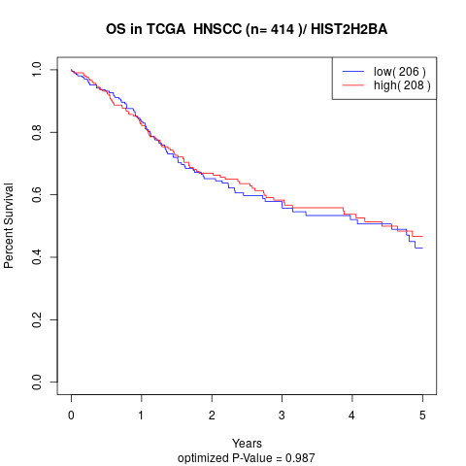

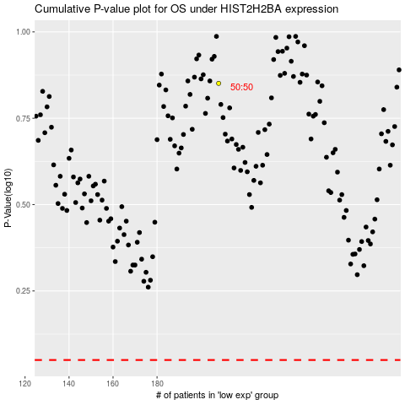

 |  |  |  |  |  | cases_OS | p_OS | rank | exp
 |  |  |  |  |  |  | cases_RFS | p_RFS | rank | exp

