HIST2H2BE _multivariate
Reported by Tex Li-Hsing Chi. tex@gate.sinica.edu.tw 2019-08-19

Table 2. The clinicopathological features of HNSCC cohort and HIST2H2BE expression. (Chi square test)
Cutoff at -0.236 (50.0%)
 |  | HIST2H2BE expression |  | HIST2H2BE expression |  | (Optimised)
 | Features | Low | (%) | High | (%) | Case no | P-value | Remark | Matthews
Gender | Female | 149 | 35.9 | 157 | 37.8 | 415 | 0.4848 | 0 | 0
2 | Male | 58 | 14 | 51 | 12.3
Age at diagnosis | <=65y | 137 | 33 | 137 | 33 | 415 | 1 | 0 | 0
4 | >65y | 70 | 16.9 | 71 | 17.1
Clinical T Status | T1+T2 | 79 | 19 | 70 | 16.9 | 415 | 0.3924 | 0 | 0
6 | T3+T4 | 128 | 30.8 | 138 | 33.3
Clinical N Status | N0 | 106 | 25.5 | 110 | 26.5 | 415 | 0.8075 | 0 | 0
8 | N1-3 | 101 | 24.3 | 98 | 23.6
Clinical M Status | M0 | 206 | 49.6 | 206 | 49.6 | 415 | 1 | 0 | 0
10 | M1 | 1 | 0.2 | 2 | 0.5
Clinical Stage | Stage I+II | 54 | 13 | 48 | 11.6 | 415 | 0.5498 | 0 | 0
12 | Stage III+IV | 153 | 36.9 | 160 | 38.6
Surgical Margin status | Negative | 156 | 37.6 | 162 | 39 | 415 | 0.5636 | 0 | 0
14 | Positive | 51 | 12.3 | 46 | 11.1
Tobacco Exposure | Low | 86 | 20.7 | 75 | 18.1 | 415 | 0.2687 | 0 | 0
16 | High | 121 | 29.2 | 133 | 32

Table 3. Univariate/Multivariate Cox's proportional hazards regression analyses on OS time of HIST2H2BE gene expression in HNSCC

 |  | Univariate |  |  |  | Multivariate
 | Features | HR | CI95%(L) | CI95%(H) | P-value | HR | CI95%(L) | CI95%(H) | P-value
1 | Female | 1 |  |  |  | 1
Gender | Male | 1.157 | 0.843 | 1.587 | 0.367 | 1.2 | 0.858 | 1.677 | 0.287
11 | <=65y | 1 |  |  |  | 1
Age at diagnosis | >65y | 1.329 | 0.99 | 1.784 | 0.058 | 1.393 | 1.025 | 1.895 | 0.034
12 | T1+T2 | 1 |  |  |  | 1
Clinical T Status | T3+T4 | 1.409 | 1.028 | 1.931 | 0.033 | 2.211 | 1.168 | 4.185 | 0.015
13 | N0 | 1 |  |  |  | 1
Clinical N Status | N1-3 | 1.185 | 0.89 | 1.577 | 0.246 | 1.24 | 0.869 | 1.77 | 0.235
14 | M0 | 1 |  |  |  | 1
Clinical M Status | M1 | 4.097 | 1.009 | 16.644 | 0.049 | 9.522 | 2.068 | 43.856 | 0.004
15 | Stage I+II | 1 |  |  |  | 1
Clinical Stage | Stage III+IV | 1.245 | 0.882 | 1.759 | 0.213 | 0.503 | 0.234 | 1.081 | 0.078
16 | Negative | 1 |  |  |  | 1
Surgical Margin status | Positive | 1.591 | 1.155 | 2.191 | 0.004 | 1.673 | 1.211 | 2.313 | 0.002
17 | Low | 1 |  |  |  | 1
Tobacco Exposure | High | 1.364 | 1.008 | 1.844 | 0.044 | 1.454 | 1.055 | 2.003 | 0.022
18 | Low | 1 |  |  |  | 1
RNAseq(z-score) | High | 1.013 | 0.761 | 1.35 | 0.928 | 0.971 | 0.728 | 1.295 | 0.84

Table 4. Univariate/Multivariate Cox's proportional hazards regression analyses on RFS time of HIST2H2BE gene expression in HNSCC

 |  | Univariate |  |  |  | Multivariate
 | Features | HR | CI95%(L) | CI95%(H) | P-value | HR | CI95%(L) | CI95%(H) | P-value
1 | Female | 1 |  |  |  | 1
Gender | Male | 1.157 | 0.843 | 1.587 | 0.367 | 1.2 | 0.858 | 1.677 | 0.287
11 | <=65y | 1 |  |  |  | 1
Age at diagnosis | >65y | 1.329 | 0.99 | 1.784 | 0.058 | 1.393 | 1.025 | 1.895 | 0.034
12 | T1+T2 | 1 |  |  |  | 1
Clinical T Status | T3+T4 | 1.409 | 1.028 | 1.931 | 0.033 | 2.211 | 1.168 | 4.185 | 0.015
13 | N0 | 1 |  |  |  | 1
Clinical N Status | N1-3 | 1.185 | 0.89 | 1.577 | 0.246 | 1.24 | 0.869 | 1.77 | 0.235
14 | M0 | 1 |  |  |  | 1
Clinical M Status | M1 | 4.097 | 1.009 | 16.644 | 0.049 | 9.522 | 2.068 | 43.856 | 0.004
15 | Stage I+II | 1 |  |  |  | 1
Clinical Stage | Stage III+IV | 1.245 | 0.882 | 1.759 | 0.213 | 0.503 | 0.234 | 1.081 | 0.078
16 | Negative | 1 |  |  |  | 1
Surgical Margin status | Positive | 1.591 | 1.155 | 2.191 | 0.004 | 1.673 | 1.211 | 2.313 | 0.002
17 | Low | 1 |  |  |  | 1
Tobacco Exposure | High | 1.364 | 1.008 | 1.844 | 0.044 | 1.454 | 1.055 | 2.003 | 0.022
18 | Low | 1 |  |  |  | 1
RNAseq(z-score) | High | 1.013 | 0.761 | 1.35 | 0.928 | 0.971 | 0.728 | 1.295 | 0.84

Kaplan-Meier survival estimate: Cutoff at -0.236 (50.0%)

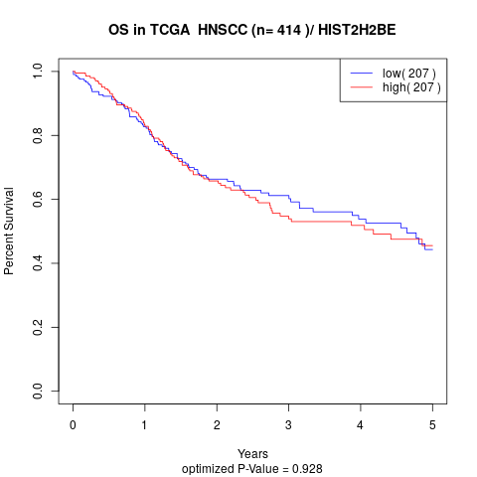

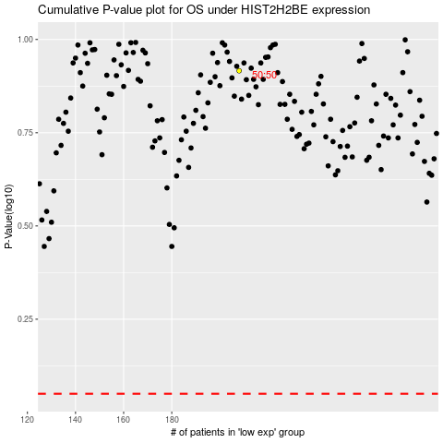

 |  |  |  |  |  | cases_OS | p_OS | rank | exp
 |  |  |  |  |  |  | cases_RFS | p_RFS | rank | exp

