HIST2H3C _multivariate
Reported by Tex Li-Hsing Chi. tex@gate.sinica.edu.tw 2019-08-19

Table 2. The clinicopathological features of HNSCC cohort and HIST2H3C expression. (Chi square test)
Cutoff at -0.306 (49.8%)
 |  | HIST2H3C expression |  | HIST2H3C expression |  | (Optimised)
 | Features | Low | (%) | High | (%) | Case no | P-value | Remark | Matthews
Gender | Female | 146 | 35.2 | 160 | 38.6 | 415 | 0.1714 | 0 | 0
2 | Male | 61 | 14.7 | 48 | 11.6
Age at diagnosis | <=65y | 135 | 32.5 | 139 | 33.5 | 415 | 0.8084 | 0 | 0
4 | >65y | 72 | 17.3 | 69 | 16.6
Clinical T Status | T1+T2 | 78 | 18.8 | 71 | 17.1 | 415 | 0.5152 | 0 | 0
6 | T3+T4 | 129 | 31.1 | 137 | 33
Clinical N Status | N0 | 110 | 26.5 | 106 | 25.5 | 415 | 0.7294 | 0 | 0
8 | N1-3 | 97 | 23.4 | 102 | 24.6
Clinical M Status | M0 | 206 | 49.6 | 206 | 49.6 | 415 | 1 | 0 | 0
10 | M1 | 1 | 0.2 | 2 | 0.5
Clinical Stage | Stage I+II | 60 | 14.5 | 42 | 10.1 | 415 | 0.0493 | 1 | 0
12 | Stage III+IV | 147 | 35.4 | 166 | 40
Surgical Margin status | Negative | 160 | 38.6 | 158 | 38.1 | 415 | 0.8167 | 0 | 0
14 | Positive | 47 | 11.3 | 50 | 12
Tobacco Exposure | Low | 84 | 20.2 | 77 | 18.6 | 415 | 0.4816 | 0 | 0
16 | High | 123 | 29.6 | 131 | 31.6

Table 3. Univariate/Multivariate Cox's proportional hazards regression analyses on OS time of HIST2H3C gene expression in HNSCC

 |  | Univariate |  |  |  | Multivariate
 | Features | HR | CI95%(L) | CI95%(H) | P-value | HR | CI95%(L) | CI95%(H) | P-value
1 | Female | 1 |  |  |  | 1
Gender | Male | 1.157 | 0.843 | 1.587 | 0.367 | 1.194 | 0.853 | 1.671 | 0.301
11 | <=65y | 1 |  |  |  | 1
Age at diagnosis | >65y | 1.329 | 0.99 | 1.784 | 0.058 | 1.397 | 1.027 | 1.9 | 0.033
12 | T1+T2 | 1 |  |  |  | 1
Clinical T Status | T3+T4 | 1.409 | 1.028 | 1.931 | 0.033 | 2.192 | 1.159 | 4.147 | 0.016
13 | N0 | 1 |  |  |  | 1
Clinical N Status | N1-3 | 1.185 | 0.89 | 1.577 | 0.246 | 1.245 | 0.872 | 1.777 | 0.227
14 | M0 | 1 |  |  |  | 1
Clinical M Status | M1 | 4.097 | 1.009 | 16.644 | 0.049 | 9.381 | 2.047 | 42.999 | 0.004
15 | Stage I+II | 1 |  |  |  | 1
Clinical Stage | Stage III+IV | 1.245 | 0.882 | 1.759 | 0.213 | 0.512 | 0.237 | 1.102 | 0.087
16 | Negative | 1 |  |  |  | 1
Surgical Margin status | Positive | 1.591 | 1.155 | 2.191 | 0.004 | 1.669 | 1.208 | 2.306 | 0.002
17 | Low | 1 |  |  |  | 1
Tobacco Exposure | High | 1.364 | 1.008 | 1.844 | 0.044 | 1.452 | 1.054 | 2.001 | 0.022
18 | Low | 1 |  |  |  | 1
RNAseq(z-score) | High | 0.967 | 0.726 | 1.287 | 0.817 | 0.946 | 0.705 | 1.271 | 0.714

Table 4. Univariate/Multivariate Cox's proportional hazards regression analyses on RFS time of HIST2H3C gene expression in HNSCC

 |  | Univariate |  |  |  | Multivariate
 | Features | HR | CI95%(L) | CI95%(H) | P-value | HR | CI95%(L) | CI95%(H) | P-value
1 | Female | 1 |  |  |  | 1
Gender | Male | 1.157 | 0.843 | 1.587 | 0.367 | 1.194 | 0.853 | 1.671 | 0.301
11 | <=65y | 1 |  |  |  | 1
Age at diagnosis | >65y | 1.329 | 0.99 | 1.784 | 0.058 | 1.397 | 1.027 | 1.9 | 0.033
12 | T1+T2 | 1 |  |  |  | 1
Clinical T Status | T3+T4 | 1.409 | 1.028 | 1.931 | 0.033 | 2.192 | 1.159 | 4.147 | 0.016
13 | N0 | 1 |  |  |  | 1
Clinical N Status | N1-3 | 1.185 | 0.89 | 1.577 | 0.246 | 1.245 | 0.872 | 1.777 | 0.227
14 | M0 | 1 |  |  |  | 1
Clinical M Status | M1 | 4.097 | 1.009 | 16.644 | 0.049 | 9.381 | 2.047 | 42.999 | 0.004
15 | Stage I+II | 1 |  |  |  | 1
Clinical Stage | Stage III+IV | 1.245 | 0.882 | 1.759 | 0.213 | 0.512 | 0.237 | 1.102 | 0.087
16 | Negative | 1 |  |  |  | 1
Surgical Margin status | Positive | 1.591 | 1.155 | 2.191 | 0.004 | 1.669 | 1.208 | 2.306 | 0.002
17 | Low | 1 |  |  |  | 1
Tobacco Exposure | High | 1.364 | 1.008 | 1.844 | 0.044 | 1.452 | 1.054 | 2.001 | 0.022
18 | Low | 1 |  |  |  | 1
RNAseq(z-score) | High | 0.967 | 0.726 | 1.287 | 0.817 | 0.946 | 0.705 | 1.271 | 0.714

Kaplan-Meier survival estimate: Cutoff at -0.306 (49.8%)



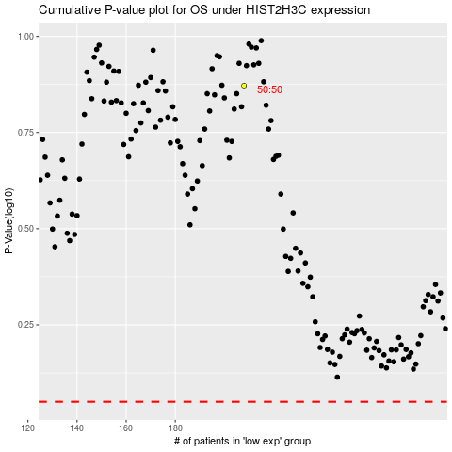

 |  |  |  |  |  | cases_OS | p_OS | rank | exp
 |  |  |  |  |  |  | cases_RFS | p_RFS | rank | exp

